6.Star Schema
Star Schema Queries |  | ERD for Star Schema of Inventory Data Mart

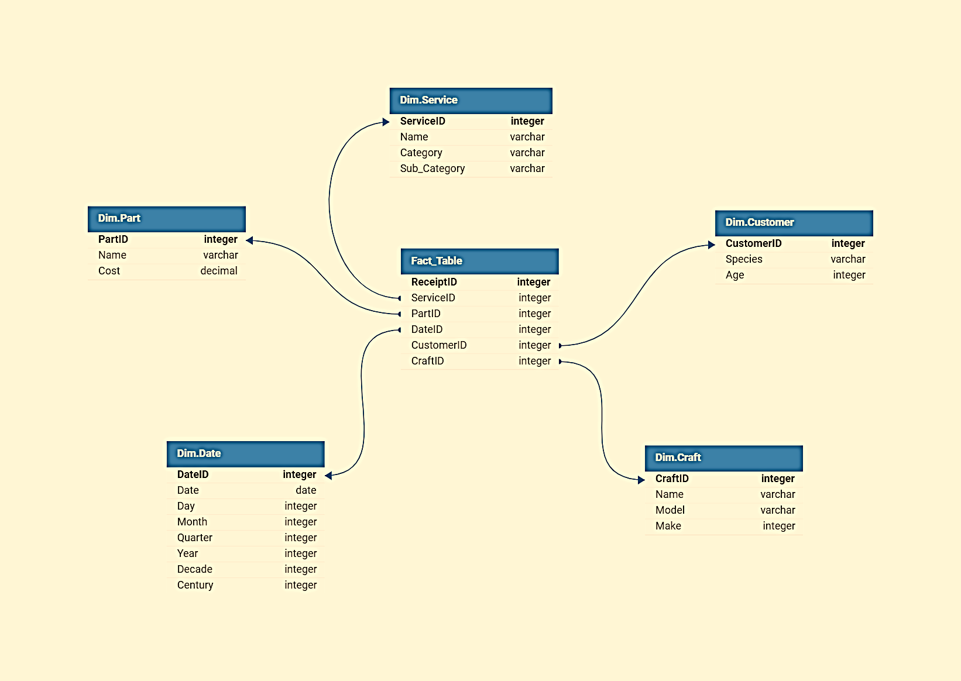
Service_Provided integer
Total_Cost integer
Business Question | SQL Query
What are the total sales of each service category in a specific year? | SELECT ds.Category, SUM(fp.Cost) AS Total_Sales FROM Fact_Table fp INNER JOIN Dim.Service ds ON fp.ServiceID = ds.ServiceID INNER JOIN Dim.Date dd ON fp.DateID = dd.DateID WHERE dd.Year = <specific_year> GROUP BY ds.Category;
Which part contributed the most to sales in a particular quarter? | SELECT dp.Name AS Part_Name, SUM(fp.Cost) AS Total_Sales FROM Fact_Table fp INNER JOIN Dim.Part dp ON fp.PartID = dp.PartID INNER JOIN Dim.Date dd ON fp.DateID = dd.DateID WHERE dd.Quarter = <specific_quarter> GROUP BY dp.Name ORDER BY Total_Sales DESC LIMIT 1;
How many transactions occurred for each service sub-category on a specific day? | SELECT ds.Sub_Category, COUNT(fp.ReceiptID) AS Transaction_Count FROM Fact_Table fp INNER JOIN Dim.Service ds ON fp.ServiceID = ds.ServiceID INNER JOIN Dim.Date dd ON fp.DateID = dd.DateID WHERE dd.Date = '<specific_date>' GROUP BY ds.Sub_Category;
What is the average age of customers who purchased a specific part in a given decade? | SELECT AVG(dc.Age) AS Average_Age FROM Fact_Table fp INNER JOIN Dim.Customer dc ON fp.CustomerID = dc.CustomerID INNER JOIN Dim.Date dd ON fp.DateID = dd.DateID WHERE dd.Decade = <specific_decade> GROUP BY dp.PartID;
Which crafts had the highest total sales in a specific month? | SELECT dc.Name AS Craft_Name, SUM(fp.Cost) AS Total_Sales FROM Fact_Table fp INNER JOIN Dim.Craft dc ON fp.CraftID = dc.CraftID INNER JOIN Dim.Date dd ON fp.DateID = dd.DateID WHERE dd.Month = <specific_month> GROUP BY dc.Name ORDER BY Total_Sales DESC;

