Arbitrage
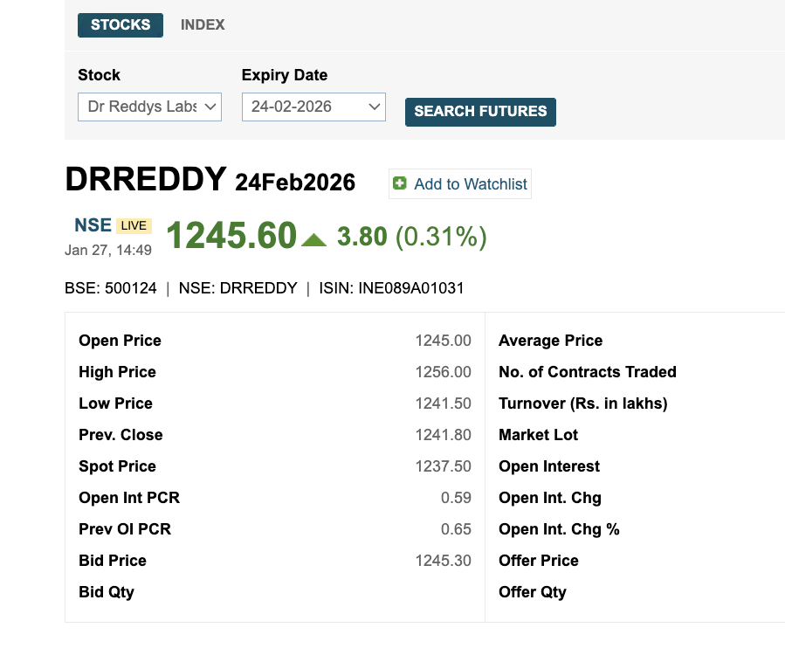
Underlying Asset | Dr Reddy's Lab
Expiry | 2026-02-24
Today | 2026-01-27
No of days | 28
Time | 0.076712328767
Assuming RFR | 8.45% | cc
Spot price | 1237.500
Futures price | 1245.5478
Actual Future price | 1245.6000
Actual Futures price > model price
Hence Futures price is overpriced.
Hence there is arbitrage
Arbitrage process:-
Sell the futures contract
Buy the Stock at Spot price
Arbitrage profit | 0.052232264079

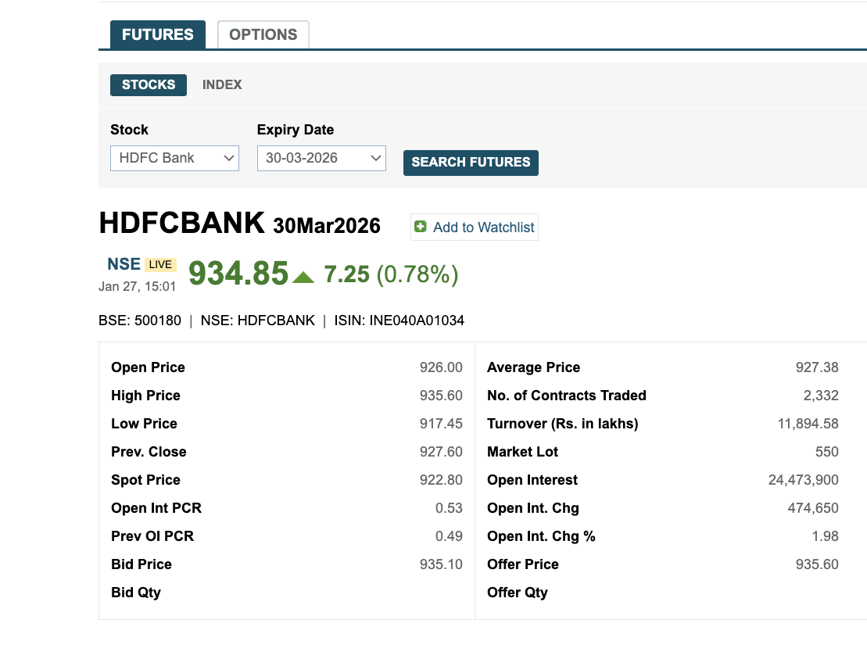
Calculating implied RFR
Spotprice | 922.8
Futures price | 934.85
Assume RFR | 7.64%
time to expiry
Expiry dAte | 2026-03-30
Today | 2026-01-27
time to expiry | 0.1698630137
Futures price | 934.84999827

