Table 1
API Solutions Website TestReport
Menu | Pass | Fail | Hold | Total | 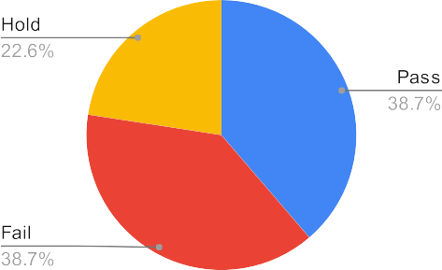
Signup Panel Login Panel | 1 1 | 0 1 | 2 4 | 3 6
Promo Code | 5 | 8 | 0 | 13
Conditional Delivery discount | 0 | 0 | 1 | 1
Add to Cart Visible Popup | 1 | 1 | 0 | 2
Popup Banner | 2 | 1 | 0 | 3
Order Confirmation Thanks Note Promo Code for Internal Staff | 2 0 | 0 1 | 0 0 | 2 1
Total | 12 | 12 | 7 | 31

