Bug_01
Category | Label | Value
Bug ID | ID number | #01
 | Name | Sign Up Screen - Email section allowing single letter gmail accounts
 | Reporter | Mustafa Günaydın
 | Submit Date | 2022-09-23
Bug overview | Summary | In the sign up screen, after filling the mobile phone number and name surname sections, email section allowed single letter gmail account and after the clicking Sign Up button it didn't give any warning
 | URL | https://getir.com/en/food/
 | Screenshot | 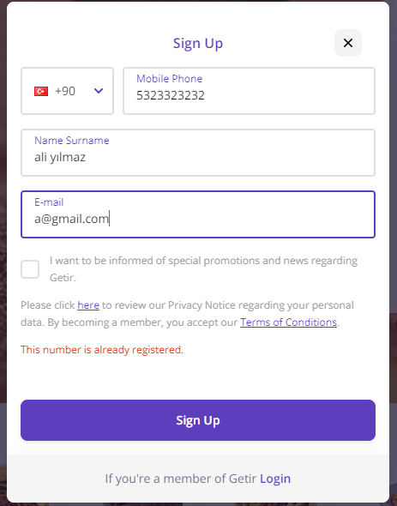
Environment | Platform | Windows
 | Operating System | Windows 10 Home Single Language
 | Browser | Chrome 104.0.5112.102
Bug details | Steps to reproduce | 1 - Navigate to getir.com. 2 - Click for sign up. 3 - Enter the phone number. 4 - Enter the name surname. 5 - Enter the single letter gmail account.
 | Expected result | Below the email section there is a warning about single letter gmail account.
 | Actual result | There is no warning about email.
 | Description | /
Bug tracking | Severity | Minor
 | Assigned to | /
 | Priority | Low
Notes | Notes | /

Bug_02
Category | Label | Value
Bug ID | ID number | #02
 | Name | Sign Up Screen - Email section allowing non-alphanumeric characters
 | Reporter | Mustafa Günaydın
 | Submit Date | 2022-09-23
Bug overview | Summary | In the sign up screen, after filling the mobile phone number and name surname sections, email section allowed non-alphanumeric characters and after the clicking Sign Up button it didn't give any warning
 | URL | https://getir.com/en/food/
 | Screenshot | 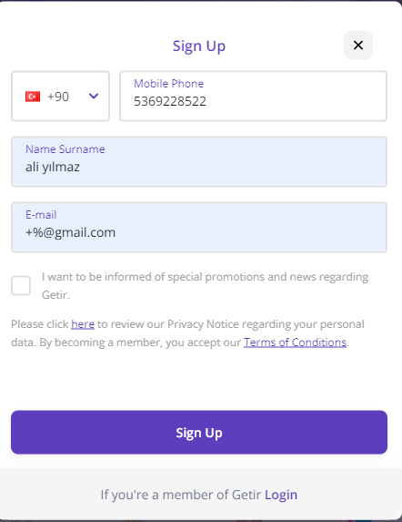
Environment | Platform | Windows
 | Operating System | Windows 10 Home Single Language
 | Browser | Chrome 104.0.5112.102
Bug details | Steps to reproduce | 1 - Navigate to getir.com. 2 - Click for sign up. 3 - Enter the phone number. 4 - Enter the name surname. 5 - Enter a gmail that contains non-alphanumeric characters
 | Expected result | Below the email section there is a warning about non-alphanumeric characters.
 | Actual result | There is no warning about email.
 | Description | /
Bug tracking | Severity | Minor
 | Assigned to | /
 | Priority | Low
Notes | Notes | /

