Daily Progress Dashoard
Daily Progress Dashboard

Project Progress Status
 | 1
Project Progress Report
Up to Plinth | 10%
Staff Details
 | Nos.
Staff (PMC) | 1
Staff (Civil Team) | 2
Staff (Electrical Team) | 0
Skilled | 23
Unskilled | 19
Driver, Operator, Helper | 1
Workers (Electrical Team)
Skilled | 0

Equipment Detail
 | JCB Backhoe
JCB Backhoe | 0
Tractor | 0
Hitachi Excavator | 0
Ajex | 1
Baby Roller/Plate Compactor | 0
Heavy Roller | 0
Farana | 0
Hydra | 0
Hyva | 0
Daily Material Record
 | Daily Material Details
Bag No. | 600.00
MT | 0.00
MT | 0.00
MT | 0.00
Nos. | 0.00
RMT | 0.00

Daily Material Consumption
 | Daily Material Consumption
Bag No. | 29.00
MT | 1.13
MT | 8.09
MT | 5.01
Nos. | 0.00
RMT | 0.00
Available Material Stock
Bag No. | 622.00
MT | 4.68
MT | 47.31
MT | 53.76
Nos. | 0.00

Site Photographs
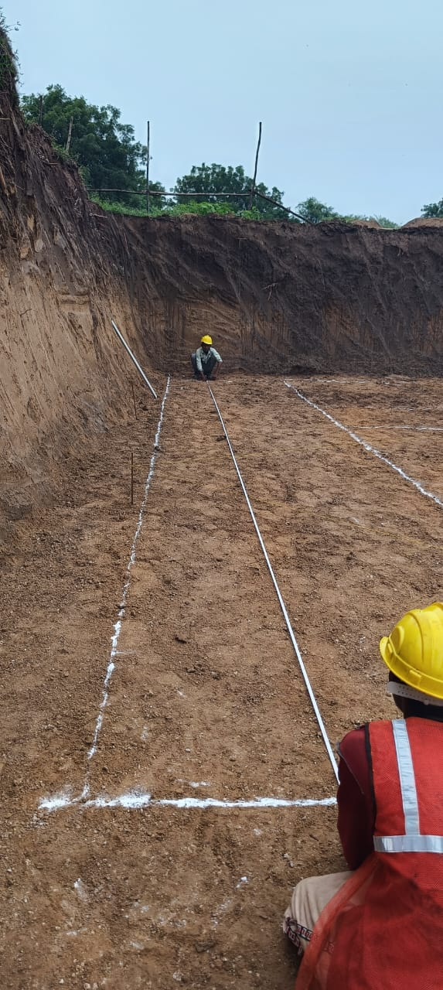
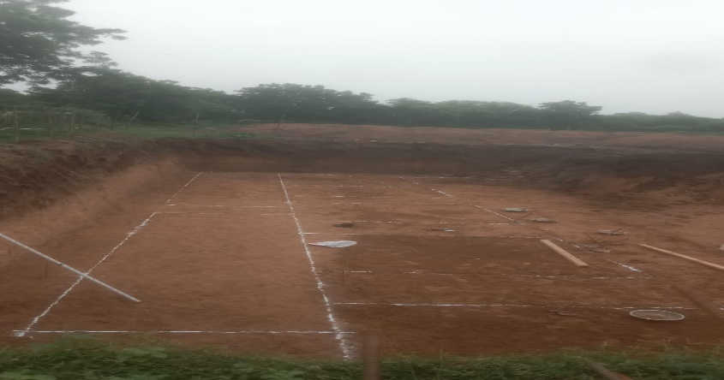
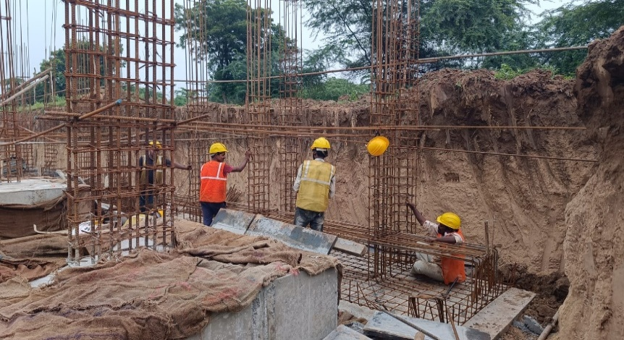
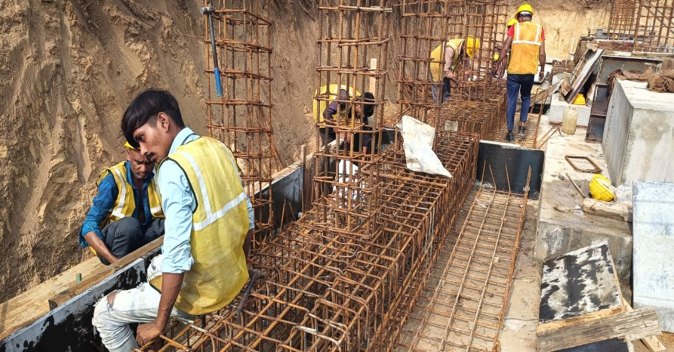
Site Photographs |  | Date : | 2026-07-14
Steel Work | Shuttering Work |  |  |  | Image Size Reference
 |  |  |  |  | Height | 5.12 cm
 |  |  |  |  | Width | 9.55 cm

 |  |  |  | steel work | 12.5
 |  |  |  | shuttering | 12.5
 |  |  |  |  | 12.5
 |  |  |  |  | 12.5
Curing Work | Slump Test
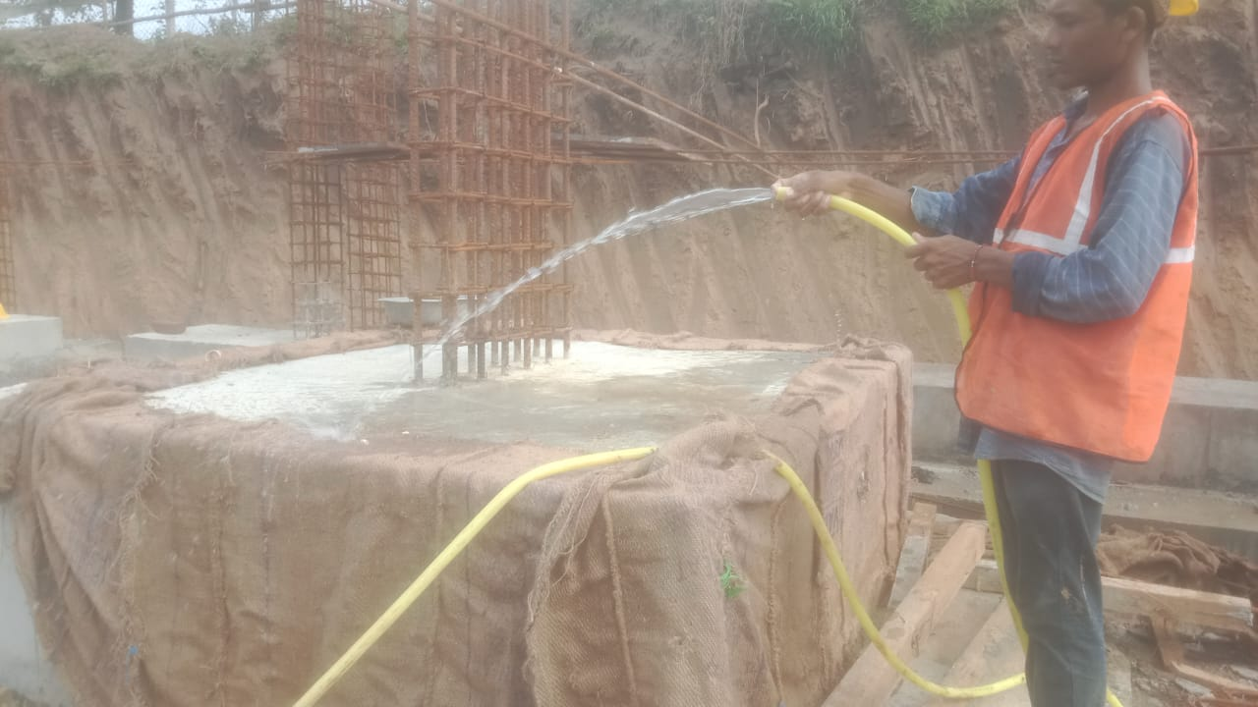
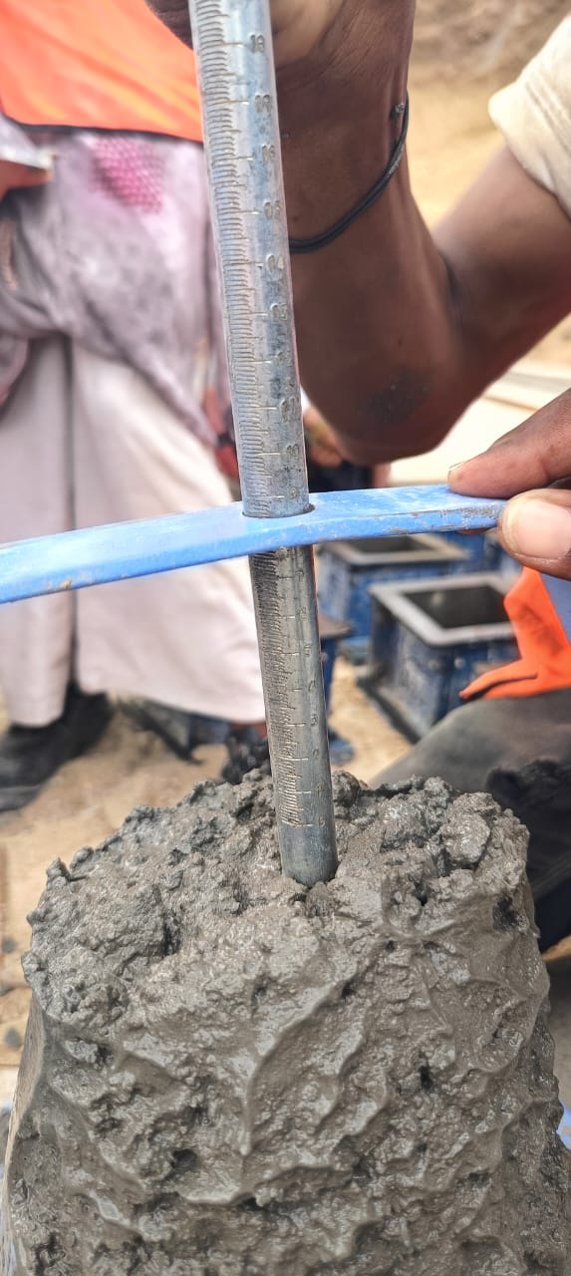

Footing Casting | PCC Casting
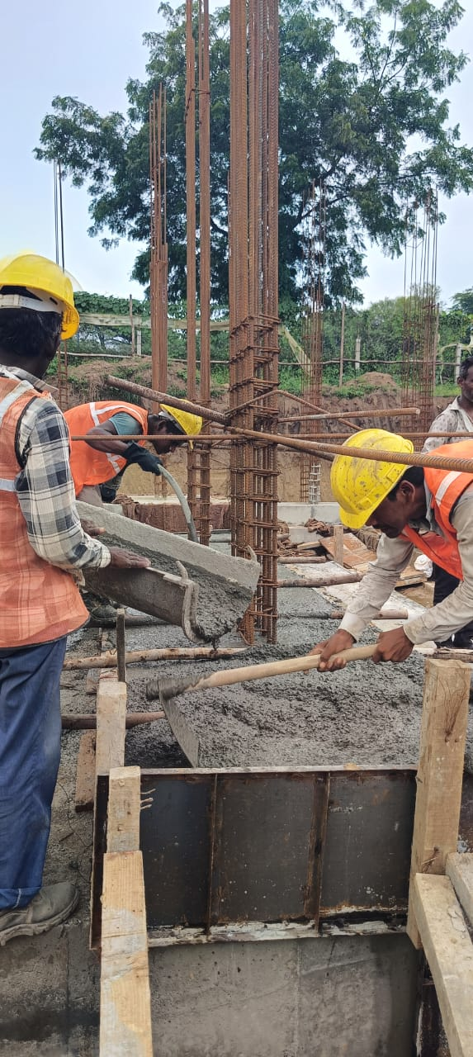
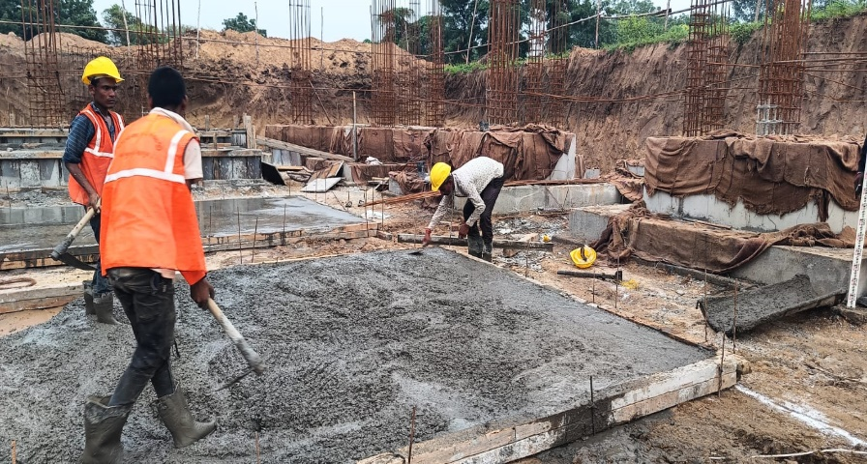

PCC Marking Checking | PCC Marking

