Intro.
 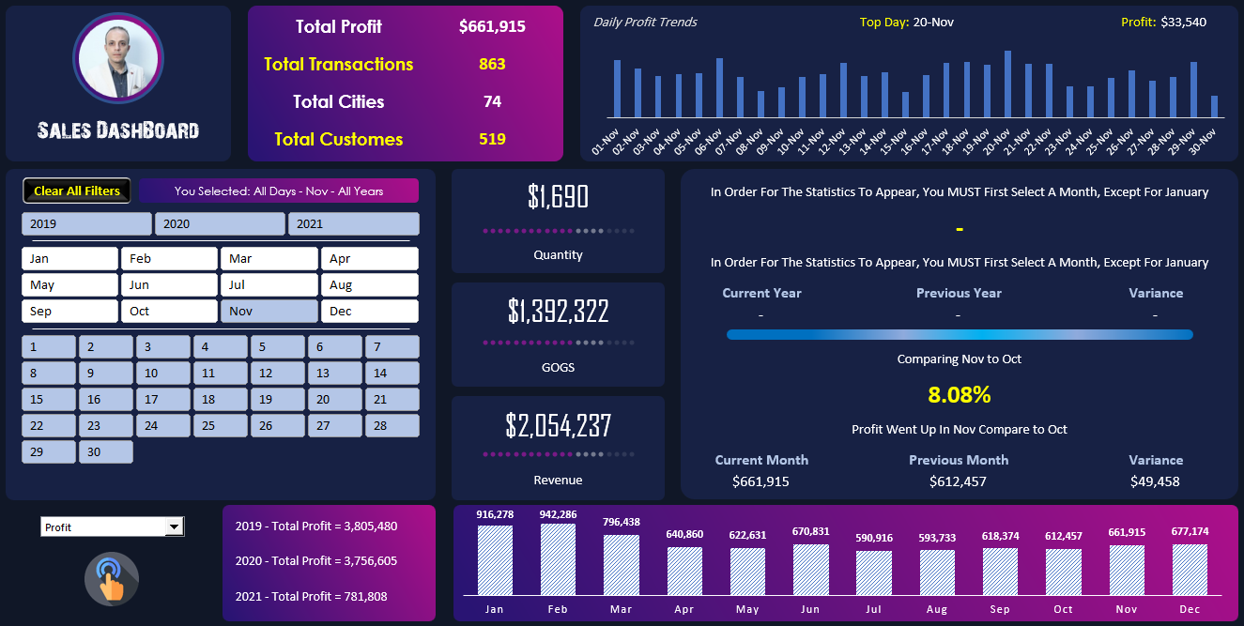
Essam AbdelRahman Elsayad
Microsoft Certified Trainer
Microsoft Certified Data Analyst
Mct.Esam@Gmail.Com
Business Requests:
+12138221948
+966560462783
+201274415629

Final DashBoard
Daly profit trends
Top Daly
24
Total Profit
$8,343,893
 | الإجمالي
1 | 23224
2 | 27830
3 | 30948
4 | 29562
5 | 31638
6 | 21549
7 | 33985
8 | 19232
9 | 35541
10 | 23317
11 | 35569
12 | 37210
13 | 34687
14 | 41053
15 | 34775
16 | 45337
17 | 22889
18 | 31092
19 | 29847
20 | 26198
21 | 24261
22 | 25623
23 | 25141
24 | 19996
25 | 26743
26 | 34783
27 | 31001
28 | 24682
29 | 30230
30 | 23277
31 | 35058
1 | 33374
2 | 34512
3 | 34328
4 | 31980
5 | 37874
6 | 28954
7 | 40472
8 | 35601
9 | 30682
10 | 23085
11 | 35186
12 | 24731
13 | 35111
14 | 22353
15 | 48143
16 | 21494
17 | 30549
18 | 37273
19 | 40494
...
Profit
$48,945

Total Transaction
10,889

Total Cities
75
Sales DashBoard
Total Customers
803

Overall
all days- all month- all years
21,078.00
in oder for the statistics to appear, you MUST First select A Year, Except For jan
-

Quantity
in oder for the statistics to appear, you MUST First select A Year, Except For 2019

Current Year
preious Year
Variance
$17,317,316
-
-
-

in oder for the statistics to appear, you MUST First select A Month, Except For jan
COGS
-
in oder for the statistics to appear, you MUST First select A Month, Except For jan
$25,661,209

Current Month
preious Month
Variance
Revenue
-
-
-

2019-Total Revenue = 11,690,763
 | Revenue
Jan | 2869155
Feb | 2879844
Mar | 2428737
Apr | 1939068
May | 1877234
Jun | 2067005
Jul | 1831609
Aug | 1810358
Sep | 1953297
Oct | 1898703
Nov | 2054237
Dec | 2051962

2020-Total Revenue = 11,565,545

2021-Total Revenue = 2,404,901

