Monthly_Summary
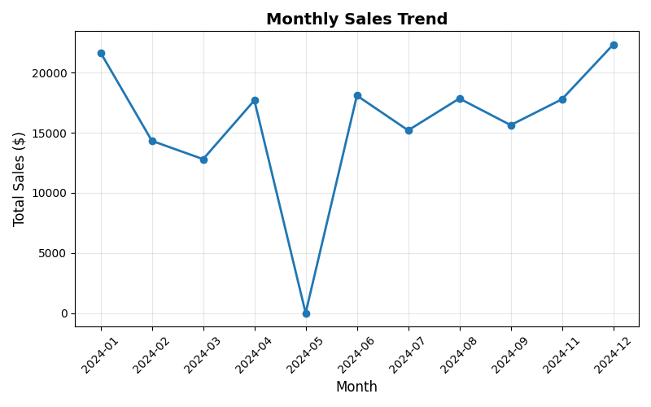
Month | Total_Sales | Order_Count | Avg_Sale
2024-01 | 21,665.32 | 49 | 442.15
2024-02 | 14,329.58 | 19 | 754.19
2024-03 | 12,804.63 | 16 | 800.29
2024-04 | 17,697.89 | 20 | 884.89
2024-05 | 0.00 | 20 | 0.00
2024-06 | 18,095.77 | 23 | 786.77
2024-07 | 15,203.42 | 19 | 800.18
2024-08 | 17,853.56 | 19 | 939.66
2024-09 | 15,638.95 | 20 | 781.95
2024-11 | 17,786.32 | 20 | 889.32
2024-12 | 22,334.74 | 20 | 1,116.74

