Sales by Branch
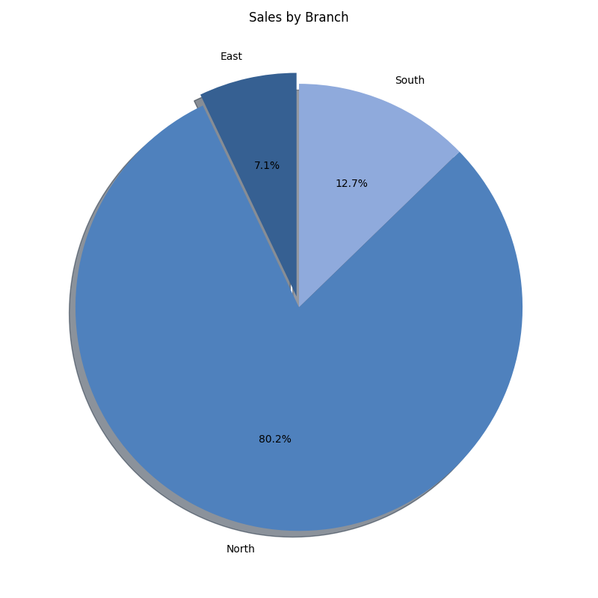
Branch | Total_Sales | Order_Count | Avg_Sale
East | 550.00 | 2 | 275
North | 6,230.00 | 6 | 1038.3333333
South | 990.00 | 4 | 247.5
GRAND TOTAL | 7,770.00 | 12 | 520.27777778

Monthly Summary
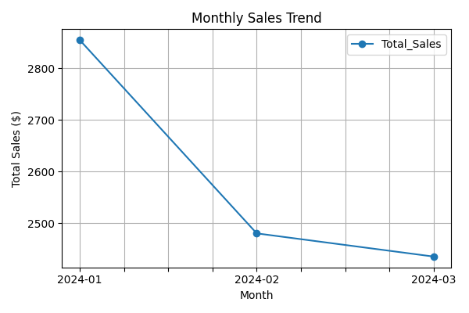
Month | Total_Sales | Order_Count | Avg_Sale
2024-01 | 2,855.00 | 5 | 571
2024-02 | 2,480.00 | 4 | 620
2024-03 | 2,435.00 | 3 | 811.66666667
GRAND TOTAL | 7,770.00 | 12 | 667.55555556

