Example1
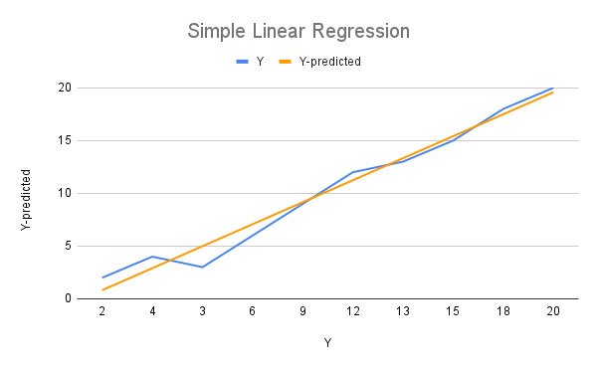
X | Y | Y-predicted | Standard deviation x= | 3.027650354
1 | 2 | 0.8181818182 | Standard deviation y= | 6.390965846
2 | 4 | 2.903030303 | Average x= | 5.5
3 | 3 | 4.987878788 | Average y= | 10.2
4 | 6 | 7.072727273 | Correlation x & y= | 0.9876742273
5 | 9 | 9.157575758 | B1= | 2.084848485
6 | 12 | 11.24242424 | B0= | -1.266666667
7 | 13 | 13.32727273
8 | 15 | 15.41212121
9 | 18 | 17.4969697
10 | 20 | 19.58181818

Example2
Simple Linear Regression
X | Y | Y-predicted | Standard deviation x= | 5.840014489
73.5 | 1.49 | 1.484677192 | Standard deviation y= | 0.06549613416
75 | 1.5 | 1.501453341 | Average x= | 83.19230769
76.5 | 1.51 | 1.51822949 | Average y= | 1.593076923
79 | 1.54 | 1.546189738 | Correlation x & y= | 0.9972390346
81.5 | 1.58 | 1.574149986 | B1= | 0.01118409924
82.5 | 1.59 | 1.585334085 | B0= | 0.6626458979
84 | 1.6 | 1.602110234
85 | 1.62 | 1.613294333
86.5 | 1.63 | 1.630070482
87.5 | 1.64 | 1.641254581
89 | 1.66 | 1.65803073
90 | 1.67 | 1.669214829
91.5 | 1.68 | 1.685990978

