Sheet1
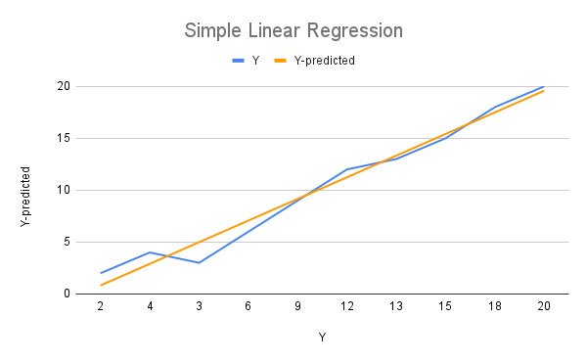
X | Y | Y-predicted | Standard deviation x= | 3.027650354
1 | 2 | 0.8181818182 | Standard deviation y= | 6.390965846
2 | 4 | 2.903030303 | Average x= | 5.5
3 | 3 | 4.987878788 | Average y= | 10.2
4 | 6 | 7.072727273 | Correlation x & y= | 0.9876742273
5 | 9 | 9.157575758 | B1= | 2.084848485
6 | 12 | 11.24242424 | B0= | -1.266666667
7 | 13 | 13.32727273
8 | 15 | 15.41212121
9 | 18 | 17.4969697
10 | 20 | 19.58181818

