OCA Ebook
Writing a Main() medthod

Về vấn đề khởi tạo hoặc thực hiện expression inside class

Can we override a static method?
 | No, we cannot override static methods because method overriding is based on dynamic binding at runtime
 |  | and the static methods are bonded using static binding at compile time. So, we cannot override static methods.

 | The calling of method depends upon the type of object that calls the static method. It means:
 |  |  | If we call a static method by using the parent class object, the original static method will be called from the parent class.
 |  |  | If we call a static method by using the child class object, the static method of the child class will be called.
 | https://www.javatpoint.com/can-we-override-static-method-in-java#:~:text=Can%20we%20override%20a%20static,static%20binding%20at%20compile%20time.&text=If%20we%20call%20a%20static%20method%20by%20using%20the%20child,child%20class%20will%20be%20called.
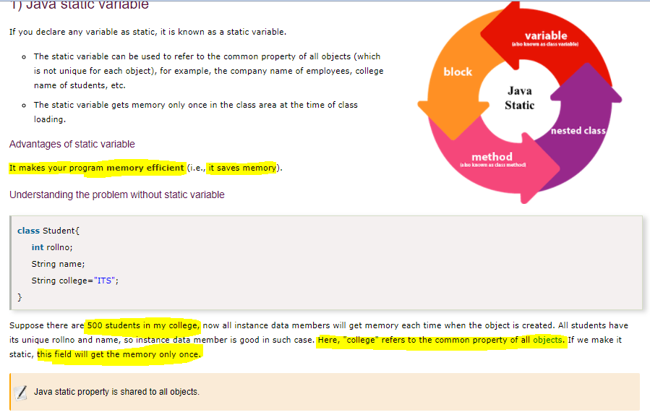

 | Static method accessed directly in static and non-static method

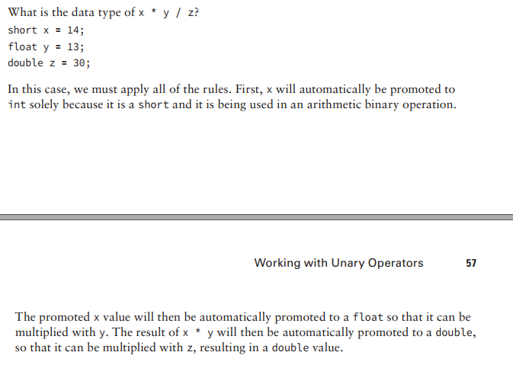

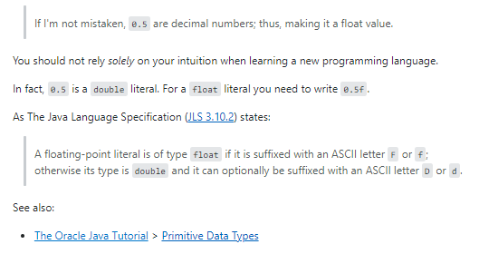

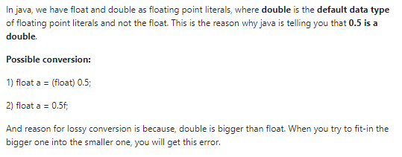

 | short x = 14;
 | float y = (float)13.12356;
 | double z = 30.15;
 | String k = String.format("%.2f",(x + y + z));
 | System.out.println("result : " + k);

 | using String.format to format double value into specifcied decimal spaces

Sheet2
PhoneBookApp |  | PhoneBook | PhoneBookEntry | PhoneBookManager

phoneBookFileName |  | fileName | name | save()
phoneBook |  | entriesMap | number | PhoneBook load(String fileName)
UserOption |  | AddContactResult | isNew | getFileNameWithExtension()
loadPhoneBook() |  | numUnsavedChanges |  | closeCloseable()
showMenu() |  | getEntries() | setNumber()
handleUserMenuSelection() |  | getNumUnsavedChanges() | getName()
 |  | addContact() | setIsNew()
 |  | getFileName()
 |  | getSize()
 |  | addFromDisk()
 |  | deleteContact()
DATA MODEL
(Key, Value)
 |  | display()
Type : HashMap ()
Methods(): add, getEntries, ...
 |  | isValidName(String name)
 |  | isValidPhoneNumber(String number)
 |  | save()
 |  | PhoneBook load(String fileName)

PhoneBook | datamodel for phonebook
PhoneBookFileManager | -> saving and loading a phone book to and from a file on disk
PhoneBookEntry | Storing data into phonebook

PhoneBook Features | View contacts
 | Add contacts
 | Delete contact
 | Save
 | Save and quit
 | Quit withou save

