create
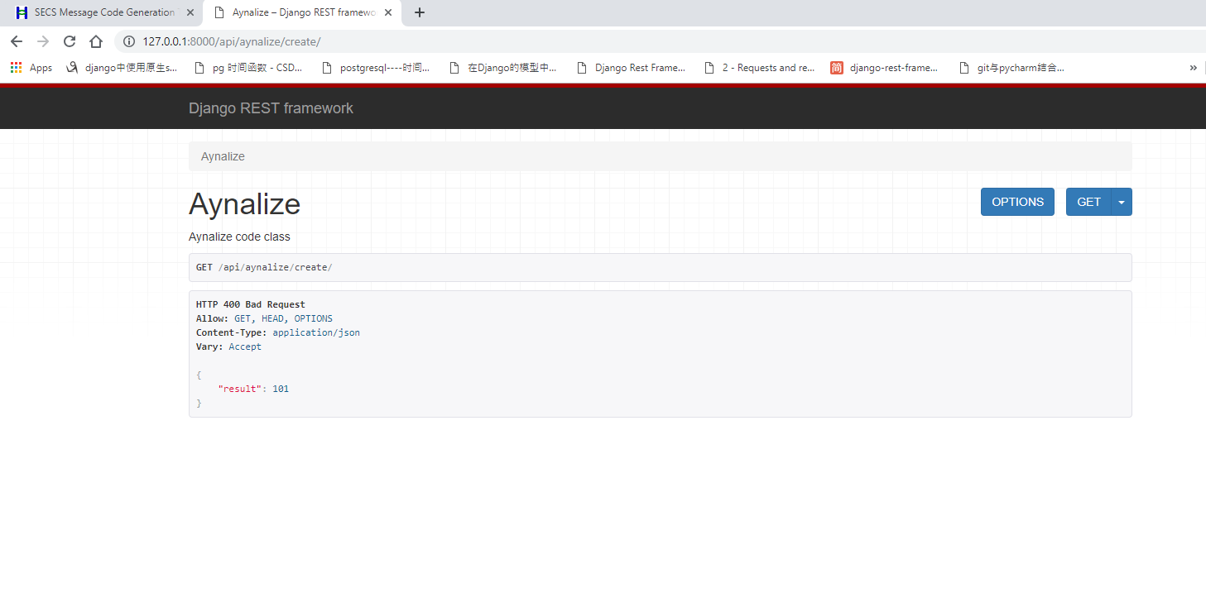
1.success
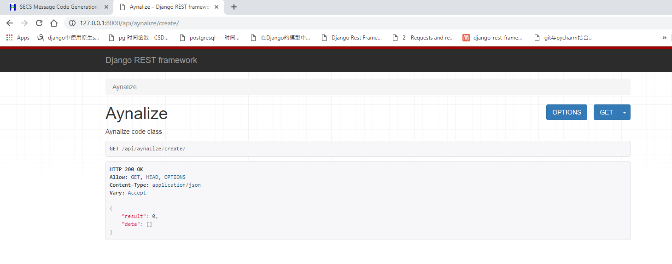

2.success - create error
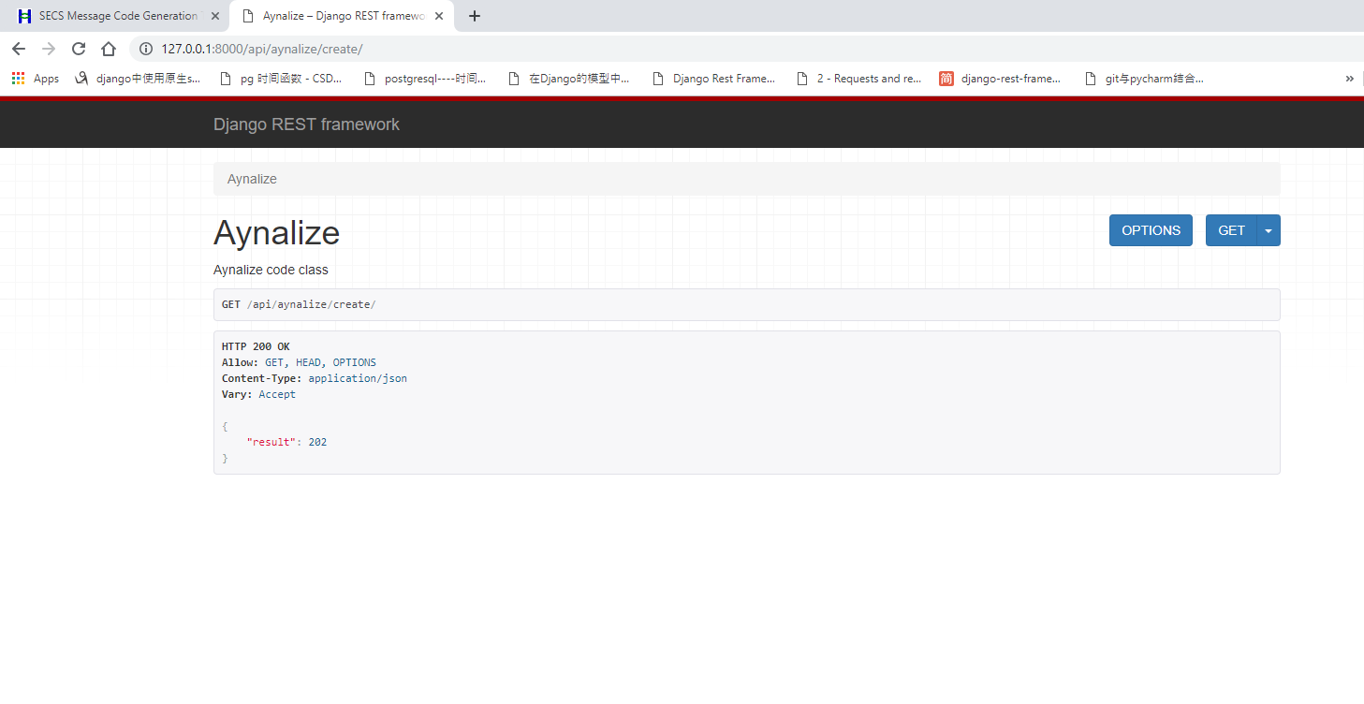

3. fail

get
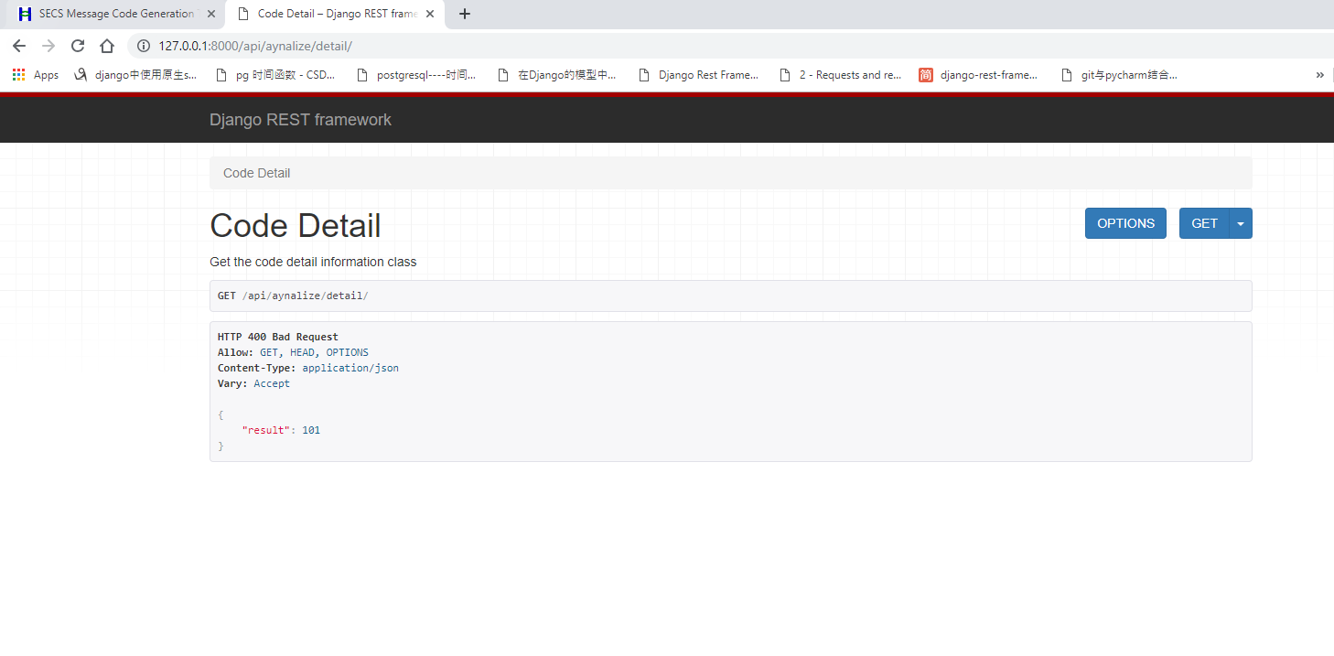
1.success
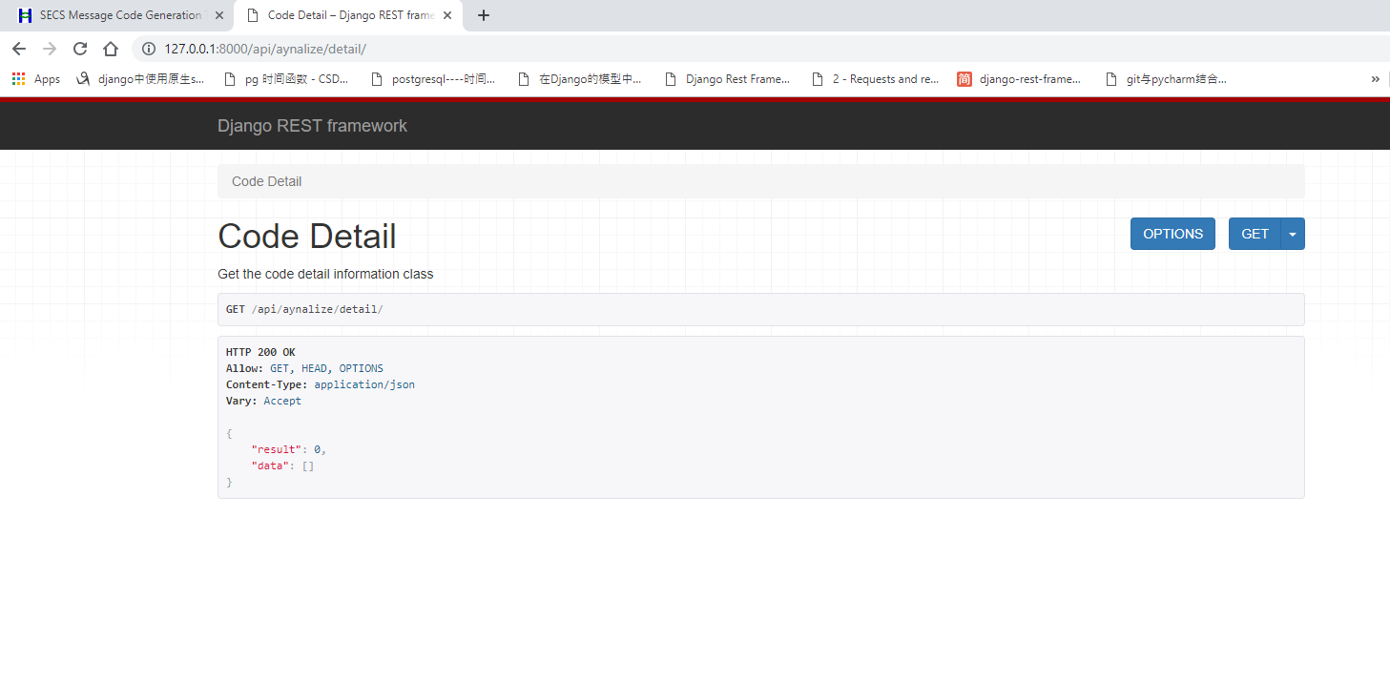

2.success - read error
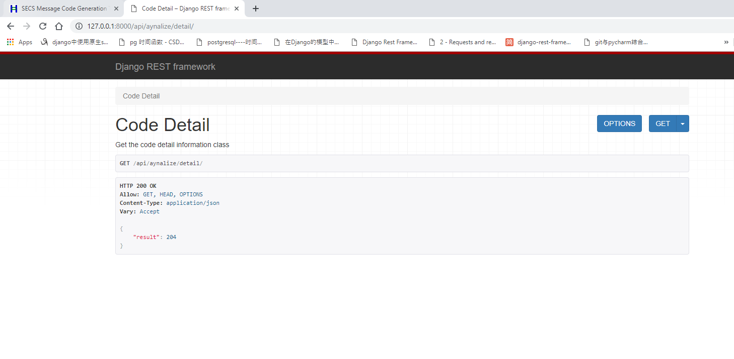

3. fail

constructor
[
{
'fileName': '',
'funcDetail': [
{
'name' : '',
'params' : '',
'body' : '',
'line' : '',
'fileName': '',
},
...
]
},
...
]

