Tabelle1
Patient | FINAL | scRNA-seq | pathology
P1 | LUSC | LUSC | LUSC
P2 | LUAD | LUAD | LUAD
P3 | LUSC | LUSC | LUSC
P4 | LUSC | LUSC | LUSC
P5 | LUAD | LUAD | LUAD
P6 | LUSC | LUSC | NSCLC
P7 | LUSC | LUSC | LUSC
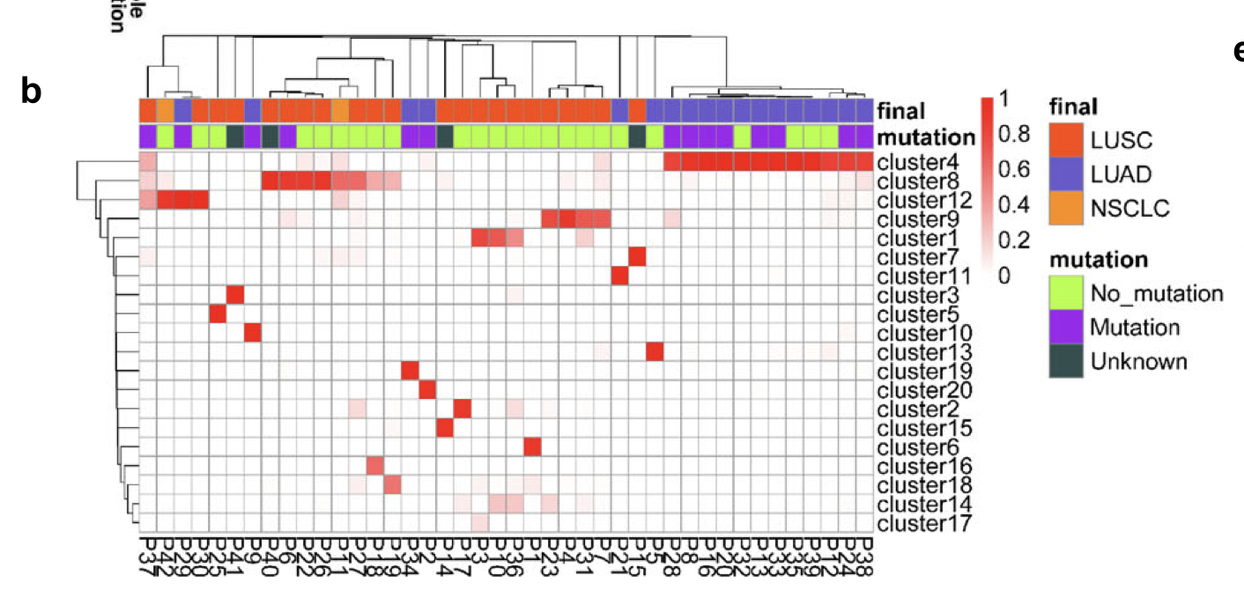
P8 | LUAD | LUAD | LUAD
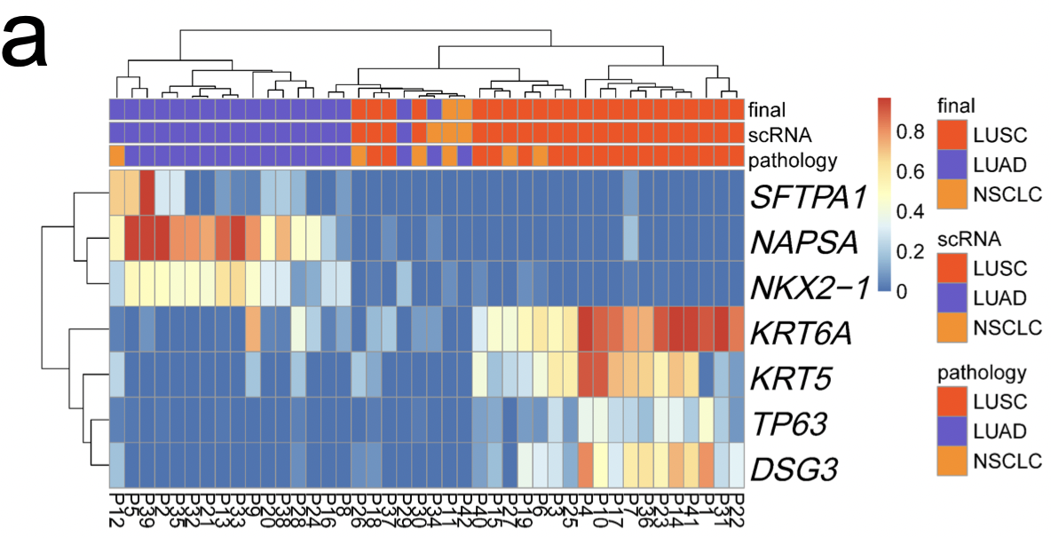
P9 | LUAD | LUAD | LUAD
P10 | LUSC | LUSC | LUSC
P11 | NSCLC | NSCLC | NSCLC
P12 | LUAD | LUAD | NSCLC
P13 | LUAD | LUAD | LUAD
P14 | LUSC | LUSC | LUSC
P15 | LUSC | LUSC | LUSC
P16 | LUAD | LUAD | LUAD
P17 | LUSC | LUSC | LUSC
P18 | LUSC | LUSC | LUSC
P19 | LUSC | LUSC | LUSC
P20 | LUAD | LUAD | LUAD
P21 | LUAD | LUAD | LUAD
P22 | LUSC | LUSC | LUSC
P23 | LUSC | LUSC | LUSC
P24 | LUAD | LUAD | LUAD
P25 | LUSC | LUSC | LUSC
P26 | LUSC | LUSC | NSCLC
P27 | LUSC | LUSC | NSCLC
P28 | LUAD | LUAD | LUAD
P29 | LUAD | LUAD | LUAD
P30 | LUSC | LUSC | NSCLC
P31 | LUSC | LUSC | LUSC
P32 | LUAD | LUAD | LUAD
P33 | LUAD | LUAD | LUAD
P34 | LUAD | NSCLC | LUAD
P35 | LUAD | LUAD | LUAD
P36 | LUSC | LUSC | LUSC
P37 | LUSC | LUSC | LUSC
P38 | LUAD | LUAD | LUAD
P39 | LUAD | LUAD | LUAD
P40 | LUSC | LUSC | LUSC
P41 | LUSC | LUSC | LUSC
P42 | NSCLC | NSCLC | LUAD

