FlapjackCols
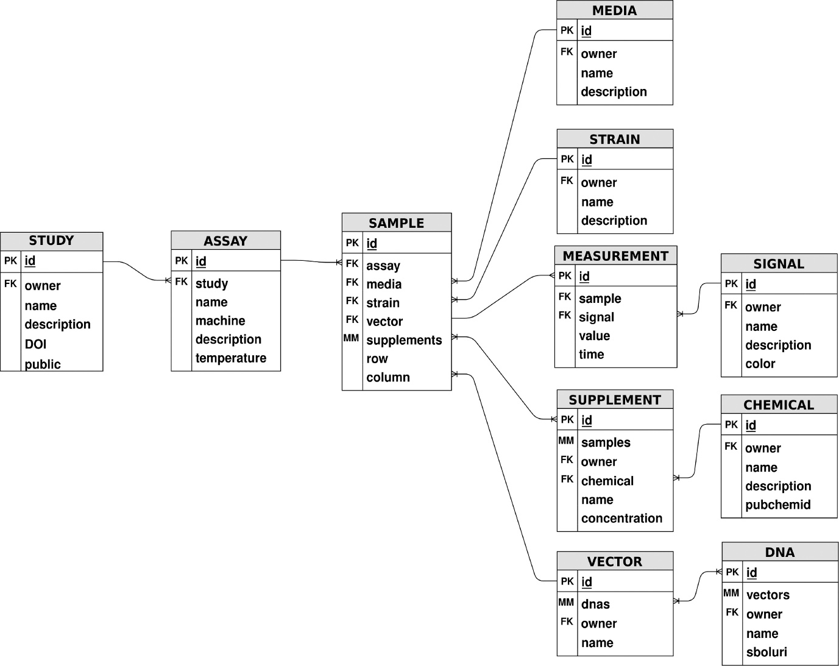
Sheet Name | FlapjackObject | ColName | FlapjackName
Chemicals | Chemical | Chemical Name | name
Chemicals | Chemical | Chemical Description | description
Chemicals | Chemical | PubMed ID | pubchemid

