page_objects
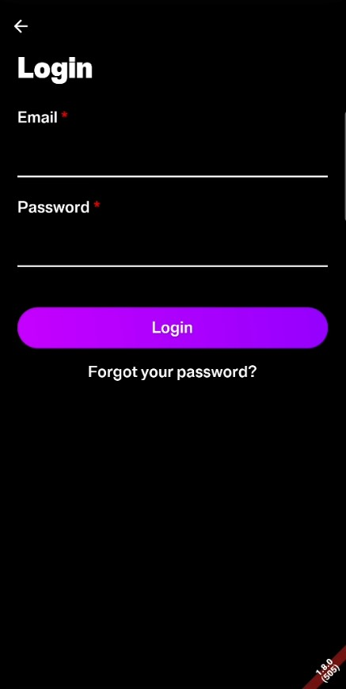
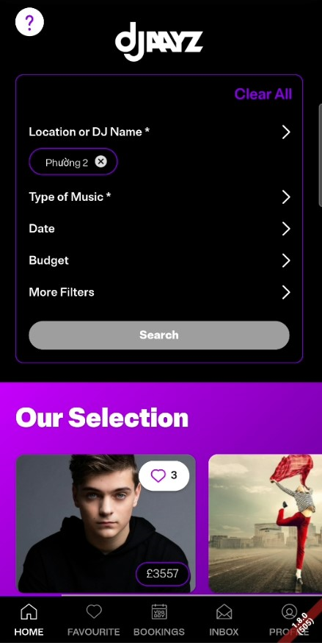
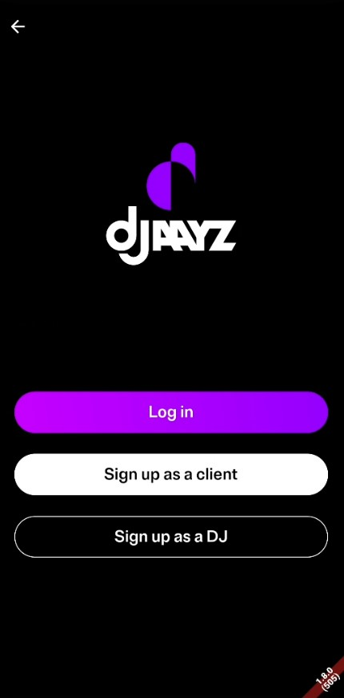
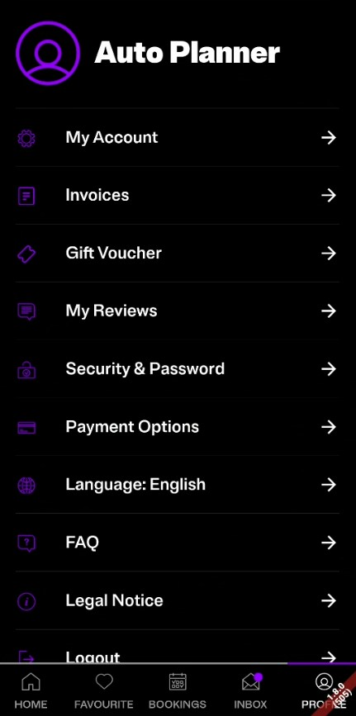

btnClear
lblUserName

optLocation
optMyAcc
txtEmail

optInvoices

optTypeOfMusic

txtPass
optDate
optVoucher

optBudget
optMyReview
optMore
btnLogin
optSecurity
btnSearch

btnForgotPass
btnLogin
optPayment

btnPlannerSignUp
optLanguage

icoHeart
optFAQ
btnDJSignUp

optLegal

icoHome
icoFav
icoBocking
icoInbox
icoProfile
optLogout

