text_tag_list
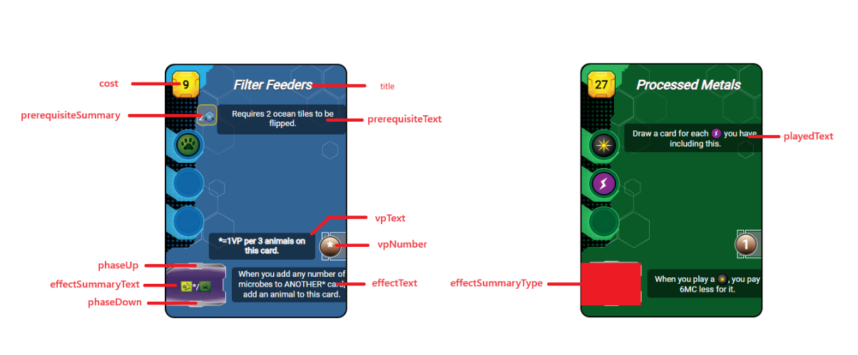
synthax : | description | ressources : |  | tags: | other: | description
$ressource_ANY$ |  | animal | $ressource_animal$ | building | arrow | (fleche d'activiation rouge)
$tag_ANY$ |  | heat |  | space | forest
$other_ANY$ |  | megacredit |  | science | ocean
$skipline$ | permet un saut de ligne | megacreditvoid | $ressource_megacreditvoid_NUMERICVALUE$ | power | oxygen
$mix$ | permet un saut pour rendre hybride la zone de production | microbe |  | earth | infrastructure
 |  | plant |  | jovian | tr | (badge de NT)
 |  | power |  | plant | milestone
 |  | science |  | animal | temperature
 |  | steel |  | microbe | objective
 |  | titanium |  | wild | researchcard
 |  | card |  | event | researchcard2
 |  |  |  |  | researchsymbol | carte ID 36
 |  |  |  |  | bluecard
 |  |  |  |  | greencard
 |  |  |  |  | redcard
 |  |  |  |  | discard
 |  |  |  |  | sellcard
 |  |  |  |  | researchcard

pistes dameliorations
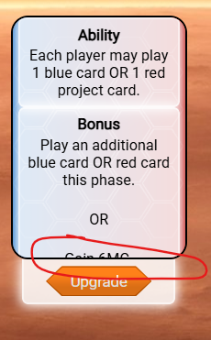
menu upgrade : toujours montrer la carte current upgrade | bug d'eventstate: | add tr
 |  | increase global param ocean
le disable foreground dépasse sur la zone activable
description phase card development ne précise pas la limitation de 9MC
verifier l'eventstate de la carte 3
montrer les cartes jouées par les autres joueurs sous les siennes
passer la discard de P06 optionnelle

montrer reductions sur cartes et tags
2eme builder vert check le cout actuel et non initial !
améliorer visuellement les conversions plantes/heat obligatoires en phase action
bouton de rollback disparait pendant le waiting players
waiting players ne s'affiche pas tant qu'on a pas refresh

P05 n'affiche pas son scale dans la barre de prod
breathing filter peut etre build avec oxygen a red au max
probleme de repioche avec draw query event qui n'est pas "tué"
une phase upgradée doit pouvoir etre upgradée de nouveau
display other player production
reparse
P03 Diverse habitat not implemented
compteur de carte jouées pour tous les joueurs
symbiotic fungus cost blocked
action phase card III.1 not scanning
can still convert heat to gain temperature (and pbly other similar) and nt while param started as full

