text_tag_list
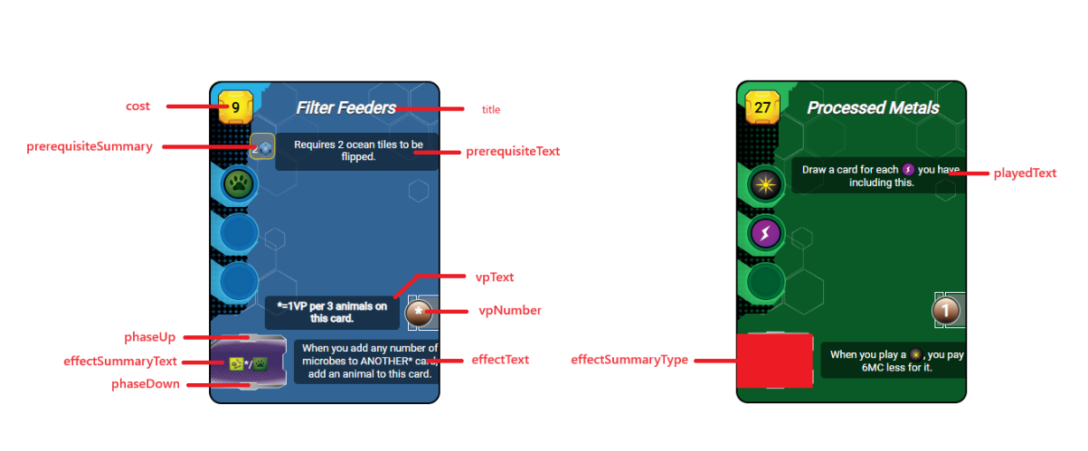
synthax : | description | ressources : |  | tags: | other: | description
$ressource_ANY$ |  | animal | $ressource_animal$ | building | arrow | (fleche d'activiation rouge)
$tag_ANY$ |  | heat |  | space | forest
$other_ANY$ |  | megacredit |  | science | ocean
$skipline$ | permet un saut de ligne | megacreditvoid | $ressource_megacreditvoid_NUMERICVALUE$ | power | oxygen
$mix$ | permet un saut pour rendre hybride la zone de production | microbe |  | earth | infrastructure
 |  | plant |  | jovian | tr | (badge de NT)
 |  | power |  | plant | milestone
 |  | science |  | animal | temperature
 |  | steel |  | microbe | objective
 |  | titanium |  | wild | researchcard
 |  | card |  | event | researchcard2
 |  |  |  |  | researchsymbol | carte ID 36
 |  |  |  |  | bluecard
 |  |  |  |  | greencard
 |  |  |  |  | redcard
 |  |  |  |  | discard
 |  |  |  |  | sellcard
 |  |  |  |  | researchcard

pistes dameliorations
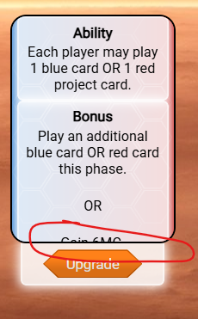
le disable foreground dépasse sur la zone activable | bug d'eventstate: | add ressource to selected card
montrer reductions sur cartes et tags
améliorer visuellement les conversions plantes/heat obligatoires en phase action
bouton de rollback disparait pendant le waiting players
display other player production
compteur de carte jouées pour tous les joueurs
le texte en planification ne tient pas compte de la phase améliorée
afficher les réductions totales de chaque joueur sur les tags correspondants (sur les cartes de la main pour les reducs globales)
ajouter le comptage de la phase upgradée directement pendant l'upgrade, pas en fin de phase au moment de la prise en compte de l'update
ajouter une priorité de résolution des triggers
point de regle : doit-on vider ses plantes/heat meme lorsque le parametre global associé est à fond ? : NON

