text_tag_list
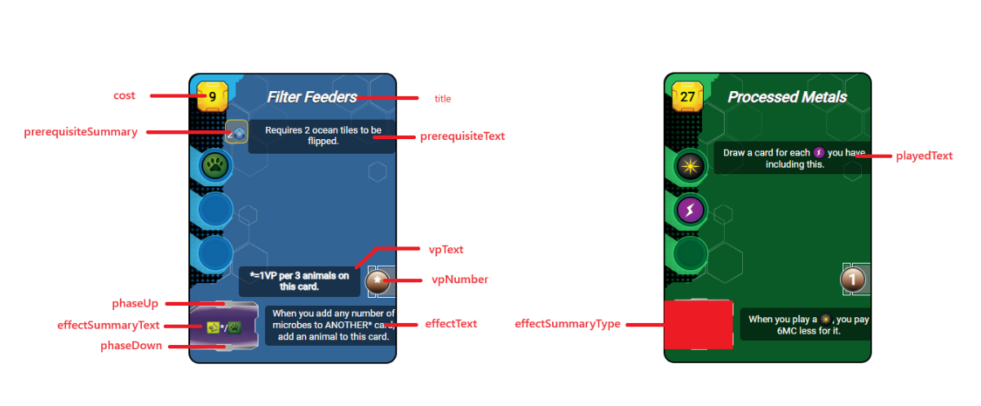
synthax : | description | ressources : |  | tags: | other: | description
$ressource_ANY$ |  | animal | $ressource_animal$ | building | arrow | (fleche d'activiation rouge)
$tag_ANY$ |  | heat |  | space | forest
$other_ANY$ |  | megacredit |  | science | ocean
$skipline$ | permet un saut de ligne | megacreditvoid | $ressource_megacreditvoid_NUMERICVALUE$ | power | oxygen
$mix$ | permet un saut pour rendre hybride la zone de production | microbe |  | earth | infrastructure
 |  | plant |  | jovian | tr | (badge de NT)
 |  | power |  | plant | milestone
 |  | science |  | animal | temperature
 |  | steel |  | microbe | objective
 |  | titanium |  | wild | researchcard
 |  | card |  | event | researchcard2
 |  |  |  |  | researchsymbol | carte ID 36
 |  |  |  |  | bluecard
 |  |  |  |  | greencard
 |  |  |  |  | redcard
 |  |  |  |  | discard
 |  |  |  |  | sellcard
 |  |  |  |  | researchcard

pistes dameliorations
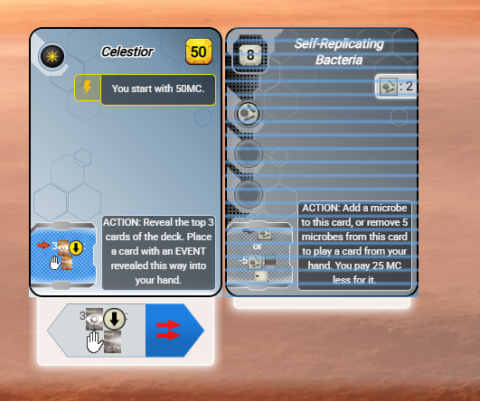
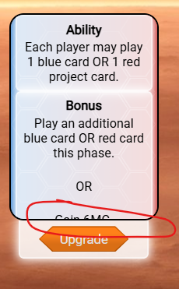
display discount while research phase | bug d'eventstate: | add ressource to selected card
wild card event not saved
bacterial aggregate not working
decomposers partent en négatif

idée :
dans les builders, ajouter un bouton qui augmente le discount pour les cartes qui permettent de payer avec un coût alternatif

phase action 3.1

