PT1
Top 7 App Genres
Row Labels | Count of app_genre
Education | 20
Entertainment | 32
Food & Drink | 9
Games | 189
Photo & Video | 10
Productivity | 15
Social Networking | 16
Sports | 9
Travel | 9
Grand Total | 309

PT2
Row Labels | Count of play_content_rating
Everyone | 237
Everyone 10+ | 39
Mature 17+ | 11
App Content Rating
Teen | 66
Grand Total | 353

Dashboard
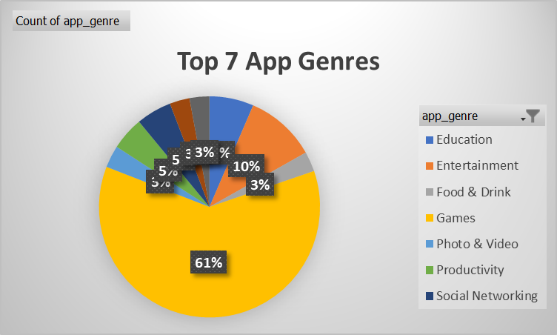

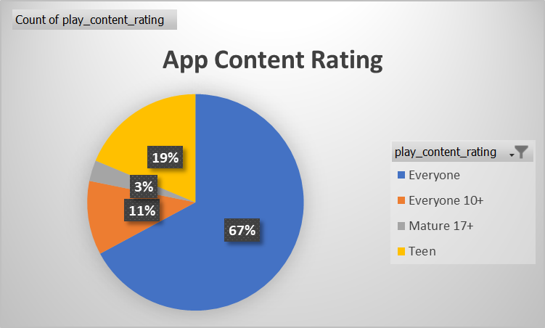

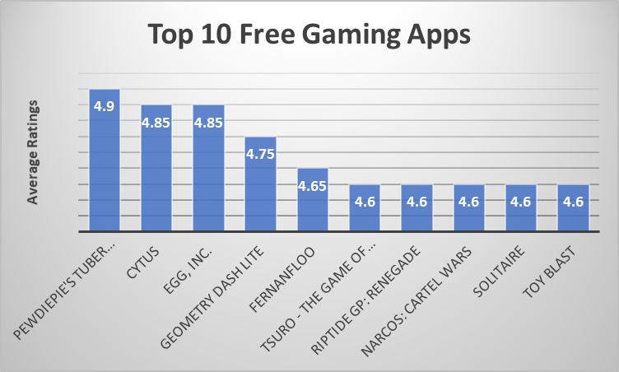

App_Trader_Data
name | avg_rating | lifespan_months | revenue | avg_price | app_genre | play_content_rating
PewDiePie's Tuber Simulator | 4.9 | 132 | 198000 | $0.00 | Games | Teen
Cytus | 4.85 | 132 | 198000 | $0.99 | Games | Everyone
Egg, Inc. | 4.85 | 132 | 198000 | $0.00 | Games | Everyone
Geometry Dash Lite | 4.75 | 132 | 198000 | $0.00 | Games | Everyone
Fernanfloo | 4.65 | 120 | 180000 | $0.00 | Games | Everyone 10+
Tsuro - The Game of the Path | 4.6 | 120 | 180000 | $2.99 | Games | Everyone | name
Riptide GP: Renegade | 4.6 | 120 | 180000 | $2.99 | Games | Everyone 10+ | PewDiePie's Tuber Simulator
Narcos: Cartel Wars | 4.6 | 120 | 180000 | $0.00 | Games | Teen | Cytus
Solitaire | 4.6 | 120 | 180000 | $0.00 | Games | Everyone | Egg, Inc.
Toy Blast | 4.6 | 120 | 180000 | $0.00 | Games | Everyone | Geometry Dash Lite
Top 10 Free Gaming Apps
 | avg_rating
PewDiePie's Tuber Simulator | 4.9
Cytus | 4.85
Egg, Inc. | 4.85
Geometry Dash Lite | 4.75
Fernanfloo | 4.65
Tsuro - The Game of the Path | 4.6
Riptide GP: Renegade | 4.6
Narcos: Cartel Wars | 4.6
Solitaire | 4.6
Toy Blast | 4.6
Where's My Water? | 4.6 | 120 | 180000 | $1.99 | Games | Everyone | Narcos: Cartel Wars
Retro City Rampage DX | 4.6 | 120 | 180000 | $3.99 | Games | Teen | Solitaire
Zombie Catchers | 4.6 | 120 | 180000 | $0.00 | Games | Everyone | Toy Blast
Five Nights at Freddy's 3 | 4.6 | 120 | 180000 | $2.99 | Games | Teen
Township | 4.55 | 120 | 180000 | $0.00 | Games | Everyone
Bloons TD 5 | 4.55 | 120 | 180000 | $2.99 | Games | Everyone
Hitman Sniper | 4.55 | 120 | 180000 | $0.99 | Games | Mature 17+
Angry Birds Blast | 4.55 | 120 | 180000 | $0.00 | Games | Everyone |  | name | avg_rating
Five Nights at Freddy's 2 | 4.55 | 120 | 180000 | $2.99 | Games | Teen |  | PewDiePie's Tuber Simulator | 4.9
MARVEL Future Fight | 4.55 | 120 | 180000 | $0.00 | Games | Everyone 10+ |  | Cytus | 4.85
Five Nights at Freddy's | 4.55 | 120 | 180000 | $2.99 | Games | Teen |  | Egg, Inc. | 4.85
Choices: Stories You Play | 4.55 | 120 | 180000 | $0.00 | Games | Teen |  | Geometry Dash Lite | 4.75
Choices: Stories You Play | 4.55 | 120 | 180000 | $0.00 | Games | Teen |  | Fernanfloo | 4.65
Score! Hero | 4.55 | 120 | 180000 | $0.00 | Games | Everyone |  | Tsuro - The Game of the Path | 4.6
Clash of Clans | 4.55 | 120 | 180000 | $0.00 | Games | Everyone 10+ |  | Riptide GP: Renegade | 4.6
Clash of Clans | 4.55 | 120 | 180000 | $0.00 | Games | Everyone 10+ |  | Narcos: Cartel Wars | 4.6
Clash Royale | 4.55 | 120 | 180000 | $0.00 | Games | Everyone 10+ |  | Solitaire | 4.6
Clash Royale | 4.55 | 120 | 180000 | $0.00 | Games | Everyone 10+ |  | Toy Blast | 4.6
Fishdom | 4.55 | 120 | 180000 | $0.00 | Games | Everyone
FINAL FANTASY BRAVE EXVIUS | 4.55 | 120 | 180000 | $0.00 | Games | Teen
Hitman GO | 4.55 | 120 | 180000 | $2.99 | Games | Everyone 10+
Shadow Fight 2 | 4.55 | 120 | 180000 | $0.00 | Games | Everyone 10+
Fallout Shelter | 4.55 | 120 | 180000 | $0.00 | Games | Teen
Fallout Shelter | 4.55 | 120 | 180000 | $0.00 | Games | Teen
War Robots | 4.55 | 120 | 180000 | $0.00 | Games | Everyone 10+
Hill Climb Racing 2 | 4.55 | 120 | 180000 | $0.00 | Games | Everyone
Earn to Die 2 | 4.55 | 120 | 180000 | $0.99 | Games | Teen
Animal Jam - Play Wild! | 4.55 | 120 | 180000 | $0.00 | Games | Everyone
Alto's Adventure | 4.55 | 120 | 180000 | $2.49 | Games | Everyone
Geometry Dash World | 4.55 | 120 | 180000 | $0.00 | Games | Everyone
Battleheart Legacy | 4.55 | 120 | 180000 | $4.99 | Games | Teen
Geometry Dash Meltdown | 4.55 | 120 | 180000 | $0.00 | Games | Everyone
Bullet Force | 4.5 | 120 | 180000 | $0.00 | Games | Teen
My Horse | 4.5 | 120 | 180000 | $0.00 | Games | Everyone
Angry Birds Epic RPG | 4.5 | 120 | 180000 | $0.00 | Games | Everyone
Vikings: an Archer's Journey | 4.5 | 120 | 180000 | $1.49 | Games | Everyone
Army of Heroes | 4.5 | 120 | 180000 | $0.00 | Games | Everyone 10+
Asphalt 8: Airborne | 4.5 | 120 | 180000 | $0.00 | Games | Teen
Trivia Crack | 4.5 | 120 | 180000 | $0.00 | Games | Everyone
Traffic Racer | 4.5 | 120 | 180000 | $0.00 | Games | Everyone
Boom Beach | 4.5 | 120 | 180000 | $0.00 | Games | Everyone 10+
My Talking Angela | 4.5 | 120 | 180000 | $0.00 | Games | Everyone
Cooking Fever | 4.5 | 120 | 180000 | $0.00 | Games | Everyone
Disney Crossy Road | 4.5 | 120 | 180000 | $0.00 | Games | Everyone
Subway Surfers | 4.5 | 120 | 180000 | $0.00 | Games | Everyone 10+
Dragon Hills | 4.5 | 120 | 180000 | $0.99 | Games | Everyone 10+
Star Warsâ„¢: Galaxy of Heroes | 4.5 | 120 | 180000 | $0.00 | Games | Everyone 10+
Dude Perfect | 4.5 | 120 | 180000 | $0.49 | Games | Everyone
Dude Perfect 2 | 4.5 | 120 | 180000 | $0.00 | Games | Everyone
Sonic Dash | 4.5 | 120 | 180000 | $0.00 | Games | Everyone
Smash Hit | 4.5 | 120 | 180000 | $0.00 | Games | Everyone
SimCity BuildIt | 4.5 | 120 | 180000 | $0.00 | Games | Everyone 10+
FINAL FANTASY V | 4.5 | 120 | 180000 | $11.49 | Games | Teen
Rolling Sky | 4.5 | 120 | 180000 | $0.00 | Games | Everyone
ROBLOX | 4.5 | 120 | 180000 | $0.00 | Games | Everyone 10+
ROBLOX | 4.5 | 120 | 180000 | $0.00 | Games | Everyone 10+
Real Racing 3 | 4.5 | 120 | 180000 | $0.00 | Games | Everyone
Real Basketball | 4.5 | 120 | 180000 | $0.00 | Games | Everyone
Hay Day | 4.5 | 120 | 180000 | $0.00 | Games | Everyone
Hot Wheels: Race Off | 4.5 | 120 | 180000 | $0.00 | Games | Everyone
Hungry Shark Evolution | 4.5 | 120 | 180000 | $0.00 | Games | Teen
Hungry Shark World | 4.5 | 120 | 180000 | $0.00 | Games | Teen
OK K.O.! Lakewood Plaza Turbo | 4.5 | 120 | 180000 | $0.00 | Games | Everyone 10+
Nyan Cat: Lost In Space | 4.5 | 120 | 180000 | $0.00 | Games | Everyone 10+
My Talking Tom | 4.5 | 120 | 180000 | $0.00 | Games | Everyone
My Talking Tom | 4.5 | 120 | 180000 | $0.00 | Games | Everyone
My Talking Angela | 4.5 | 120 | 180000 | $0.00 | Games | Everyone
Hill Climb Racing | 4.45 | 120 | 180000 | $0.00 | Games | Everyone
Angry Birds Rio | 4.45 | 120 | 180000 | $0.00 | Games | Everyone
Bejeweled Classic | 4.45 | 120 | 180000 | $0.00 | Games | Everyone
Bad Piggies HD | 4.45 | 120 | 180000 | $0.00 | Games | Everyone
Swamp Attack | 4.45 | 120 | 180000 | $0.00 | Games | Everyone 10+
The Game of Life | 4.45 | 120 | 180000 | $2.99 | Games | Everyone
Candy Crush Soda Saga | 4.45 | 120 | 180000 | $0.00 | Games | Everyone
AJ Jump: Animal Jam Kangaroos! | 4.45 | 120 | 180000 | $1.99 | Games | Everyone
Need for Speedâ„¢ No Limits | 4.45 | 120 | 180000 | $0.00 | Games | Everyone 10+
Zombie Tsunami | 4.45 | 120 | 180000 | $0.00 | Games | Everyone 10+
Plants vs. Zombiesâ„¢ Heroes | 4.45 | 120 | 180000 | $0.00 | Games | Everyone
Candy Crush Saga | 4.45 | 120 | 180000 | $0.00 | Games | Everyone
Plants vs. Zombiesâ„¢ 2 | 4.45 | 120 | 180000 | $0.00 | Games | Everyone 10+
Inside Out Thought Bubbles | 4.45 | 120 | 180000 | $0.00 | Games | Everyone
Talking Tom Bubble Shooter | 4.45 | 120 | 180000 | $0.00 | Games | Everyone
Jetpack Joyride | 4.45 | 120 | 180000 | $0.00 | Games | Everyone 10+
Red Ball 4 | 4.45 | 120 | 180000 | $0.49 | Games | Everyone
Solitaire | 4.45 | 120 | 180000 | $0.00 | Games | Everyone
Design Home | 4.45 | 120 | 180000 | $0.00 | Games | Everyone
PES CLUB MANAGER | 4.45 | 120 | 180000 | $0.00 | Games | Everyone
F-Sim Space Shuttle | 4.45 | 120 | 180000 | $4.99 | Games | Everyone
MORTAL KOMBAT X | 4.45 | 120 | 180000 | $0.00 | Games | Mature 17+
Injustice: Gods Among Us | 4.45 | 120 | 180000 | $0.00 | Games | Teen
Farm Heroes Saga | 4.45 | 120 | 180000 | $0.00 | Games | Everyone
Farm Heroes Saga | 4.45 | 120 | 180000 | $0.00 | Games | Everyone
Candy Crush Saga | 4.45 | 120 | 180000 | $0.00 | Games | Everyone
Gear.Club - True Racing | 4.45 | 120 | 180000 | $0.00 | Games | Everyone
Call of DutyÂ®: Heroes | 4.45 | 120 | 180000 | $0.00 | Games | Teen
Episode - Choose Your Story | 4.4 | 120 | 180000 | $0.00 | Games | Teen
The Simsâ„¢ FreePlay | 4.4 | 120 | 180000 | $0.00 | Games | Teen
The Simsâ„¢ FreePlay | 4.4 | 120 | 180000 | $0.00 | Games | Teen
Flow Free | 4.4 | 120 | 180000 | $0.00 | Games | Everyone
Flow Free | 4.4 | 120 | 180000 | $0.00 | Games | Everyone
Frozen Free Fall | 4.4 | 120 | 180000 | $0.00 | Games | Everyone
Fruit Ninja Classic | 4.4 | 120 | 180000 | $1.49 | Games | Everyone
Fruit NinjaÂ® | 4.4 | 120 | 180000 | $0.00 | Games | Everyone
Bad Piggies | 4.4 | 120 | 180000 | $0.00 | Games | Everyone
Pou | 4.4 | 120 | 180000 | $0.00 | Games | Everyone
PAC-MAN Pop | 4.4 | 120 | 180000 | $0.00 | Games | Everyone
Pou | 4.4 | 120 | 180000 | $0.00 | Games | Everyone
Angry Birds Star Wars | 4.4 | 120 | 180000 | $0.00 | Games | Everyone
MARVEL Contest of Champions | 4.4 | 120 | 180000 | $0.00 | Games | Teen
WGT Golf Game by Topgolf | 4.4 | 120 | 180000 | $0.00 | Games | Everyone
Doodle Jump | 4.4 | 120 | 180000 | $0.49 | Games | Everyone
Super Jabber Jump | 4.4 | 120 | 180000 | $0.00 | Games | Everyone
Summoners War | 4.4 | 120 | 180000 | $0.00 | Games | Teen
Pineapple Pen | 4.4 | 120 | 180000 | $0.00 | Games | Everyone
Temple Run | 4.4 | 120 | 180000 | $0.00 | Games | Everyone
Temple Run 2 | 4.4 | 120 | 180000 | $0.00 | Games | Everyone
Episode - Choose Your Story | 4.4 | 120 | 180000 | $0.00 | Games | Teen
Smashy Road: Arena | 4.4 | 120 | 180000 | $0.00 | Games | Everyone 10+
Agar.io | 4.35 | 120 | 180000 | $0.00 | Games | Everyone
DRAGON QUEST | 4.35 | 120 | 180000 | $2.99 | Games | Everyone
aa | 4.35 | 120 | 180000 | $0.00 | Games | Everyone
Farming Simulator 16 | 4.35 | 120 | 180000 | $3.99 | Games | Everyone
sugar, sugar | 4.35 | 120 | 180000 | $1.09 | Games | Everyone
My Emma :) | 4.3 | 120 | 180000 | $0.00 | Games | Everyone
Tomb of the Mask | 4.3 | 120 | 180000 | $0.00 | Games | Everyone
Can Knockdown 3 | 4.3 | 120 | 180000 | $0.99 | Games | Everyone
Mad Skills Motocross | 4.25 | 120 | 180000 | $0.49 | Games | Everyone
Crazy Freekick | 4.2 | 120 | 180000 | $0.00 | Games | Everyone
Deck Heroes: Legacy | 4.35 | 108 | 162000 | $0.00 | Games | Teen
RollerCoaster TycoonÂ® Classic | 4.3 | 108 | 162000 | $5.99 | Games | Everyone
Angry Birds 2 | 4.3 | 108 | 162000 | $0.00 | Games | Everyone
Angry Birds 2 | 4.3 | 108 | 162000 | $0.00 | Games | Everyone
Endless Ducker | 4.25 | 108 | 162000 | $0.00 | Games | Everyone
Baldur's Gate: Enhanced Edition | 4.25 | 108 | 162000 | $9.99 | Games | Teen
Farming Simulator 14 | 4.25 | 108 | 162000 | $0.00 | Games | Everyone
Tiny Archers | 4.25 | 108 | 162000 | $0.00 | Games | Mature 17+
Angry Birds Space HD | 4.25 | 108 | 162000 | $0.00 | Games | Everyone
Grand Theft Auto: San Andreas | 4.2 | 108 | 162000 | $6.99 | Games | Mature 17+
NBA LIVE Mobile Basketball | 4.2 | 108 | 162000 | $0.00 | Games | Everyone
Don't Starve: Pocket Edition | 4.2 | 108 | 162000 | $4.99 | Games | Teen
LEGOÂ® Friends | 4.2 | 108 | 162000 | $4.99 | Games | Everyone
Out There Chronicles - Ep. 1 | 4.2 | 108 | 162000 | $2.49 | Games | Everyone
True Skate | 4.2 | 108 | 162000 | $1.99 | Games | Everyone
Please, Don't Touch Anything | 4.2 | 108 | 162000 | $4.99 | Games | Teen
Candy Crush Jelly Saga | 4.15 | 108 | 162000 | $0.00 | Games | Everyone
Shopkins World! | 4.15 | 108 | 162000 | $0.00 | Games | Everyone
The Simpsonsâ„¢: Tapped Out | 4.15 | 108 | 162000 | $0.00 | Games | Teen
NBA JAM by EA SPORTSâ„¢ | 4.15 | 108 | 162000 | $4.99 | Games | Everyone
Bike Unchained | 4.15 | 108 | 162000 | $0.00 | Games | Everyone
Angry Birds Friends | 4.1 | 108 | 162000 | $0.00 | Games | Everyone
XCOMÂ®: Enemy Within | 4.1 | 108 | 162000 | $9.99 | Games | Mature 17+
LEGO Batman: DC Super Heroes | 4.1 | 108 | 162000 | $4.99 | Games | Everyone 10+
King of Avalon: Dragon Warfare | 4.1 | 108 | 162000 | $0.00 | Games | Everyone 10+
Angry Birds Go! | 4.1 | 108 | 162000 | $0.00 | Games | Everyone
MARVEL Avengers Academy | 4.1 | 108 | 162000 | $0.00 | Games | Teen
Dumb Ways to Die 2: The Games | 4.1 | 108 | 162000 | $0.00 | Games | Teen
Driving Zone | 4.1 | 108 | 162000 | $0.00 | Games | Everyone
Bejeweled Blitz | 4.1 | 108 | 162000 | $0.00 | Games | Everyone
Cartoon Wars 3 | 4.05 | 108 | 162000 | $0.00 | Games | Teen
DRAGON BALL Z DOKKAN BATTLE | 4.05 | 108 | 162000 | $0.00 | Games | Teen
UNO â„¢ & Friends | 4.05 | 108 | 162000 | $0.00 | Games | Everyone
Get 'Em | 4.05 | 108 | 162000 | $0.49 | Games | Everyone 10+
diep.io | 4.05 | 108 | 162000 | $0.00 | Games | Everyone
Peggle Blast | 4.05 | 108 | 162000 | $0.00 | Games | Everyone
Ao Oni2 | 4.05 | 108 | 162000 | $0.00 | Games | Teen
LEGOÂ® Juniors Create & Cruise | 4.05 | 108 | 162000 | $0.00 | Games | Everyone
Does not Commute | 4 | 108 | 162000 | $0.00 | Games | Everyone
RISK: Global Domination | 4 | 108 | 162000 | $0.00 | Games | Everyone
Assassin's Creed Identity | 3.85 | 108 | 162000 | $3.49 | Games | Teen
slither.io | 3.95 | 96 | 144000 | $0.00 | Games | Everyone
Ingress | 3.9 | 96 | 144000 | $0.00 | Games | Everyone
Just Dance Now | 3.85 | 96 | 144000 | $0.00 | Games | Everyone
Don't Starve: Shipwrecked | 3.8 | 96 | 144000 | $4.99 | Games | Teen
I am Bread | 3.75 | 96 | 144000 | $4.99 | Games | Everyone
Mobile Strike | 3.7 | 96 | 144000 | $0.00 | Games | Everyone 10+
PAC-MAN | 3.6 | 84 | 126000 | $0.00 | Games | Everyone
Thomas & Friends: Race On! | 3.55 | 84 | 126000 | $0.00 | Games | Everyone
PokÃ©mon GO | 3.55 | 84 | 126000 | $0.00 | Games | Everyone
Super Mario Run | 3.1 | 72 | 108000 | $0.00 | Games | Everyone

