Sheet1

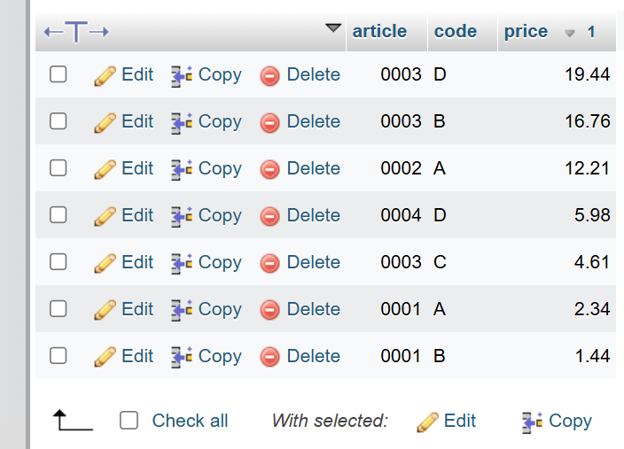
Shop Table | MaxArticle | Order by price Desc

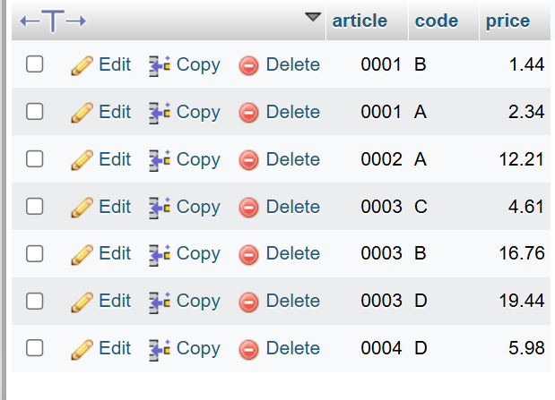
 | SELECT MAX(article) AS max_article FROM `shop`; | SELECT * FROM `shop` ORDER BY price DESC;

