Sheet1
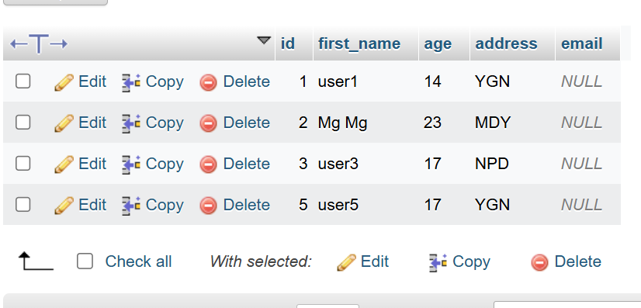
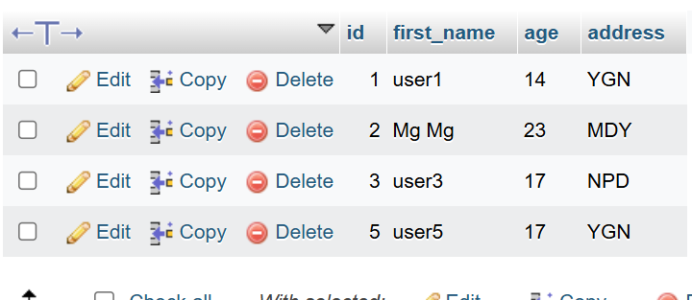
Shop Table |  |  | MaxArticle |  | Order by price Desc

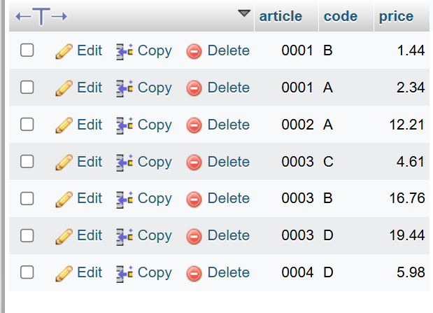
 |  |  | SELECT MAX(article) AS max_article FROM `shop`; |  | SELECT * FROM `shop` ORDER BY price DESC;
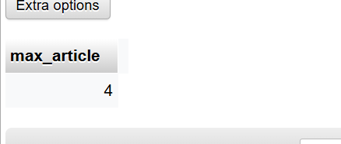
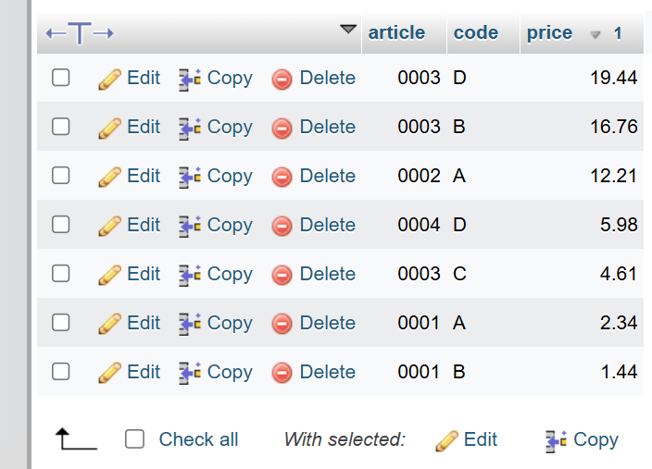

INNER JOIN | LEFT JOIN |  |  | Right

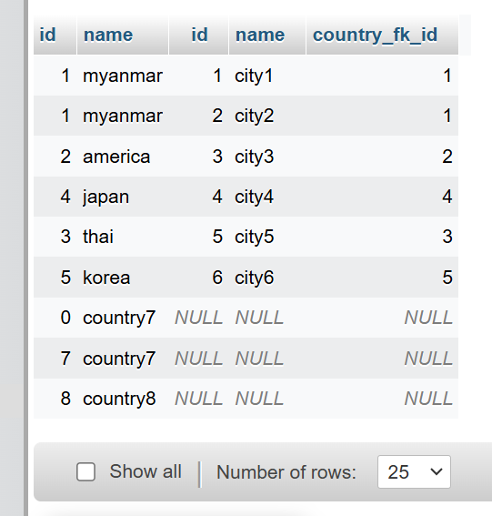
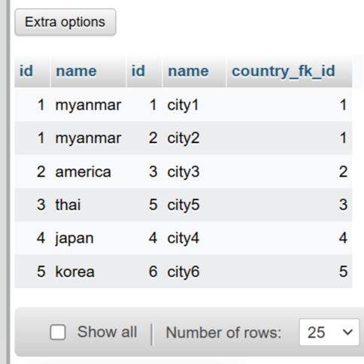
SELECT * from country cou | SELECT * from country cou LEFT JOIN city ci on cou.id = ci.country_fk_id; |  |  | SELECT * from country cou RIGHT JOIN city ci on cou.id = ci.country_fk_id;
INNER JOIN city ci
on cou.id = ci.country_fk_id
where cou.name = 'Myanmar';
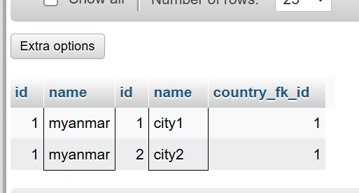

column add |  | column drop

ALTER TABLE users ADD email VARCHAR(255); |  | ALTER TABLE users DROP email;

