Templates & Forms
 |  | SEND & RECEIVE GMAIL
Send
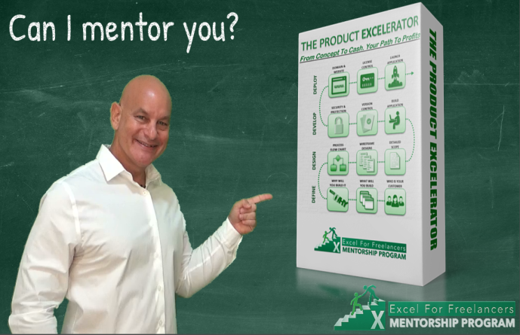
CLICK HERE TO LEARN MORE
Learn How To Define, Design, Develop & Deploy Your Own Excel Applications In This Amazing Mentorship Program
Open
Refresh
Temp. New | TRUE | From: | info.dbsoft@gmail.com | Send To: | myriskosarduino@gmail.com | Email Folder | C:\Users\neilr\Dropbox\Public\Gmail Emails
Sel. Row |  |  |  |  |  | Attach. Folder | C:\Users\neilr\Dropbox\Public\Gmail Attach
Disp. Email | TRUE | Email Subject |  | Attachment: |  | Archive Fodler | C:\Users\neilr\Dropbox\Public\Archive
Form Load | FALSE |  |  |  | (use shareable link) | Default From
Active Tab | Received | Email Message | dsdfsdfsdfsdf |  |  | Automation | https://bit.ly/IntegromatAutomation
 |  |  |  |  |  | Google Console | https://console.developers.google.com/
 |  |  |  |  |  | Connecting Gmail | https://support.integromat.com/hc/en-us/articles/360013962900

Received
Sent
 |  | Emails
 |  | From | Subject | Received On | Message

