Результаты
Размер зрачка |  |  |  |  |  |  |  | Время рассмотрения прайма |  |  |  |  |  |  |  | Количество фиксаций на прайме
Tests of Within-Subjects Effects |  |  |  |  |  |  |  | Tests of Within-Subjects Effects |  |  |  |  |  |  |  | Tests of Within-Subjects Effects
Measure: | MEASURE_1 |  |  |  |  |  |  | Measure: MEASURE_1 |  |  |  |  |  |  |  | Measure: | MEASURE_1
Source |  | Type III Sum of Squares | df | Mean Square | F | Sig. | Partial Eta Squared | Source |  | Type III Sum of Squares | df | Mean Square | F | Sig. | Partial Eta Squared | Source |  | Type III Sum of Squares | df | Mean Square | F | Sig. | Partial Eta Squared
Прайм_контроль | Sphericity Assumed | 456.332 | 1 | 456.332 | 2.692 | 0.111 | 0.078 | Прайм_контроль | Sphericity Assumed | 18.026 | 1 | 18.026 | 0.59 | 0.448 | 0.018 | Прайм_контроль | Sphericity Assumed | 0.001 | 1 | 0.001 | 0.209 | 0.651 | 0.006
 | Greenhouse-Geisser | 456.332 | 1.000 | 456.332 | 2.692 | 0.111 | 0.078 |  | Greenhouse-Geisser | 18.026 | 1 | 18.026 | 0.59 | 0.448 | 0.018 |  | Greenhouse-Geisser | 0.001 | 1.000 | 0.001 | 0.209 | 0.651 | 0.006
 | Huynh-Feldt | 456.332 | 1.000 | 456.332 | 2.692 | 0.111 | 0.078 |  | Huynh-Feldt | 18.026 | 1 | 18.026 | 0.59 | 0.448 | 0.018 |  | Huynh-Feldt | 0.001 | 1.000 | 0.001 | 0.209 | 0.651 | 0.006
 | Lower-bound | 456.332 | 1.000 | 456.332 | 2.692 | 0.111 | 0.078 |  | Lower-bound | 18.026 | 1 | 18.026 | 0.59 | 0.448 | 0.018 |  | Lower-bound | 0.001 | 1.000 | 0.001 | 0.209 | 0.651 | 0.006
Error(Прайм_контроль) | Sphericity Assumed | 5424.638 | 32 | 169.520 |  |  |  | Error(Прайм_контроль) | Sphericity Assumed | 977.42 | 32 | 30.544 |  |  |  | Error(Прайм_контроль) | Sphericity Assumed | 0.185 | 32 | 0.006
 | Greenhouse-Geisser | 5424.638 | 32.000 | 169.520 |  |  |  |  | Greenhouse-Geisser | 977.42 | 32 | 30.544 |  |  |  |  | Greenhouse-Geisser | 0.185 | 32.000 | 0.006
 | Huynh-Feldt | 5424.638 | 32.000 | 169.520 |  |  |  |  | Huynh-Feldt | 977.42 | 32 | 30.544 |  |  |  |  | Huynh-Feldt | 0.185 | 32.000 | 0.006
 | Lower-bound | 5424.638 | 32.000 | 169.520 |  |  |  |  | Lower-bound | 977.42 | 32 | 30.544 |  |  |  |  | Lower-bound | 0.185 | 32.000 | 0.006
Картинки_слова | Sphericity Assumed | 607.292 | 1 | 607.292 | 8.987 | 0.005 | 0.219 | Картинки_слова | Sphericity Assumed | 617.848 | 1 | 617.848 | 10.895 | 0.002 | 0.254 | Картинки_слова | Sphericity Assumed | 1.261 | 1 | 1.261 | 42.291 | 0.000 | 0.569
 | Greenhouse-Geisser | 607.292 | 1.000 | 607.292 | 8.987 | 0.005 | 0.219 |  | Greenhouse-Geisser | 617.848 | 1 | 617.848 | 10.895 | 0.002 | 0.254 |  | Greenhouse-Geisser | 1.261 | 1.000 | 1.261 | 42.291 | 0.000 | 0.569
 | Huynh-Feldt | 607.292 | 1.000 | 607.292 | 8.987 | 0.005 | 0.219 |  | Huynh-Feldt | 617.848 | 1 | 617.848 | 10.895 | 0.002 | 0.254 |  | Huynh-Feldt | 1.261 | 1.000 | 1.261 | 42.291 | 0.000 | 0.569
 | Lower-bound | 607.292 | 1.000 | 607.292 | 8.987 | 0.005 | 0.219 |  | Lower-bound | 617.848 | 1 | 617.848 | 10.895 | 0.002 | 0.254 |  | Lower-bound | 1.261 | 1.000 | 1.261 | 42.291 | 0.000 | 0.569
Error(Картинки_слова) | Sphericity Assumed | 2162.328 | 32 | 67.573 |  |  |  | Error(Картинки_слова) | Sphericity Assumed | 1814.78 | 32 | 56.712 |  |  |  | Error(Картинки_слова) | Sphericity Assumed | 0.954 | 32 | 0.030
 | Greenhouse-Geisser | 2162.328 | 32.000 | 67.573 |  |  |  |  | Greenhouse-Geisser | 1814.78 | 32 | 56.712 |  |  |  |  | Greenhouse-Geisser | 0.954 | 32.000 | 0.030
 | Huynh-Feldt | 2162.328 | 32.000 | 67.573 |  |  |  |  | Huynh-Feldt | 1814.78 | 32 | 56.712 |  |  |  |  | Huynh-Feldt | 0.954 | 32.000 | 0.030
 | Lower-bound | 2162.328 | 32.000 | 67.573 |  |  |  |  | Lower-bound | 1814.78 | 32 | 56.712 |  |  |  |  | Lower-bound | 0.954 | 32.000 | 0.030
Прайм_контроль * Картинки_слова | Sphericity Assumed | 8255.351 | 1 | 8255.351 | 26.384 | 0.000 | 0.452 | Прайм_контроль * Картинки_слова | Sphericity Assumed | 44.684 | 1 | 44.684 | 0.701 | 0.409 | 0.021 | Прайм_контроль * Картинки_слова | Sphericity Assumed | 0.000 | 1 | 0.000 | 0.021 | 0.887 | 0.001
 | Greenhouse-Geisser | 8255.351 | 1.000 | 8255.351 | 26.384 | 0.000 | 0.452 |  | Greenhouse-Geisser | 44.684 | 1 | 44.684 | 0.701 | 0.409 | 0.021 |  | Greenhouse-Geisser | 0.000 | 1.000 | 0.000 | 0.021 | 0.887 | 0.001
 | Huynh-Feldt | 8255.351 | 1.000 | 8255.351 | 26.384 | 0.000 | 0.452 |  | Huynh-Feldt | 44.684 | 1 | 44.684 | 0.701 | 0.409 | 0.021 |  | Huynh-Feldt | 0.000 | 1.000 | 0.000 | 0.021 | 0.887 | 0.001
 | Lower-bound | 8255.351 | 1.000 | 8255.351 | 26.384 | 0.000 | 0.452 |  | Lower-bound | 44.684 | 1 | 44.684 | 0.701 | 0.409 | 0.021 |  | Lower-bound | 0.000 | 1.000 | 0.000 | 0.021 | 0.887 | 0.001
Error(Прайм_контроль*Картинки_слова) | Sphericity Assumed | 10012.461 | 32 | 312.889 |  |  |  | Error(Прайм_контроль*Картинки_слова) | Sphericity Assumed | 2040.967 | 32 | 63.78 |  |  |  | Error(Прайм_контроль*Картинки_слова) | Sphericity Assumed | 0.230 | 32 | 0.007
 | Greenhouse-Geisser | 10012.461 | 32.000 | 312.889 |  |  |  |  | Greenhouse-Geisser | 2040.967 | 32 | 63.78 |  |  |  |  | Greenhouse-Geisser | 0.230 | 32.000 | 0.007
 | Huynh-Feldt | 10012.461 | 32.000 | 312.889 |  |  |  |  | Huynh-Feldt | 2040.967 | 32 | 63.78 |  |  |  |  | Huynh-Feldt | 0.230 | 32.000 | 0.007
 | Lower-bound | 10012.461 | 32.000 | 312.889 |  |  |  |  | Lower-bound | 2040.967 | 32 | 63.78 |  |  |  |  | Lower-bound | 0.230 | 32.000 | 0.007
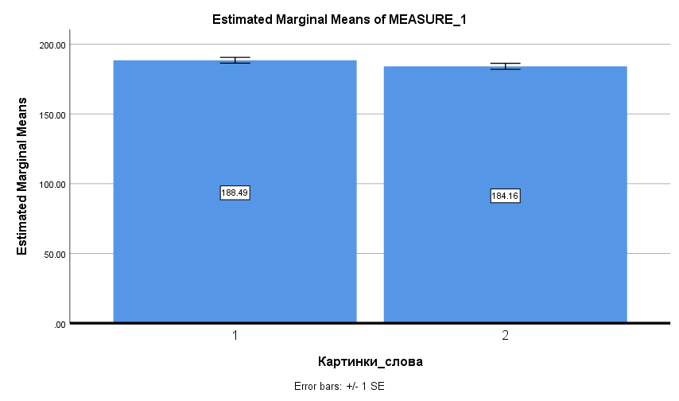
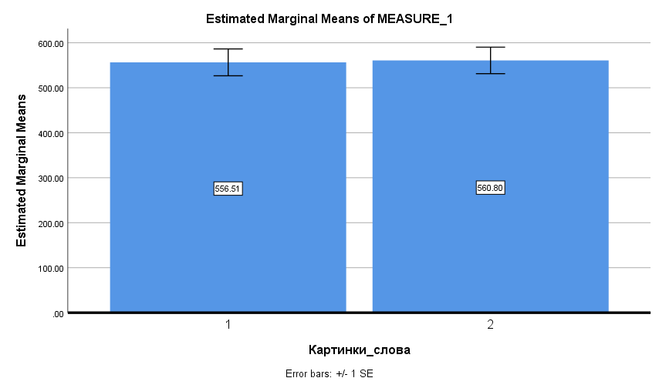
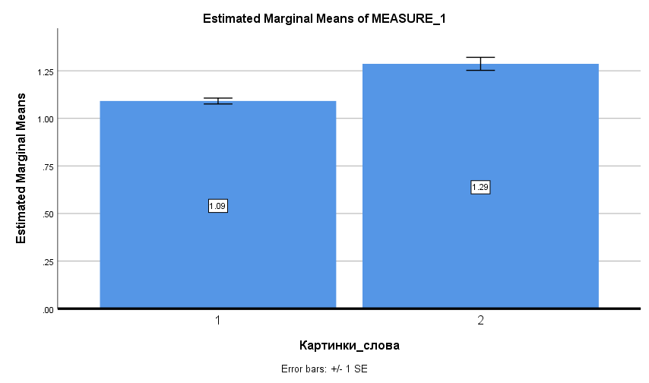

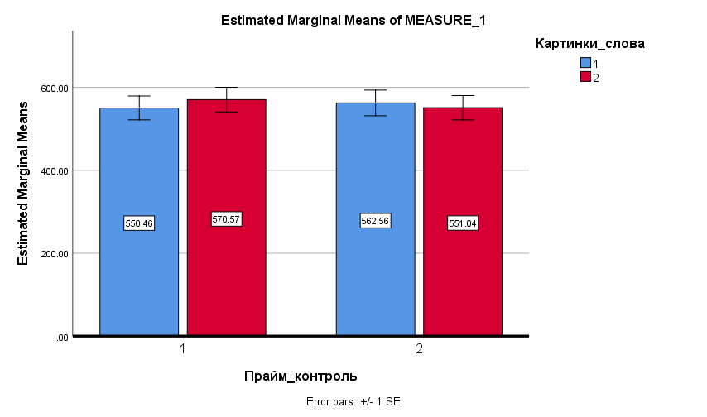

Tests of Within-Subjects Effects |  |  |  |  |  |  |  | Tests of Within-Subjects Effects |  |  |  |  |  |  |  | Tests of Within-Subjects Effects
Measure: | MEASURE_1 |  |  |  |  |  |  | Measure: | MEASURE_1 |  |  |  |  |  |  | Measure: | MEASURE_1
Source |  | Type III Sum of Squares | df | Mean Square | F | Sig. | Partial Eta Squared | Source |  | Type III Sum of Squares | df | Mean Square | F | Sig. | Partial Eta Squared | Source |  | Type III Sum of Squares | df | Mean Square | F | Sig. | Partial Eta Squared
Прайм_контроль | Sphericity Assumed | 189.514 | 1 | 189.514 | 0.651 | 0.432 | 0.039 | Прайм_контроль | Sphericity Assumed | 103.084 | 1 | 103.084 | 0.587 | 0.454 | 0.033 | Прайм_контроль | Sphericity Assumed | 0.111 | 1 | 0.111 | 1.832 | 0.194 | 0.097
 | Greenhouse-Geisser | 189.514 | 1.000 | 189.514 | 0.651 | 0.432 | 0.039 |  | Greenhouse-Geisser | 103.084 | 1.000 | 103.084 | 0.587 | 0.454 | 0.033 |  | Greenhouse-Geisser | 0.111 | 1.000 | 0.111 | 1.832 | 0.194 | 0.097
 | Huynh-Feldt | 189.514 | 1.000 | 189.514 | 0.651 | 0.432 | 0.039 |  | Huynh-Feldt | 103.084 | 1.000 | 103.084 | 0.587 | 0.454 | 0.033 |  | Huynh-Feldt | 0.111 | 1.000 | 0.111 | 1.832 | 0.194 | 0.097
 | Lower-bound | 189.514 | 1.000 | 189.514 | 0.651 | 0.432 | 0.039 |  | Lower-bound | 103.084 | 1.000 | 103.084 | 0.587 | 0.454 | 0.033 |  | Lower-bound | 0.111 | 1.000 | 0.111 | 1.832 | 0.194 | 0.097
Error(Прайм_контроль) | Sphericity Assumed | 4657.174 | 16 | 291.073 |  |  |  | Error(Прайм_контроль) | Sphericity Assumed | 2984.719 | 17 | 175.572 |  |  |  | Error(Прайм_контроль) | Sphericity Assumed | 1.026 | 17 | 0.060
 | Greenhouse-Geisser | 4657.174 | 16.000 | 291.073 |  |  |  |  | Greenhouse-Geisser | 2984.719 | 17.000 | 175.572 |  |  |  |  | Greenhouse-Geisser | 1.026 | 17.000 | 0.060
 | Huynh-Feldt | 4657.174 | 16.000 | 291.073 |  |  |  |  | Huynh-Feldt | 2984.719 | 17.000 | 175.572 |  |  |  |  | Huynh-Feldt | 1.026 | 17.000 | 0.060
 | Lower-bound | 4657.174 | 16.000 | 291.073 |  |  |  |  | Lower-bound | 2984.719 | 17.000 | 175.572 |  |  |  |  | Lower-bound | 1.026 | 17.000 | 0.060
Картинка_слово | Sphericity Assumed | 702.032 | 1 | 702.032 | 1.216 | 0.286 | 0.071 | Картинка_слово | Sphericity Assumed | 1173.394 | 1 | 1173.394 | 7.834 | 0.012 | 0.315 | Картинка_слово | Sphericity Assumed | 2.335 | 1 | 2.335 | 15.747 | 0.001 | 0.481
 | Greenhouse-Geisser | 702.032 | 1.000 | 702.032 | 1.216 | 0.286 | 0.071 |  | Greenhouse-Geisser | 1173.394 | 1.000 | 1173.394 | 7.834 | 0.012 | 0.315 |  | Greenhouse-Geisser | 2.335 | 1.000 | 2.335 | 15.747 | 0.001 | 0.481
 | Huynh-Feldt | 702.032 | 1.000 | 702.032 | 1.216 | 0.286 | 0.071 |  | Huynh-Feldt | 1173.394 | 1.000 | 1173.394 | 7.834 | 0.012 | 0.315 |  | Huynh-Feldt | 2.335 | 1.000 | 2.335 | 15.747 | 0.001 | 0.481
 | Lower-bound | 702.032 | 1.000 | 702.032 | 1.216 | 0.286 | 0.071 |  | Lower-bound | 1173.394 | 1.000 | 1173.394 | 7.834 | 0.012 | 0.315 |  | Lower-bound | 2.335 | 1.000 | 2.335 | 15.747 | 0.001 | 0.481
Error(Картинка_слово) | Sphericity Assumed | 9233.699 | 16 | 577.106 |  |  |  | Error(Картинка_слово) | Sphericity Assumed | 2546.251 | 17 | 149.779 |  |  |  | Error(Картинка_слово) | Sphericity Assumed | 2.520 | 17 | 0.148
 | Greenhouse-Geisser | 9233.699 | 16.000 | 577.106 |  |  |  |  | Greenhouse-Geisser | 2546.251 | 17.000 | 149.779 |  |  |  |  | Greenhouse-Geisser | 2.520 | 17.000 | 0.148
 | Huynh-Feldt | 9233.699 | 16.000 | 577.106 |  |  |  |  | Huynh-Feldt | 2546.251 | 17.000 | 149.779 |  |  |  |  | Huynh-Feldt | 2.520 | 17.000 | 0.148
 | Lower-bound | 9233.699 | 16.000 | 577.106 |  |  |  |  | Lower-bound | 2546.251 | 17.000 | 149.779 |  |  |  |  | Lower-bound | 2.520 | 17.000 | 0.148
Порядок | Sphericity Assumed | 79187.026 | 4 | 19796.756 | 5.603 | 0.001 | 0.259 | Порядок | Sphericity Assumed | 3347.682 | 4 | 836.921 | 1.703 | 0.160 | 0.091 | Порядок | Sphericity Assumed | 0.081 | 4 | 0.020 | 0.253 | 0.907 | 0.015
 | Greenhouse-Geisser | 79187.026 | 2.367 | 33450.852 | 5.603 | 0.005 | 0.259 |  | Greenhouse-Geisser | 3347.682 | 1.552 | 2157.287 | 1.703 | 0.205 | 0.091 |  | Greenhouse-Geisser | 0.081 | 3.066 | 0.026 | 0.253 | 0.863 | 0.015
 | Huynh-Feldt | 79187.026 | 2.805 | 28227.953 | 5.603 | 0.003 | 0.259 |  | Huynh-Feldt | 3347.682 | 1.679 | 1994.246 | 1.703 | 0.203 | 0.091 |  | Huynh-Feldt | 0.081 | 3.818 | 0.021 | 0.253 | 0.900 | 0.015
 | Lower-bound | 79187.026 | 1.000 | 79187.026 | 5.603 | 0.031 | 0.259 |  | Lower-bound | 3347.682 | 1.000 | 3347.682 | 1.703 | 0.209 | 0.091 |  | Lower-bound | 0.081 | 1.000 | 0.081 | 0.253 | 0.621 | 0.015
Error(Порядок) | Sphericity Assumed | 226133.316 | 64 | 3533.333 |  |  |  | Error(Порядок) | Sphericity Assumed | 33424.609 | 68 | 491.538 |  |  |  | Error(Порядок) | Sphericity Assumed | 5.431 | 68 | 0.080
 | Greenhouse-Geisser | 226133.316 | 37.876 | 5970.322 |  |  |  |  | Greenhouse-Geisser | 33424.609 | 26.381 | 1267.013 |  |  |  |  | Greenhouse-Geisser | 5.431 | 52.126 | 0.104
 | Huynh-Feldt | 226133.316 | 44.884 | 5038.136 |  |  |  |  | Huynh-Feldt | 33424.609 | 28.537 | 1171.256 |  |  |  |  | Huynh-Feldt | 5.431 | 64.898 | 0.084
 | Lower-bound | 226133.316 | 16.000 | 14133.332 |  |  |  |  | Lower-bound | 33424.609 | 17.000 | 1966.153 |  |  |  |  | Lower-bound | 5.431 | 17.000 | 0.319
Прайм_контроль * Картинка_слово | Sphericity Assumed | 498.230 | 1 | 498.230 | 1.016 | 0.329 | 0.060 | Прайм_контроль * Картинка_слово | Sphericity Assumed | 119.209 | 1 | 119.209 | 0.962 | 0.340 | 0.054 | Прайм_контроль * Картинка_слово | Sphericity Assumed | 0.006 | 1 | 0.006 | 0.119 | 0.734 | 0.007
 | Greenhouse-Geisser | 498.230 | 1.000 | 498.230 | 1.016 | 0.329 | 0.060 |  | Greenhouse-Geisser | 119.209 | 1.000 | 119.209 | 0.962 | 0.340 | 0.054 |  | Greenhouse-Geisser | 0.006 | 1.000 | 0.006 | 0.119 | 0.734 | 0.007
 | Huynh-Feldt | 498.230 | 1.000 | 498.230 | 1.016 | 0.329 | 0.060 |  | Huynh-Feldt | 119.209 | 1.000 | 119.209 | 0.962 | 0.340 | 0.054 |  | Huynh-Feldt | 0.006 | 1.000 | 0.006 | 0.119 | 0.734 | 0.007
 | Lower-bound | 498.230 | 1.000 | 498.230 | 1.016 | 0.329 | 0.060 |  | Lower-bound | 119.209 | 1.000 | 119.209 | 0.962 | 0.340 | 0.054 |  | Lower-bound | 0.006 | 1.000 | 0.006 | 0.119 | 0.734 | 0.007
Error(Прайм_контроль*Картинка_слово) | Sphericity Assumed | 7848.677 | 16 | 490.542 |  |  |  | Error(Прайм_контроль*Картинка_слово) | Sphericity Assumed | 2105.686 | 17 | 123.864 |  |  |  | Error(Прайм_контроль*Картинка_слово) | Sphericity Assumed | 0.832 | 17 | 0.049
 | Greenhouse-Geisser | 7848.677 | 16.000 | 490.542 |  |  |  |  | Greenhouse-Geisser | 2105.686 | 17.000 | 123.864 |  |  |  |  | Greenhouse-Geisser | 0.832 | 17.000 | 0.049
 | Huynh-Feldt | 7848.677 | 16.000 | 490.542 |  |  |  |  | Huynh-Feldt | 2105.686 | 17.000 | 123.864 |  |  |  |  | Huynh-Feldt | 0.832 | 17.000 | 0.049
 | Lower-bound | 7848.677 | 16.000 | 490.542 |  |  |  |  | Lower-bound | 2105.686 | 17.000 | 123.864 |  |  |  |  | Lower-bound | 0.832 | 17.000 | 0.049
Прайм_контроль * Порядок | Sphericity Assumed | 7621.239 | 4 | 1905.310 | 2.864 | 0.030 | 0.152 | Прайм_контроль * Порядок | Sphericity Assumed | 1746.383 | 4 | 436.596 | 0.853 | 0.497 | 0.048 | Прайм_контроль * Порядок | Sphericity Assumed | 0.044 | 4 | 0.011 | 0.184 | 0.946 | 0.011
 | Greenhouse-Geisser | 7621.239 | 2.685 | 2838.635 | 2.864 | 0.053 | 0.152 |  | Greenhouse-Geisser | 1746.383 | 2.354 | 741.807 | 0.853 | 0.450 | 0.048 |  | Greenhouse-Geisser | 0.044 | 2.392 | 0.018 | 0.184 | 0.868 | 0.011
 | Huynh-Feldt | 7621.239 | 3.278 | 2325.238 | 2.864 | 0.041 | 0.152 |  | Huynh-Feldt | 1746.383 | 2.757 | 633.472 | 0.853 | 0.464 | 0.048 |  | Huynh-Feldt | 0.044 | 2.810 | 0.016 | 0.184 | 0.897 | 0.011
 | Lower-bound | 7621.239 | 1.000 | 7621.239 | 2.864 | 0.110 | 0.152 |  | Lower-bound | 1746.383 | 1.000 | 1746.383 | 0.853 | 0.369 | 0.048 |  | Lower-bound | 0.044 | 1.000 | 0.044 | 0.184 | 0.674 | 0.011
Error(Прайм_контроль*Порядок) | Sphericity Assumed | 42577.051 | 64 | 665.266 |  |  |  | Error(Прайм_контроль*Порядок) | Sphericity Assumed | 34823.980 | 68 | 512.117 |  |  |  | Error(Прайм_контроль*Порядок) | Sphericity Assumed | 4.068 | 68 | 0.060
 | Greenhouse-Geisser | 42577.051 | 42.957 | 991.150 |  |  |  |  | Greenhouse-Geisser | 34823.980 | 40.022 | 870.123 |  |  |  |  | Greenhouse-Geisser | 4.068 | 40.658 | 0.100
 | Huynh-Feldt | 42577.051 | 52.442 | 811.890 |  |  |  |  | Huynh-Feldt | 34823.980 | 46.866 | 743.048 |  |  |  |  | Huynh-Feldt | 4.068 | 47.770 | 0.085
 | Lower-bound | 42577.051 | 16.000 | 2661.066 |  |  |  |  | Lower-bound | 34823.980 | 17.000 | 2048.469 |  |  |  |  | Lower-bound | 4.068 | 17.000 | 0.239
Картинка_слово * Порядок | Sphericity Assumed | 4210.394 | 4 | 1052.598 | 1.347 | 0.262 | 0.078 | Картинка_слово * Порядок | Sphericity Assumed | 995.236 | 4 | 248.809 | 0.860 | 0.493 | 0.048 | Картинка_слово * Порядок | Sphericity Assumed | 0.321 | 4 | 0.080 | 1.990 | 0.106 | 0.105
 | Greenhouse-Geisser | 4210.394 | 2.527 | 1666.164 | 1.347 | 0.273 | 0.078 |  | Greenhouse-Geisser | 995.236 | 2.594 | 383.633 | 0.860 | 0.455 | 0.048 |  | Greenhouse-Geisser | 0.321 | 3.216 | 0.100 | 1.990 | 0.122 | 0.105
 | Huynh-Feldt | 4210.394 | 3.040 | 1384.962 | 1.347 | 0.270 | 0.078 |  | Huynh-Feldt | 995.236 | 3.103 | 320.767 | 0.860 | 0.471 | 0.048 |  | Huynh-Feldt | 0.321 | 4.000 | 0.080 | 1.990 | 0.106 | 0.105
 | Lower-bound | 4210.394 | 1.000 | 4210.394 | 1.347 | 0.263 | 0.078 |  | Lower-bound | 995.236 | 1.000 | 995.236 | 0.860 | 0.367 | 0.048 |  | Lower-bound | 0.321 | 1.000 | 0.321 | 1.990 | 0.176 | 0.105
Error(Картинка_слово*Порядок) | Sphericity Assumed | 50020.535 | 64 | 781.571 |  |  |  | Error(Картинка_слово*Порядок) | Sphericity Assumed | 19682.206 | 68 | 289.444 |  |  |  | Error(Картинка_слово*Порядок) | Sphericity Assumed | 2.742 | 68 | 0.040
 | Greenhouse-Geisser | 50020.535 | 40.432 | 1237.153 |  |  |  |  | Greenhouse-Geisser | 19682.206 | 44.102 | 446.287 |  |  |  |  | Greenhouse-Geisser | 2.742 | 54.670 | 0.050
 | Huynh-Feldt | 50020.535 | 48.641 | 1028.356 |  |  |  |  | Huynh-Feldt | 19682.206 | 52.745 | 373.155 |  |  |  |  | Huynh-Feldt | 2.742 | 68.000 | 0.040
 | Lower-bound | 50020.535 | 16.000 | 3126.283 |  |  |  |  | Lower-bound | 19682.206 | 17.000 | 1157.777 |  |  |  |  | Lower-bound | 2.742 | 17.000 | 0.161
Прайм_контроль * Картинка_слово * Порядок | Sphericity Assumed | 2253.244 | 4 | 563.311 | 0.877 | 0.483 | 0.052 | Прайм_контроль * Картинка_слово * Порядок | Sphericity Assumed | 966.520 | 4 | 241.630 | 0.855 | 0.496 | 0.048 | Прайм_контроль * Картинка_слово * Порядок | Sphericity Assumed | 0.134 | 4 | 0.034 | 0.605 | 0.660 | 0.034
 | Greenhouse-Geisser | 2253.244 | 2.447 | 920.876 | 0.877 | 0.443 | 0.052 |  | Greenhouse-Geisser | 966.520 | 2.736 | 353.273 | 0.855 | 0.462 | 0.048 |  | Greenhouse-Geisser | 0.134 | 2.522 | 0.053 | 0.605 | 0.587 | 0.034
 | Huynh-Feldt | 2253.244 | 2.922 | 771.245 | 0.877 | 0.457 | 0.052 |  | Huynh-Feldt | 966.520 | 3.312 | 291.802 | 0.855 | 0.479 | 0.048 |  | Huynh-Feldt | 0.134 | 2.998 | 0.045 | 0.605 | 0.614 | 0.034
 | Lower-bound | 2253.244 | 1.000 | 2253.244 | 0.877 | 0.363 | 0.052 |  | Lower-bound | 966.520 | 1.000 | 966.520 | 0.855 | 0.368 | 0.048 |  | Lower-bound | 0.134 | 1.000 | 0.134 | 0.605 | 0.447 | 0.034
Error(Прайм_контроль*Картинка_слово*Порядок) | Sphericity Assumed | 41109.201 | 64 | 642.331 |  |  |  | Error(Прайм_контроль*Картинка_слово*Порядок) | Sphericity Assumed | 19224.379 | 68 | 282.711 |  |  |  | Error(Прайм_контроль*Картинка_слово*Порядок) | Sphericity Assumed | 3.776 | 68 | 0.056
 | Greenhouse-Geisser | 41109.201 | 39.150 | 1050.055 |  |  |  |  | Greenhouse-Geisser | 19224.379 | 46.510 | 413.336 |  |  |  |  | Greenhouse-Geisser | 3.776 | 42.877 | 0.088
 | Huynh-Feldt | 41109.201 | 46.745 | 879.434 |  |  |  |  | Huynh-Feldt | 19224.379 | 56.308 | 341.414 |  |  |  |  | Huynh-Feldt | 3.776 | 50.960 | 0.074
 | Lower-bound | 41109.201 | 16.000 | 2569.325 |  |  |  |  | Lower-bound | 19224.379 | 17.000 | 1130.846 |  |  |  |  | Lower-bound | 3.776 | 17.000 | 0.222
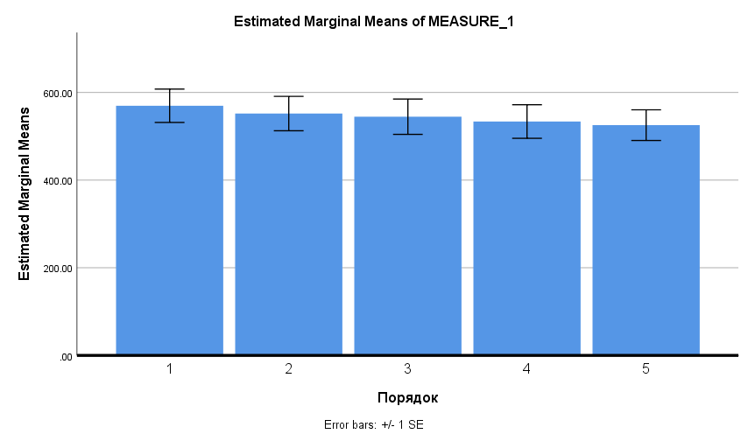
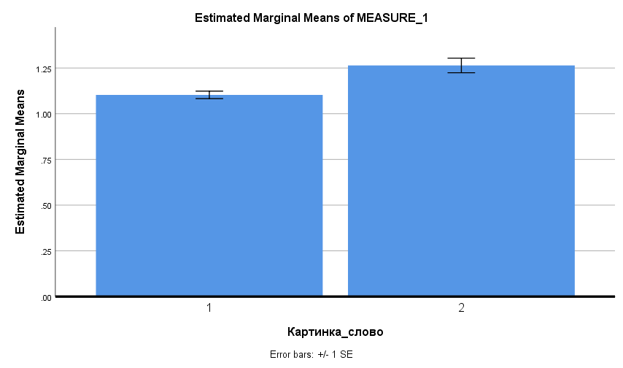
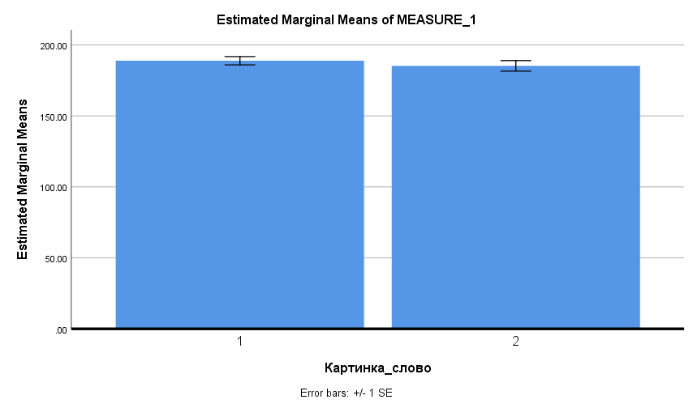

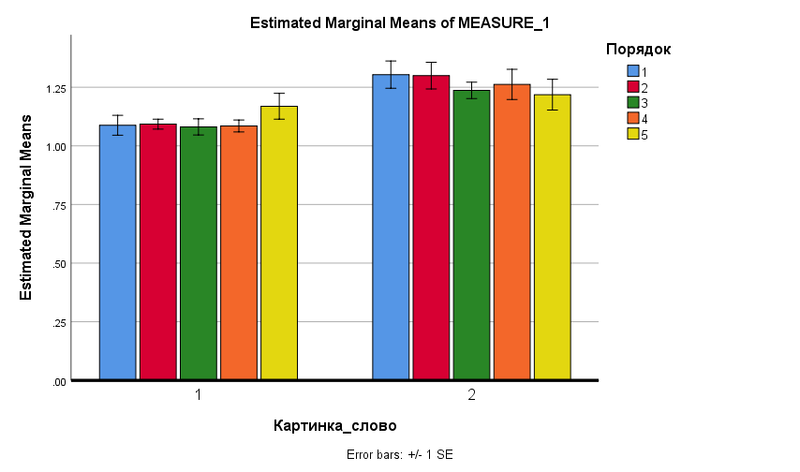

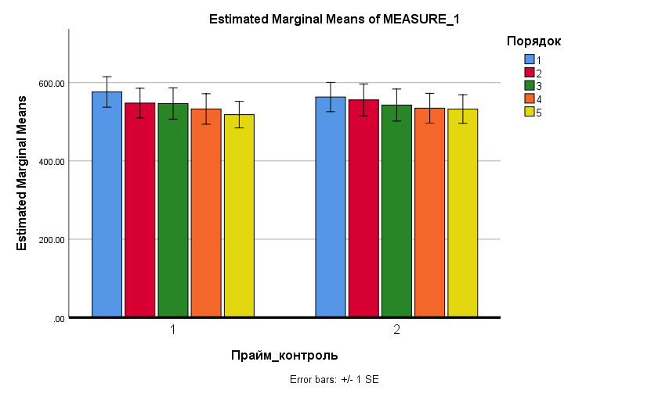

С заменой средних |  |  |  |  |  |  |  | Tests of Within-Subjects Effects |  |  |  |  |  |  |  | Tests of Within-Subjects Effects
Tests of Within-Subjects Effects |  |  |  |  |  |  |  | Measure: | MEASURE_1 |  |  |  |  |  |  | Measure: | MEASURE_1
Measure: | MEASURE_1 |  |  |  |  |  |  | Source |  | Type III Sum of Squares | df | Mean Square | F | Sig. | Partial Eta Squared | Source |  | Type III Sum of Squares | df | Mean Square | F | Sig. | Partial Eta Squared
Source |  | Type III Sum of Squares | df | Mean Square | F | Sig. | Partial Eta Squared | Прайм_контроль | Sphericity Assumed | 111.149 | 1 | 111.149 | 0.278 | 0.602 | 0.009 | Прайм_контроль | Sphericity Assumed | 0.236 | 1 | 0.236 | 5.842 | 0.022 | 0.154
Прайм_контроль | Sphericity Assumed | 1396.616 | 1 | 1396.616 | 0.810 | 0.375 | 0.025 |  | Greenhouse-Geisser | 111.149 | 1.000 | 111.149 | 0.278 | 0.602 | 0.009 |  | Greenhouse-Geisser | 0.236 | 1.000 | 0.236 | 5.842 | 0.022 | 0.154
 | Greenhouse-Geisser | 1396.616 | 1.000 | 1396.616 | 0.810 | 0.375 | 0.025 |  | Huynh-Feldt | 111.149 | 1.000 | 111.149 | 0.278 | 0.602 | 0.009 |  | Huynh-Feldt | 0.236 | 1.000 | 0.236 | 5.842 | 0.022 | 0.154
 | Huynh-Feldt | 1396.616 | 1.000 | 1396.616 | 0.810 | 0.375 | 0.025 |  | Lower-bound | 111.149 | 1.000 | 111.149 | 0.278 | 0.602 | 0.009 |  | Lower-bound | 0.236 | 1.000 | 0.236 | 5.842 | 0.022 | 0.154
 | Lower-bound | 1396.616 | 1.000 | 1396.616 | 0.810 | 0.375 | 0.025 | Error(Прайм_контроль) | Sphericity Assumed | 12791.022 | 32 | 399.719 |  |  |  | Error(Прайм_контроль) | Sphericity Assumed | 1.295 | 32 | 0.040
Error(Прайм_контроль) | Sphericity Assumed | 55168.642 | 32 | 1724.020 |  |  |  |  | Greenhouse-Geisser | 12791.022 | 32.000 | 399.719 |  |  |  |  | Greenhouse-Geisser | 1.295 | 32.000 | 0.040
 | Greenhouse-Geisser | 55168.642 | 32.000 | 1724.020 |  |  |  |  | Huynh-Feldt | 12791.022 | 32.000 | 399.719 |  |  |  |  | Huynh-Feldt | 1.295 | 32.000 | 0.040
 | Huynh-Feldt | 55168.642 | 32.000 | 1724.020 |  |  |  |  | Lower-bound | 12791.022 | 32.000 | 399.719 |  |  |  |  | Lower-bound | 1.295 | 32.000 | 0.040
 | Lower-bound | 55168.642 | 32.000 | 1724.020 |  |  |  | Картинка_слово | Sphericity Assumed | 3126.203 | 1 | 3126.203 | 8.764 | 0.006 | 0.215 | Картинка_слово | Sphericity Assumed | 5.802 | 1 | 5.802 | 43.759 | 0.000 | 0.578
Картинка_слово | Sphericity Assumed | 2938.613 | 1 | 2938.613 | 1.325 | 0.258 | 0.040 |  | Greenhouse-Geisser | 3126.203 | 1.000 | 3126.203 | 8.764 | 0.006 | 0.215 |  | Greenhouse-Geisser | 5.802 | 1.000 | 5.802 | 43.759 | 0.000 | 0.578
 | Greenhouse-Geisser | 2938.613 | 1.000 | 2938.613 | 1.325 | 0.258 | 0.040 |  | Huynh-Feldt | 3126.203 | 1.000 | 3126.203 | 8.764 | 0.006 | 0.215 |  | Huynh-Feldt | 5.802 | 1.000 | 5.802 | 43.759 | 0.000 | 0.578
 | Huynh-Feldt | 2938.613 | 1.000 | 2938.613 | 1.325 | 0.258 | 0.040 |  | Lower-bound | 3126.203 | 1.000 | 3126.203 | 8.764 | 0.006 | 0.215 |  | Lower-bound | 5.802 | 1.000 | 5.802 | 43.759 | 0.000 | 0.578
 | Lower-bound | 2938.613 | 1.000 | 2938.613 | 1.325 | 0.258 | 0.040 | Error(Картинка_слово) | Sphericity Assumed | 11414.742 | 32 | 356.711 |  |  |  | Error(Картинка_слово) | Sphericity Assumed | 4.243 | 32 | 0.133
Error(Картинка_слово) | Sphericity Assumed | 70957.808 | 32 | 2217.431 |  |  |  |  | Greenhouse-Geisser | 11414.742 | 32.000 | 356.711 |  |  |  |  | Greenhouse-Geisser | 4.243 | 32.000 | 0.133
 | Greenhouse-Geisser | 70957.808 | 32.000 | 2217.431 |  |  |  |  | Huynh-Feldt | 11414.742 | 32.000 | 356.711 |  |  |  |  | Huynh-Feldt | 4.243 | 32.000 | 0.133
 | Huynh-Feldt | 70957.808 | 32.000 | 2217.431 |  |  |  |  | Lower-bound | 11414.742 | 32.000 | 356.711 |  |  |  |  | Lower-bound | 4.243 | 32.000 | 0.133
 | Lower-bound | 70957.808 | 32.000 | 2217.431 |  |  |  | Порядок | Sphericity Assumed | 4800.926 | 4 | 1200.231 | 2.470 | 0.048 | 0.072 | Порядок | Sphericity Assumed | 0.142 | 4 | 0.035 | 0.589 | 0.672 | 0.018
Порядок | Sphericity Assumed | 90156.201 | 4 | 22539.050 | 5.347 | 0.001 | 0.143 |  | Greenhouse-Geisser | 4800.926 | 1.810 | 2651.962 | 2.470 | 0.099 | 0.072 |  | Greenhouse-Geisser | 0.142 | 3.330 | 0.043 | 0.589 | 0.641 | 0.018
 | Greenhouse-Geisser | 90156.201 | 2.500 | 36066.318 | 5.347 | 0.004 | 0.143 |  | Huynh-Feldt | 4800.926 | 1.913 | 2510.152 | 2.470 | 0.095 | 0.072 |  | Huynh-Feldt | 0.142 | 3.763 | 0.038 | 0.589 | 0.661 | 0.018
 | Huynh-Feldt | 90156.201 | 2.728 | 33042.509 | 5.347 | 0.003 | 0.143 |  | Lower-bound | 4800.926 | 1.000 | 4800.926 | 2.470 | 0.126 | 0.072 |  | Lower-bound | 0.142 | 1.000 | 0.142 | 0.589 | 0.449 | 0.018
 | Lower-bound | 90156.201 | 1.000 | 90156.201 | 5.347 | 0.027 | 0.143 | Error(Порядок) | Sphericity Assumed | 62189.270 | 128 | 485.854 |  |  |  | Error(Порядок) | Sphericity Assumed | 7.709 | 128 | 0.060
Error(Порядок) | Sphericity Assumed | 539505.178 | 128 | 4214.884 |  |  |  |  | Greenhouse-Geisser | 62189.270 | 57.931 | 1073.514 |  |  |  |  | Greenhouse-Geisser | 7.709 | 106.550 | 0.072
 | Greenhouse-Geisser | 539505.178 | 79.991 | 6744.532 |  |  |  |  | Huynh-Feldt | 62189.270 | 61.203 | 1016.109 |  |  |  |  | Huynh-Feldt | 7.709 | 120.408 | 0.064
 | Huynh-Feldt | 539505.178 | 87.312 | 6179.069 |  |  |  |  | Lower-bound | 62189.270 | 32.000 | 1943.415 |  |  |  |  | Lower-bound | 7.709 | 32.000 | 0.241
 | Lower-bound | 539505.178 | 32.000 | 16859.537 |  |  |  | Прайм_контроль * Картинка_слово | Sphericity Assumed | 212.088 | 1 | 212.088 | 0.555 | 0.462 | 0.017 | Прайм_контроль * Картинка_слово | Sphericity Assumed | 0.030 | 1 | 0.030 | 0.621 | 0.436 | 0.019
Прайм_контроль * Картинка_слово | Sphericity Assumed | 5497.824 | 1 | 5497.824 | 2.538 | 0.121 | 0.073 |  | Greenhouse-Geisser | 212.088 | 1.000 | 212.088 | 0.555 | 0.462 | 0.017 |  | Greenhouse-Geisser | 0.030 | 1.000 | 0.030 | 0.621 | 0.436 | 0.019
 | Greenhouse-Geisser | 5497.824 | 1.000 | 5497.824 | 2.538 | 0.121 | 0.073 |  | Huynh-Feldt | 212.088 | 1.000 | 212.088 | 0.555 | 0.462 | 0.017 |  | Huynh-Feldt | 0.030 | 1.000 | 0.030 | 0.621 | 0.436 | 0.019
 | Huynh-Feldt | 5497.824 | 1.000 | 5497.824 | 2.538 | 0.121 | 0.073 |  | Lower-bound | 212.088 | 1.000 | 212.088 | 0.555 | 0.462 | 0.017 |  | Lower-bound | 0.030 | 1.000 | 0.030 | 0.621 | 0.436 | 0.019
 | Lower-bound | 5497.824 | 1.000 | 5497.824 | 2.538 | 0.121 | 0.073 | Error(Прайм_контроль*Картинка_слово) | Sphericity Assumed | 12235.312 | 32 | 382.353 |  |  |  | Error(Прайм_контроль*Картинка_слово) | Sphericity Assumed | 1.532 | 32 | 0.048
Error(Прайм_контроль*Картинка_слово) | Sphericity Assumed | 69319.425 | 32 | 2166.232 |  |  |  |  | Greenhouse-Geisser | 12235.312 | 32.000 | 382.353 |  |  |  |  | Greenhouse-Geisser | 1.532 | 32.000 | 0.048
 | Greenhouse-Geisser | 69319.425 | 32.000 | 2166.232 |  |  |  |  | Huynh-Feldt | 12235.312 | 32.000 | 382.353 |  |  |  |  | Huynh-Feldt | 1.532 | 32.000 | 0.048
 | Huynh-Feldt | 69319.425 | 32.000 | 2166.232 |  |  |  |  | Lower-bound | 12235.312 | 32.000 | 382.353 |  |  |  |  | Lower-bound | 1.532 | 32.000 | 0.048
 | Lower-bound | 69319.425 | 32.000 | 2166.232 |  |  |  | Прайм_контроль * Порядок | Sphericity Assumed | 2388.239 | 4 | 597.060 | 1.525 | 0.199 | 0.045 | Прайм_контроль * Порядок | Sphericity Assumed | 0.168 | 4 | 0.042 | 0.943 | 0.441 | 0.029
Прайм_контроль * Порядок | Sphericity Assumed | 63893.125 | 4 | 15973.281 | 8.091 | 0.000 | 0.202 |  | Greenhouse-Geisser | 2388.239 | 2.914 | 819.505 | 1.525 | 0.214 | 0.045 |  | Greenhouse-Geisser | 0.168 | 3.102 | 0.054 | 0.943 | 0.425 | 0.029
 | Greenhouse-Geisser | 63893.125 | 2.175 | 29379.861 | 8.091 | 0.000 | 0.202 |  | Huynh-Feldt | 2388.239 | 3.238 | 737.641 | 1.525 | 0.210 | 0.045 |  | Huynh-Feldt | 0.168 | 3.473 | 0.048 | 0.943 | 0.432 | 0.029
 | Huynh-Feldt | 63893.125 | 2.339 | 27314.621 | 8.091 | 0.000 | 0.202 |  | Lower-bound | 2388.239 | 1.000 | 2388.239 | 1.525 | 0.226 | 0.045 |  | Lower-bound | 0.168 | 1.000 | 0.168 | 0.943 | 0.339 | 0.029
 | Lower-bound | 63893.125 | 1.000 | 63893.125 | 8.091 | 0.008 | 0.202 | Error(Прайм_контроль*Порядок) | Sphericity Assumed | 50104.498 | 128 | 391.441 |  |  |  | Error(Прайм_контроль*Порядок) | Sphericity Assumed | 5.686 | 128 | 0.044
Error(Прайм_контроль*Порядок) | Sphericity Assumed | 252701.556 | 128 | 1974.231 |  |  |  |  | Greenhouse-Geisser | 50104.498 | 93.256 | 537.280 |  |  |  |  | Greenhouse-Geisser | 5.686 | 99.265 | 0.057
 | Greenhouse-Geisser | 252701.556 | 69.591 | 3631.228 |  |  |  |  | Huynh-Feldt | 50104.498 | 103.605 | 483.608 |  |  |  |  | Huynh-Feldt | 5.686 | 111.141 | 0.051
 | Huynh-Feldt | 252701.556 | 74.853 | 3375.973 |  |  |  |  | Lower-bound | 50104.498 | 32.000 | 1565.766 |  |  |  |  | Lower-bound | 5.686 | 32.000 | 0.178
 | Lower-bound | 252701.556 | 32.000 | 7896.924 |  |  |  | Картинка_слово * Порядок | Sphericity Assumed | 2166.133 | 4 | 541.533 | 1.971 | 0.103 | 0.058 | Картинка_слово * Порядок | Sphericity Assumed | 0.537 | 4 | 0.134 | 3.379 | 0.012 | 0.096
Картинка_слово * Порядок | Sphericity Assumed | 41744.263 | 4 | 10436.066 | 6.839 | 0.000 | 0.176 |  | Greenhouse-Geisser | 2166.133 | 3.410 | 635.273 | 1.971 | 0.115 | 0.058 |  | Greenhouse-Geisser | 0.537 | 3.775 | 0.142 | 3.379 | 0.013 | 0.096
 | Greenhouse-Geisser | 41744.263 | 2.472 | 16886.981 | 6.839 | 0.001 | 0.176 |  | Huynh-Feldt | 2166.133 | 3.866 | 560.342 | 1.971 | 0.105 | 0.058 |  | Huynh-Feldt | 0.537 | 4.000 | 0.134 | 3.379 | 0.012 | 0.096
 | Huynh-Feldt | 41744.263 | 2.695 | 15490.050 | 6.839 | 0.001 | 0.176 |  | Lower-bound | 2166.133 | 1.000 | 2166.133 | 1.971 | 0.170 | 0.058 |  | Lower-bound | 0.537 | 1.000 | 0.537 | 3.379 | 0.075 | 0.096
 | Lower-bound | 41744.263 | 1.000 | 41744.263 | 6.839 | 0.013 | 0.176 | Error(Картинка_слово*Порядок) | Sphericity Assumed | 35170.308 | 128 | 274.768 |  |  |  | Error(Картинка_слово*Порядок) | Sphericity Assumed | 5.089 | 128 | 0.040
Error(Картинка_слово*Порядок) | Sphericity Assumed | 195320.061 | 128 | 1525.938 |  |  |  |  | Greenhouse-Geisser | 35170.308 | 109.112 | 322.331 |  |  |  |  | Greenhouse-Geisser | 5.089 | 120.793 | 0.042
 | Greenhouse-Geisser | 195320.061 | 79.103 | 2469.176 |  |  |  |  | Huynh-Feldt | 35170.308 | 123.704 | 284.311 |  |  |  |  | Huynh-Feldt | 5.089 | 128.000 | 0.040
 | Huynh-Feldt | 195320.061 | 86.237 | 2264.920 |  |  |  |  | Lower-bound | 35170.308 | 32.000 | 1099.072 |  |  |  |  | Lower-bound | 5.089 | 32.000 | 0.159
 | Lower-bound | 195320.061 | 32.000 | 6103.752 |  |  |  | Прайм_контроль * Картинка_слово * Порядок | Sphericity Assumed | 1655.811 | 4 | 413.953 | 1.289 | 0.278 | 0.039 | Прайм_контроль * Картинка_слово * Порядок | Sphericity Assumed | 0.089 | 4 | 0.022 | 0.487 | 0.745 | 0.015
Прайм_контроль * Картинка_слово * Порядок | Sphericity Assumed | 12950.269 | 4 | 3237.567 | 1.942 | 0.107 | 0.057 |  | Greenhouse-Geisser | 1655.811 | 3.510 | 471.803 | 1.289 | 0.280 | 0.039 |  | Greenhouse-Geisser | 0.089 | 3.144 | 0.028 | 0.487 | 0.701 | 0.015
 | Greenhouse-Geisser | 12950.269 | 1.794 | 7220.456 | 1.942 | 0.157 | 0.057 |  | Huynh-Feldt | 1655.811 | 3.995 | 414.488 | 1.289 | 0.278 | 0.039 |  | Huynh-Feldt | 0.089 | 3.527 | 0.025 | 0.487 | 0.722 | 0.015
 | Huynh-Feldt | 12950.269 | 1.893 | 6840.365 | 1.942 | 0.154 | 0.057 |  | Lower-bound | 1655.811 | 1.000 | 1655.811 | 1.289 | 0.265 | 0.039 |  | Lower-bound | 0.089 | 1.000 | 0.089 | 0.487 | 0.490 | 0.015
 | Lower-bound | 12950.269 | 1.000 | 12950.269 | 1.942 | 0.173 | 0.057 | Error(Прайм_контроль*Картинка_слово*Порядок) | Sphericity Assumed | 41100.441 | 128 | 321.097 |  |  |  | Error(Прайм_контроль*Картинка_слово*Порядок) | Sphericity Assumed | 5.829 | 128 | 0.046
Error(Прайм_контроль*Картинка_слово*Порядок) | Sphericity Assumed | 213396.444 | 128 | 1667.160 |  |  |  |  | Greenhouse-Geisser | 41100.441 | 112.305 | 365.971 |  |  |  |  | Greenhouse-Geisser | 5.829 | 100.617 | 0.058
 | Greenhouse-Geisser | 213396.444 | 57.394 | 3718.117 |  |  |  |  | Huynh-Feldt | 41100.441 | 127.835 | 321.512 |  |  |  |  | Huynh-Feldt | 5.829 | 112.849 | 0.052
 | Huynh-Feldt | 213396.444 | 60.583 | 3522.392 |  |  |  |  | Lower-bound | 41100.441 | 32.000 | 1284.389 |  |  |  |  | Lower-bound | 5.829 | 32.000 | 0.182
 | Lower-bound | 213396.444 | 32.000 | 6668.639


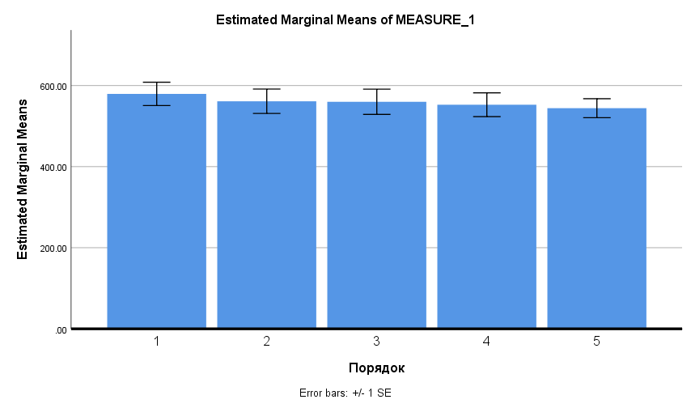
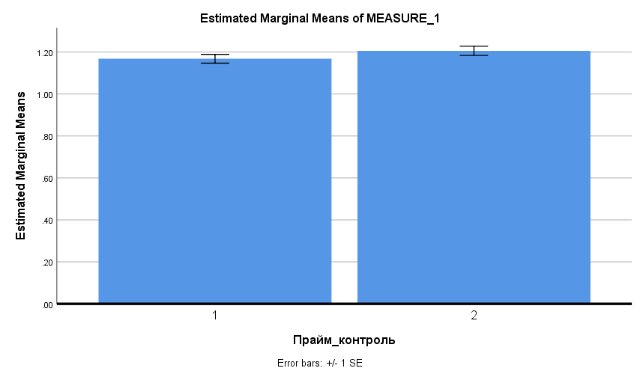


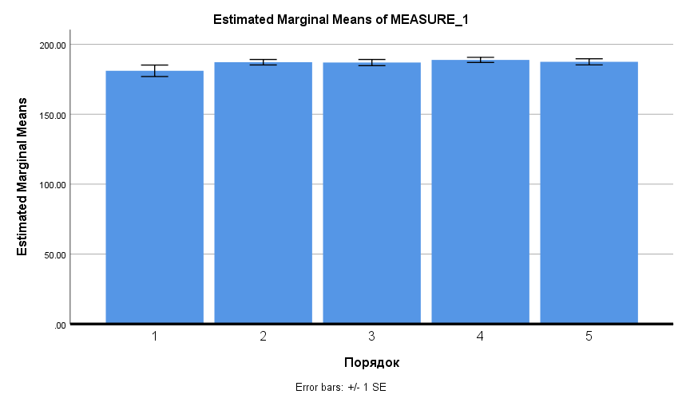
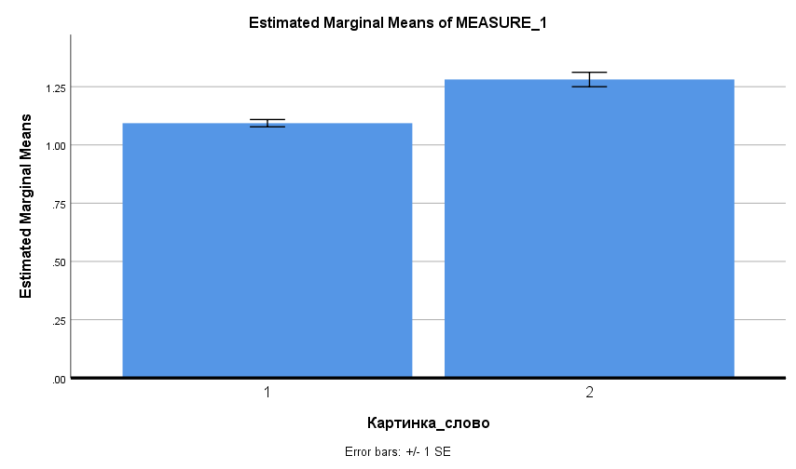

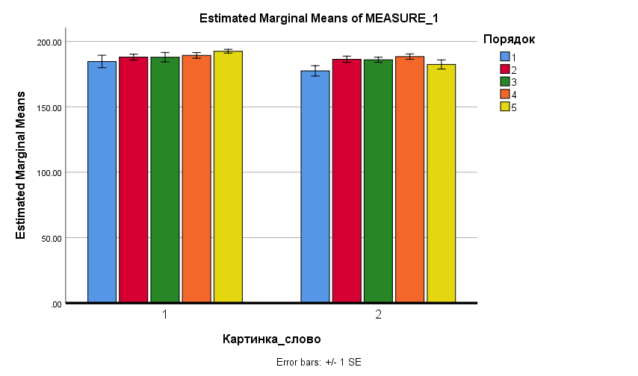
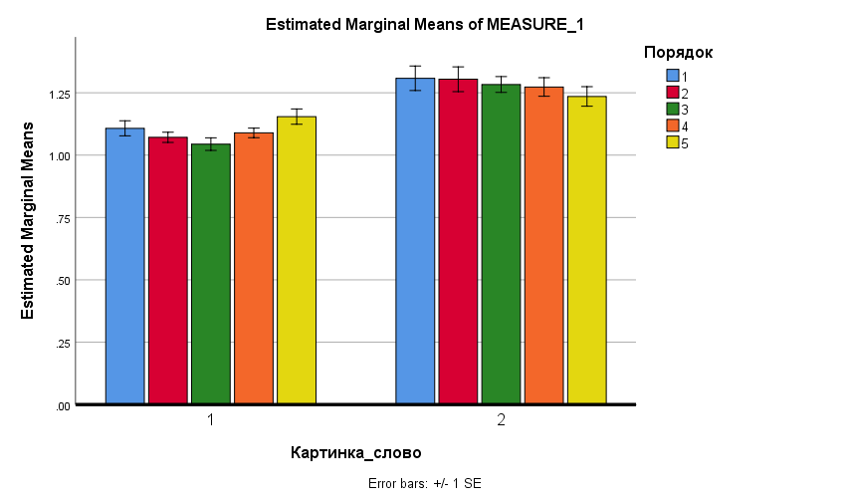

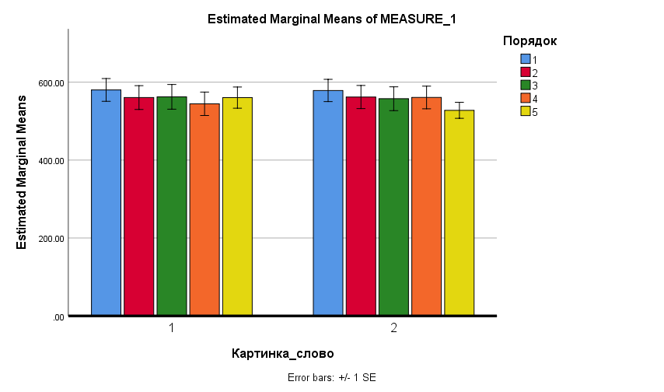

Задания с праймингом |  |  |  |  |  | Задания с контролем
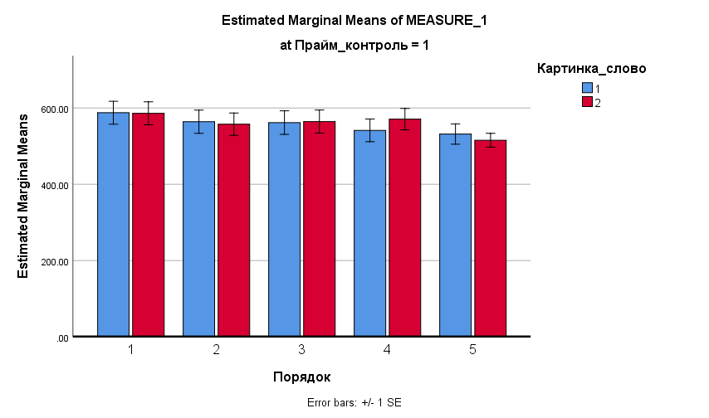
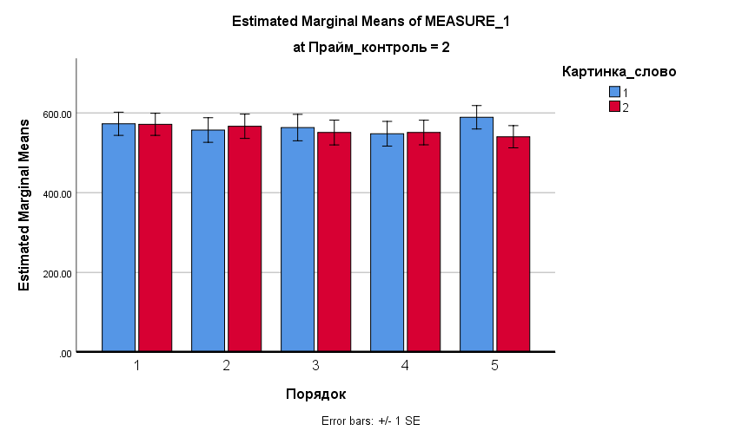

Возможно наши испытуемые узнавали прайминг и контроль

Sheet2
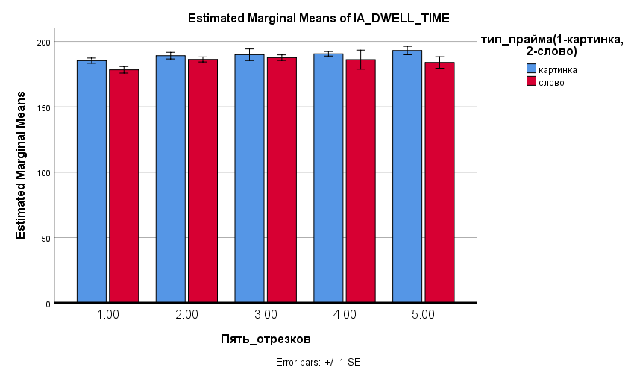
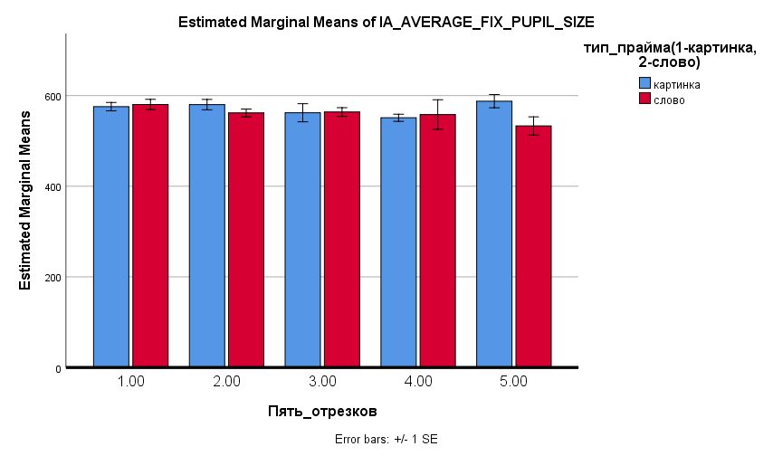
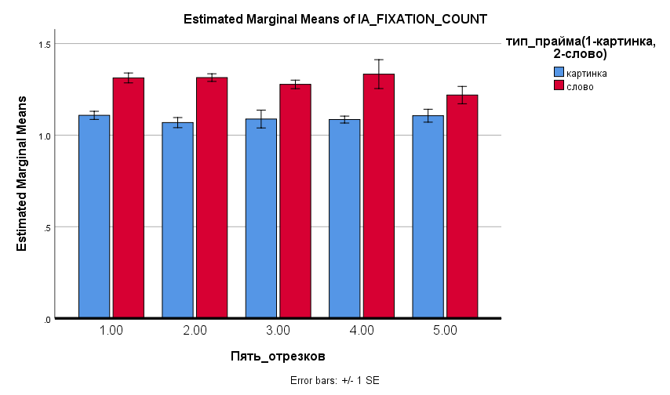
Tests of Between-Subjects Effects |  |  |  |  |  | Tests of Between-Subjects Effects |  |  |  |  |  | Tests of Between-Subjects Effects |  |  |  |  |  | Tests of Between-Subjects Effects
Dependent Variable: | IA_AVERAGE_FIX_PUPIL_SIZE |  |  |  |  | Dependent Variable: | IA_DWELL_TIME |  |  |  |  | Dependent Variable: | IA_FIXATION_COUNT |  |  |  |  | Dependent Variable: | IA_RUN_COUNT
Source | Type III Sum of Squares | df | Mean Square | F | Sig. | Source | Type III Sum of Squares | df | Mean Square | F | Sig. | Source | Type III Sum of Squares | df | Mean Square | F | Sig. | Source | Type III Sum of Squares | df | Mean Square | F | Sig.
Corrected Model | 1612167.696a | 31 | 52005.410 | 1.708 | 0.009 | Corrected Model | 65368.530a | 31 | 2108.662 | 1.400 | 0.070 | Corrected Model | 44.115a | 31 | 1.423 | 7.956 | 0.000 | Corrected Model | .431a | 31 | 0.014 | 0.830 | 0.734
 | 372809894.041 | 1 | 372809894.041 | 12244.189 | 0.000 |  | 41327985.615 | 1 | 41327985.615 | 27441.812 | 0.000 |  | 1675.118 | 1 | 1675.118 | 9364.964 | 0.000 |  | 1140.556 | 1 | 1140.556 | 68075.999 | 0.000
Два_отрезка | 21599.030 | 1 | 21599.030 | 0.709 | 0.400 | Два_отрезка | 127.002 | 1 | 127.002 | 0.084 | 0.772 | Два_отрезка | 0.070 | 1 | 0.070 | 0.390 | 0.532 | Два_отрезка | 0.001 | 1 | 0.001 | 0.072 | 0.789
Три_отрезка | 8320.976 | 2 | 4160.488 | 0.137 | 0.872 | Три_отрезка | 203.878 | 2 | 101.939 | 0.068 | 0.935 | Три_отрезка | 0.136 | 2 | 0.068 | 0.380 | 0.684 | Три_отрезка | 0.011 | 2 | 0.005 | 0.314 | 0.731
Пять_отрезков | 7418.793 | 4 | 1854.698 | 0.061 | 0.993 | Пять_отрезков | 7734.940 | 4 | 1933.735 | 1.284 | 0.274 | Пять_отрезков | 0.779 | 4 | 0.195 | 1.089 | 0.360 | Пять_отрезков | 0.084 | 4 | 0.021 | 1.256 | 0.285
верность_прайма1верный2ложный | 22.027 | 1 | 22.027 | 0.001 | 0.979 | верность_прайма1верный2ложный | 740.223 | 1 | 740.223 | 0.492 | 0.483 | верность_прайма1верный2ложный | 0.015 | 1 | 0.015 | 0.082 | 0.775 | верность_прайма1верный2ложный | 0.000 | 1 | 0.000 | 0.007 | 0.934
тип_прайма1картинка2слово | 31522.729 | 1 | 31522.729 | 1.035 | 0.309 | тип_прайма1картинка2слово | 7100.234 | 1 | 7100.234 | 4.715 | 0.030 | тип_прайма1картинка2слово | 12.222 | 1 | 12.222 | 68.327 | 0.000 | тип_прайма1картинка2слово | 0.001 | 1 | 0.001 | 0.080 | 0.777
Два_отрезка * Три_отрезка | 0.000 | 0 |  |  |  | Два_отрезка * Три_отрезка | 0.000 | 0 |  |  |  | Два_отрезка * Три_отрезка | 0.000 | 0 |  |  |  | Два_отрезка * Три_отрезка | 0.000 | 0
Два_отрезка * Пять_отрезков | 0.000 | 0 |  |  |  | Два_отрезка * Пять_отрезков | 0.000 | 0 |  |  |  | Два_отрезка * Пять_отрезков | 0.000 | 0 |  |  |  | Два_отрезка * Пять_отрезков | 0.000 | 0
Два_отрезка * верность_прайма1верный2ложный | 13633.618 | 1 | 13633.618 | 0.448 | 0.503 | Два_отрезка * верность_прайма1верный2ложный | 2428.423 | 1 | 2428.423 | 1.612 | 0.204 | Два_отрезка * верность_прайма1верный2ложный | 0.123 | 1 | 0.123 | 0.689 | 0.407 | Два_отрезка * верность_прайма1верный2ложный | 0.024 | 1 | 0.024 | 1.405 | 0.236
Два_отрезка * тип_прайма1картинка2слово | 1314.558 | 1 | 1314.558 | 0.043 | 0.835 | Два_отрезка * тип_прайма1картинка2слово | 268.518 | 1 | 268.518 | 0.178 | 0.673 | Два_отрезка * тип_прайма1картинка2слово | 0.054 | 1 | 0.054 | 0.303 | 0.582 | Два_отрезка * тип_прайма1картинка2слово | 0.003 | 1 | 0.003 | 0.158 | 0.691
Три_отрезка * Пять_отрезков | 0.000 | 0 |  |  |  | Три_отрезка * Пять_отрезков | 0.000 | 0 |  |  |  | Три_отрезка * Пять_отрезков | 0.000 | 0 |  |  |  | Три_отрезка * Пять_отрезков | 0.000 | 0
Три_отрезка * верность_прайма1верный2ложный | 46691.444 | 2 | 23345.722 | 0.767 | 0.465 | Три_отрезка * верность_прайма1верный2ложный | 960.689 | 2 | 480.345 | 0.319 | 0.727 | Три_отрезка * верность_прайма1верный2ложный | 0.241 | 2 | 0.121 | 0.674 | 0.510 | Три_отрезка * верность_прайма1верный2ложный | 0.003 | 2 | 0.001 | 0.085 | 0.919
Три_отрезка * тип_прайма1картинка2слово | 2316.772 | 2 | 1158.386 | 0.038 | 0.963 | Три_отрезка * тип_прайма1картинка2слово | 555.223 | 2 | 277.612 | 0.184 | 0.832 | Три_отрезка * тип_прайма1картинка2слово | 0.063 | 2 | 0.031 | 0.175 | 0.839 | Три_отрезка * тип_прайма1картинка2слово | 0.013 | 2 | 0.007 | 0.391 | 0.676
Пять_отрезков * верность_прайма1верный2ложный | 176108.019 | 4 | 44027.005 | 1.446 | 0.216 | Пять_отрезков * верность_прайма1верный2ложный | 3638.693 | 4 | 909.673 | 0.604 | 0.660 | Пять_отрезков * верность_прайма1верный2ложный | 0.526 | 4 | 0.131 | 0.735 | 0.568 | Пять_отрезков * верность_прайма1верный2ложный | 0.026 | 4 | 0.006 | 0.385 | 0.820
Пять_отрезков * тип_прайма1картинка2слово | 193876.157 | 4 | 48469.039 | 1.592 | 0.174 | Пять_отрезков * тип_прайма1картинка2слово | 1161.019 | 4 | 290.255 | 0.193 | 0.942 | Пять_отрезков * тип_прайма1картинка2слово | 0.607 | 4 | 0.152 | 0.848 | 0.494 | Пять_отрезков * тип_прайма1картинка2слово | 0.040 | 4 | 0.010 | 0.597 | 0.665
верность_прайма1верный2ложный * тип_прайма1картинка2слово | 10412.928 | 1 | 10412.928 | 0.342 | 0.559 | верность_прайма1верный2ложный * тип_прайма1картинка2слово | 4.779 | 1 | 4.779 | 0.003 | 0.955 | верность_прайма1верный2ложный * тип_прайма1картинка2слово | 0.010 | 1 | 0.010 | 0.054 | 0.816 | верность_прайма1верный2ложный * тип_прайма1картинка2слово | 0.005 | 1 | 0.005 | 0.285 | 0.593
Два_отрезка * Три_отрезка * Пять_отрезков | 0.000 | 0 |  |  |  | Два_отрезка * Три_отрезка * Пять_отрезков | 0.000 | 0 |  |  |  | Два_отрезка * Три_отрезка * Пять_отрезков | 0.000 | 0 |  |  |  | Два_отрезка * Три_отрезка * Пять_отрезков | 0.000 | 0
Два_отрезка * Три_отрезка * верность_прайма1верный2ложный | 0.000 | 0 |  |  |  | Два_отрезка * Три_отрезка * верность_прайма1верный2ложный | 0.000 | 0 |  |  |  | Два_отрезка * Три_отрезка * верность_прайма1верный2ложный | 0.000 | 0 |  |  |  | Два_отрезка * Три_отрезка * верность_прайма1верный2ложный | 0.000 | 0
Два_отрезка * Три_отрезка * тип_прайма1картинка2слово | 0.000 | 0 |  |  |  | Два_отрезка * Три_отрезка * тип_прайма1картинка2слово | 0.000 | 0 |  |  |  | Два_отрезка * Три_отрезка * тип_прайма1картинка2слово | 0.000 | 0 |  |  |  | Два_отрезка * Три_отрезка * тип_прайма1картинка2слово | 0.000 | 0
Два_отрезка * Пять_отрезков * верность_прайма1верный2ложный | 0.000 | 0 |  |  |  | Два_отрезка * Пять_отрезков * верность_прайма1верный2ложный | 0.000 | 0 |  |  |  | Два_отрезка * Пять_отрезков * верность_прайма1верный2ложный | 0.000 | 0 |  |  |  | Два_отрезка * Пять_отрезков * верность_прайма1верный2ложный | 0.000 | 0
Два_отрезка * Пять_отрезков * тип_прайма1картинка2слово | 0.000 | 0 |  |  |  | Два_отрезка * Пять_отрезков * тип_прайма1картинка2слово | 0.000 | 0 |  |  |  | Два_отрезка * Пять_отрезков * тип_прайма1картинка2слово | 0.000 | 0 |  |  |  | Два_отрезка * Пять_отрезков * тип_прайма1картинка2слово | 0.000 | 0
Два_отрезка * верность_прайма1верный2ложный * тип_прайма1картинка2слово | 5148.808 | 1 | 5148.808 | 0.169 | 0.681 | Два_отрезка * верность_прайма1верный2ложный * тип_прайма1картинка2слово | 6.523 | 1 | 6.523 | 0.004 | 0.948 | Два_отрезка * верность_прайма1верный2ложный * тип_прайма1картинка2слово | 0.074 | 1 | 0.074 | 0.414 | 0.520 | Два_отрезка * верность_прайма1верный2ложный * тип_прайма1картинка2слово | 0.000 | 1 | 0.000 | 0.029 | 0.866
Три_отрезка * Пять_отрезков * верность_прайма1верный2ложный | 0.000 | 0 |  |  |  | Три_отрезка * Пять_отрезков * верность_прайма1верный2ложный | 0.000 | 0 |  |  |  | Три_отрезка * Пять_отрезков * верность_прайма1верный2ложный | 0.000 | 0 |  |  |  | Три_отрезка * Пять_отрезков * верность_прайма1верный2ложный | 0.000 | 0
Три_отрезка * Пять_отрезков * тип_прайма1картинка2слово | 0.000 | 0 |  |  |  | Три_отрезка * Пять_отрезков * тип_прайма1картинка2слово | 0.000 | 0 |  |  |  | Три_отрезка * Пять_отрезков * тип_прайма1картинка2слово | 0.000 | 0 |  |  |  | Три_отрезка * Пять_отрезков * тип_прайма1картинка2слово | 0.000 | 0
Три_отрезка * верность_прайма1верный2ложный * тип_прайма1картинка2слово | 912.956 | 2 | 456.478 | 0.015 | 0.985 | Три_отрезка * верность_прайма1верный2ложный * тип_прайма1картинка2слово | 725.033 | 2 | 362.517 | 0.241 | 0.786 | Три_отрезка * верность_прайма1верный2ложный * тип_прайма1картинка2слово | 0.127 | 2 | 0.063 | 0.354 | 0.702 | Три_отрезка * верность_прайма1верный2ложный * тип_прайма1картинка2слово | 0.017 | 2 | 0.008 | 0.497 | 0.608
Пять_отрезков * верность_прайма1верный2ложный * тип_прайма1картинка2слово | 75054.128 | 4 | 18763.532 | 0.616 | 0.651 | Пять_отрезков * верность_прайма1верный2ложный * тип_прайма1картинка2слово | 4376.312 | 4 | 1094.078 | 0.726 | 0.574 | Пять_отрезков * верность_прайма1верный2ложный * тип_прайма1картинка2слово | 0.353 | 4 | 0.088 | 0.494 | 0.740 | Пять_отрезков * верность_прайма1верный2ложный * тип_прайма1картинка2слово | 0.019 | 4 | 0.005 | 0.288 | 0.886
Два_отрезка * Три_отрезка * Пять_отрезков * верность_прайма1верный2ложный | 0.000 | 0 |  |  |  | Два_отрезка * Три_отрезка * Пять_отрезков * верность_прайма1верный2ложный | 0.000 | 0 |  |  |  | Два_отрезка * Три_отрезка * Пять_отрезков * верность_прайма1верный2ложный | 0.000 | 0 |  |  |  | Два_отрезка * Три_отрезка * Пять_отрезков * верность_прайма1верный2ложный | 0.000 | 0
Два_отрезка * Три_отрезка * Пять_отрезков * тип_прайма1картинка2слово | 0.000 | 0 |  |  |  | Два_отрезка * Три_отрезка * Пять_отрезков * тип_прайма1картинка2слово | 0.000 | 0 |  |  |  | Два_отрезка * Три_отрезка * Пять_отрезков * тип_прайма1картинка2слово | 0.000 | 0 |  |  |  | Два_отрезка * Три_отрезка * Пять_отрезков * тип_прайма1картинка2слово | 0.000 | 0
Два_отрезка * Три_отрезка * верность_прайма1верный2ложный * тип_прайма1картинка2слово | 0.000 | 0 |  |  |  | Два_отрезка * Три_отрезка * верность_прайма1верный2ложный * тип_прайма1картинка2слово | 0.000 | 0 |  |  |  | Два_отрезка * Три_отрезка * верность_прайма1верный2ложный * тип_прайма1картинка2слово | 0.000 | 0 |  |  |  | Два_отрезка * Три_отрезка * верность_прайма1верный2ложный * тип_прайма1картинка2слово | 0.000 | 0
Два_отрезка * Пять_отрезков * верность_прайма1верный2ложный * тип_прайма1картинка2слово | 0.000 | 0 |  |  |  | Два_отрезка * Пять_отрезков * верность_прайма1верный2ложный * тип_прайма1картинка2слово | 0.000 | 0 |  |  |  | Два_отрезка * Пять_отрезков * верность_прайма1верный2ложный * тип_прайма1картинка2слово | 0.000 | 0 |  |  |  | Два_отрезка * Пять_отрезков * верность_прайма1верный2ложный * тип_прайма1картинка2слово | 0.000 | 0
Три_отрезка * Пять_отрезков * верность_прайма1верный2ложный * тип_прайма1картинка2слово | 0.000 | 0 |  |  |  | Три_отрезка * Пять_отрезков * верность_прайма1верный2ложный * тип_прайма1картинка2слово | 0.000 | 0 |  |  |  | Три_отрезка * Пять_отрезков * верность_прайма1верный2ложный * тип_прайма1картинка2слово | 0.000 | 0 |  |  |  | Три_отрезка * Пять_отрезков * верность_прайма1верный2ложный * тип_прайма1картинка2слово | 0.000 | 0
Два_отрезка * Три_отрезка * Пять_отрезков * верность_прайма1верный2ложный * тип_прайма1картинка2слово | 0.000 | 0 |  |  |  | Два_отрезка * Три_отрезка * Пять_отрезков * верность_прайма1верный2ложный * тип_прайма1картинка2слово | 0.000 | 0 |  |  |  | Два_отрезка * Три_отрезка * Пять_отрезков * верность_прайма1верный2ложный * тип_прайма1картинка2слово | 0.000 | 0 |  |  |  | Два_отрезка * Три_отрезка * Пять_отрезков * верность_прайма1верный2ложный * тип_прайма1картинка2слово | 0.000 | 0
Error | 129312246.465 | 4247 | 30447.904 |  |  | Error | 6506017.130 | 4320 | 1506.022 |  |  | Error | 772.721 | 4320 | 0.179 |  |  | Error | 72.378 | 4320 | 0.017
Total | 1475907309.233 | 4279 |  |  |  | Total | 157622755.000 | 4352 |  |  |  | Total | 6923.000 | 4352 |  |  |  | Total | 4282.000 | 4352
Corrected Total | 130924414.161 | 4278 |  |  |  | Corrected Total | 6571385.660 | 4351 |  |  |  | Corrected Total | 816.836 | 4351 |  |  |  | Corrected Total | 72.809 | 4351
a. R Squared = .012 (Adjusted R Squared = .005) |  |  |  |  |  | a. R Squared = .010 (Adjusted R Squared = .003) |  |  |  |  |  | a. R Squared = .054 (Adjusted R Squared = .047) |  |  |  |  |  | a. R Squared = .006 (Adjusted R Squared = -.001)

