Overview
 Portolio Project | Grammy.com Web Analytics

— Your Job
Are you excited to dive into data work for an exciting project at The Recording Academy? You know, the non-profit organization behind the Grammy Awards! In this project, you'll work on real data from both websites owned by The Recording Academy, the non-profit organization behind the famous Grammy Awards. As you just learned, Ray Starck, the VP of Digital Strategy, decided to split the websites into grammy.com and recordingacademy.com to better serve the Recording Academy's various audience needs. Now, you are tasked with examining the effect of splitting up the two websites, and analyzing the data for a better understanding of trends and audience behavior on both sites. Are you ready?!?! Let's do this!

— Your Skills
For this task, you'll engage the following skills: (1) Prepare the data by transforming it. (2) Calculate business KPIs (3) Make recommendations for the organization.

— Ready to Begin? Click the next tab below to explore the data dictionary!

Complete Your Analysis!
About Your Analysis
• All of your answers should be typed or pasted into the grey boxes. • Questions with grey answer boxes expect a specific answer. If you input the correct answer, the question number box will change from blue to green. • Questions with yellow answer boxes are free response questions. There will be no change in the question number boxes (in blue), regardless of answer. • For hints for each question, hover your mouse over the blue hint box to get helpful information!

Now, it's time to analyze!

Part 1: Explore the Data
 | To begin the data exploration you will be looking at the Grammys Data sheet. The data contained there includes all the data provided by The Recording Academy, the organization behind The Grammy Awards. |  | Note!

1a | Create a line chart of the number of daily visitors to the Grammy.com website. See if you can spot the days the Grammy Awards are hosted. Use the Grammys Data sheet for this graph. The horizontal axis should be the date field. |  | Hint!

Grammy.com visitors per day
 | visitors
1/1/2017 | 9611
1/2/2017 | 10752
1/3/2017 | 11425
1/4/2017 | 13098
1/5/2017 | 12234
1/6/2017 | 11461
1/7/2017 | 11183
1/8/2017 | 16265
1/9/2017 | 17852
1/10/2017 | 14211
1/11/2017 | 13456
1/12/2017 | 13616
1/13/2017 | 11880
1/14/2017 | 11888
1/15/2017 | 12706
1/16/2017 | 12691
1/17/2017 | 13260
1/18/2017 | 14483
1/19/2017 | 13551
1/20/2017 | 13215
1/21/2017 | 12578
1/22/2017 | 16502
1/23/2017 | 14620
1/24/2017 | 17787
1/25/2017 | 15447
1/26/2017 | 15211
1/27/2017 | 14007
1/28/2017 | 12950
1/29/2017 | 16137
1/30/2017 | 18765
1/31/2017 | 35148
2/1/2017 | 28565
2/2/2017 | 27502
2/3/2017 | 22888
2/4/2017 | 25069
2/5/2017 | 30728
2/6/2017 | 34723
2/7/2017 | 47583
2/8/2017 | 52279
2/9/2017 | 73648
2/10/2017 | 91058
2/11/2017 | 133362
2/12/2017 | 1930245
2/13/2017 | 1057729
2/14/2017 | 213939
2/15/2017 | 105345
2/16/2017 | 72888
2/17/2017 | 62042
2/18/2017 | 56309
2/19/2017 | 45545
...

1b | What can you say about the visitors to the website by looking at the graph?

 | The website has regularly occuring spikes in visitor popularity every year around days in January and March. The overall peak in popularity occurred during the 2021.

 |  |  |  | Place the PivotTable for Task 2a below.
2a | Using the Grammys Data sheet, create a PivotTable to compare the average daily website visitors on days when an award ceremony was held to those when no awards ceremonies were held. |  | Hint!
 |  |  |  |  | Row Labels | Average of visitors
2b | What can you say about these results? Roughly how many more visitors are on the website for the Grammy Awards ceremony versus a regular day? |  |  |  | Grammy Awards | 1389590.2308
 |  |  |  |  | Regular Day | 32388.276943
 | The website consistantly gets more visitors during Grammy events vs regular days. There are on average roughly 1,357,202 more visitors on the website for the Grammy Awards ceremony versus on a regular day. |  |  |  | Grand Total | 39921.848847

3 | February 1st, 2022 marks the transition from when Grammy.com began to only host Grammys content instead of both Recording Academy and Grammys content. Fill in the values in the website_content column in the Grammys Data sheet. This column will have the value "Grammys" if the date occurred on or after 2/1/2022 and the value "Grammys + TRA" otherwise. |  | Hint!

Part 2: Analyze the Data
 | The Recording Academy is interested in several KPIs (Key Performance Indicators) to determine if the change from one site to two separate sites has improved these KPIs. In the section below you will calculate bounce rate, pages per session, and average time on site KPIs. |  | Note!

 | Calculate the pages_per_session metric by first finding the total pageviews and then dividing that by the total number of sessions. Pages per session is an important measure of how many unique pages a user views before leaving the site -- it's a strong indicator of user engagement.
4a | What is the pages_per_session on the Recording Academy data? | 2.78 | Hint!
4b | What is the pages_per_session on the Grammys data? | 2.25
4c | What is the pages_per_session on the Grammys + TRA data? | 1.86
 | Calculate the bounce_rate metric. You will need to first calculate the total bounced_sessions and divide by the total number of sessions. Bounce rate is an important metric that calculates the percentage of users (aka sessions) that come to your site and never interact with the page and leave. They are said to have "bounced" off your home page. It is a measure of how engaging your home page is with users.
5a | What is the bounce_rate on the Recording Academy data? | 33.7% | Hint!
5b | What is the bounce_rate on the Grammys data? | 40.2%
5c | What is the bounce_rate on the Grammys + TRA data? | 41.6%
 | Calculate the average_time_on_site metric. To do this, you only need to calculate the average of the avg_session_duration_secs column. Average Time on Site measures how engaging your website experience is for your users. The higher the number, the longer they are staying on your page and engaging with the content.
6a | What is the average_time_on_site on the Recording Academy data? | 128.50 | Hint!
6b | What is the average_time_on_site on the Grammys data? | 82.99
6c | What is the average_time_on_site on the Grammys + TRA data? | 102.85
Part 3: Device Breakdown
 | Ray and team want to know the percentage of visitors coming from mobile devices (iOS, Android, Tablets). They want to optimize the experience for mobile users but need to understand the percentage of mobile users in order to determine the impact it will have on the site.

7a | In the Grammys Data sheet there is a mobile_visits table on the right. Use the XLOOKUP function to fill in the missing column of the grammys table by looking up the corresponding date and returning the mobile_visitors column of the mobile_visits table. If the date is not found, the function should return the numeric value 0. |  | Hint!

7b | What percentage of uses across all dates in the dataset use a mobile device to visit the website? To calculate this value, you will the total number of mobile_visitors and divide by the total number of visitors | 73.7% | Hint!
Part 4: Communicate Findings
8 | Using the work you did in this project, would you recommend that the websites stay separate? Please give a 2-3 paragraph answer using details from the analysis work above explaining why or why not they should stay separate. |  | Hint!

 | Based on the currently measured KPIs, I recommend that the websites stay separate. Pages per session for the two websites after the split are both higher than what they were before the split; by 20% for the Grammys website and by 50% for the Recording Academy website. As this is one of the most important metrics for the website success, the significant improvement in it supports my recommendation. In addition, Bounce rate has decreased for both new websites as compared to the pre-split website. While the average time spent on the Grammys site is lower than on the old pre-split website, the average time spent on the Recording Academy website is much higher, suggesting a balance of tailoring the websites to the needs of the visitors (again, since pages per session is up for both sites). While the data only encompasses the past few years and many events have happened that could have affected site traffic and visitor behavior, such as the Covid pandemic that drove up online activity, the data we have is quite convincing that the decision to separate the websites was beneficial to the overall goals of the Grammys.

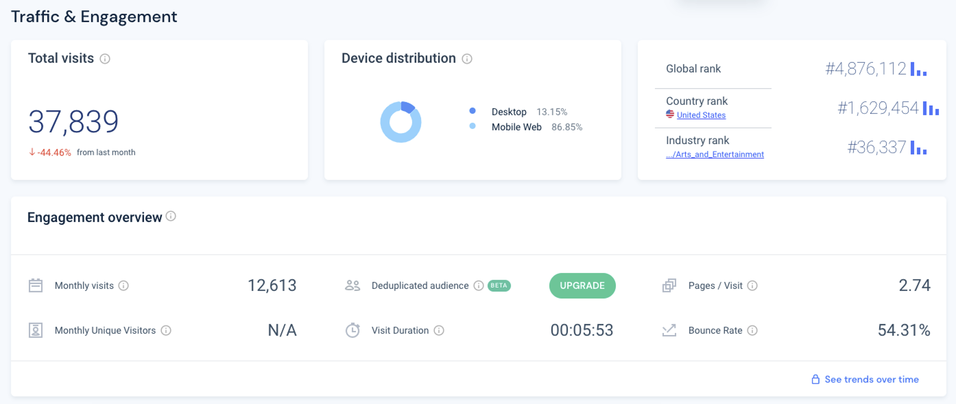
9 | Ray's team is also interested in comparing metrics of the Grammy.com website to that of their main competitor, The American Music Awards (theAMAs.com). On the right you will find a dashboard of the key metrics from The AMAs, use your findings from above to give feedback to Ray and team on which metrics are performing better / worse relative to the competition.

 | Both the Grammys and TRA websites are doing much better in terms of bounce rate than the AMA. Pages per session for TRA website is roughly equivalent to that of the AMA. However, the Grammys website is performing worse than the AMA when it comes to this metric. When it comes to time spent on each site, the AMA has roughly five times the average duration of the Grammys and TRA websites.

LevelUp! A/B Test in Excel
 | In your calculations for Ray, you noticed that there was indeed a difference in the pages_per_session metric between the "Grammys + TRA" content and the Recording Academy Data sheet. He wants to know if that difference is statistically significant and wants you to performan an A/B Test on the results. You have been provided with the control and test numbers in the AB Testing sheet. Use those to complete the analysis below.

10a | In words, state the null hypothesis for the A/B test. |  | Hint!
 | pages_per_session for TRA website is less than or equal to pages_per_session for the Grammys + TRA website

 | In words, state the alternative hypothesis for the A/B test.
 | pages_per_session for TRA website is greater than pages_per_session for the Grammys + TRA website

10b | Use the Data Analysis Toolpak to run an A/B test between the control group and test group. |  | Note!

10c | From the output of the A/B test, is there evidence at the 95% confidence level that the pages_per_session between the two websites are different? Why or Why not? Note: Pay attention to scientific notation when analyzing the results!

 | Looking at the reuslts of a one-tailed T-test assuming unequal variances, the p-value is equal to 2.30323460362384E-103 which is absurdly small, definitely below 0.05 meaning that we reject the null hypothesis in favor of the alternative. The chances of this being a Type I error are astronomically small. Therefore, we conclude that the pages_per_session between the two websites are different, specifically pages_per_session for the Recording Academy website is greater than pages_per_session for the Grammys + TRA website.

