Sheet1
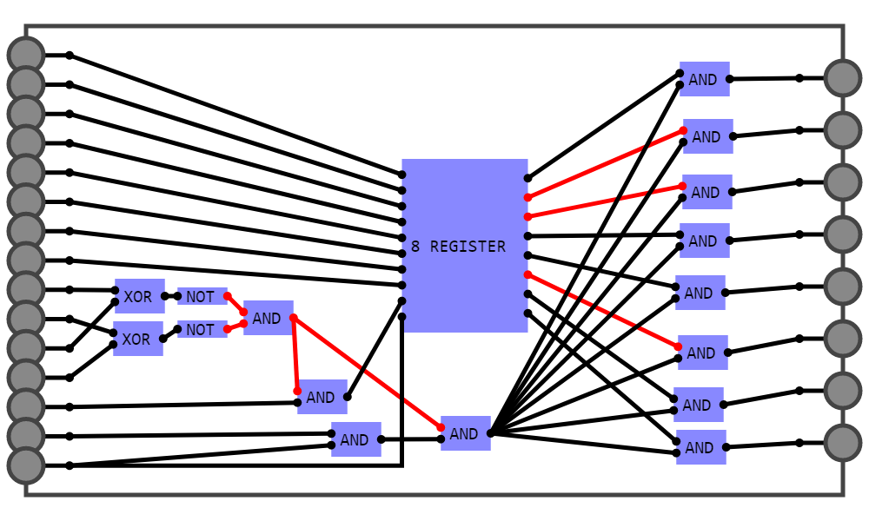
A | B | C |  |  |  | OUTPUT | CARRY
0 | 0 | 0 |  |  |  | 0 | 0 |  |  | 1 RAM
0 | 0 | 1 |  |  |  | 1 | 0
0 | 1 | 0 |  |  |  | 1 | 0 | Number
0 | 1 | 1 |  |  |  | 0 | 1 | Number
1 | 0 | 0 |  |  |  | 1 | 0 | Number
1 | 0 | 1 |  |  |  | 0 | 1 | Number
1 | 1 | 0 |  |  |  | 0 | 1 | Number
1 | 1 | 1 |  |  |  | 1 |  | Number
 |  |  |  |  |  |  |  | Number
 |  |  |  |  |  |  |  | Number
 | A & B | A ^ B | C | OUTPUT | CARRY |  |  | Current
 | 0 | 0 | 0 | 0 | 0 |  |  | Address
 | 0 | 0 | 1 | 1 | 0 |  |  | Address
 | 0 | 1 | 0 | 1 | 0 |  |  | Address
 | 0 | 1 | 1 | 0 | 1 |  |  | Write
 | 1 | 0 | 0 | 1 | 0 |  |  | Read
 | 1 | 0 | 1 | 0 | 1 |  |  | Clock
 | 1 | 1 | 0 | 0 | 1
 | 1 | 1 | 1 | 1 | 1

 |  |  |  |  | 4 RAM |  |  |  |  |  | Example of a computer that adds 3 to a number and stores
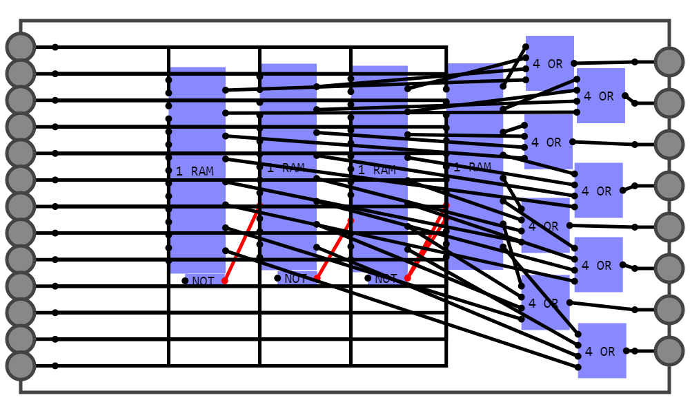
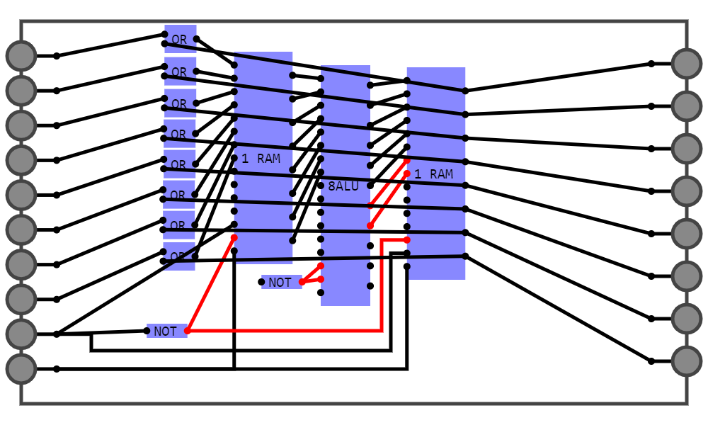

 |  | Number |  |  |  |  |  |  | OUTPUT # | starting
 |  | Number |  |  |  |  |  |  | OUTPUT # | number
 |  | Number |  |  |  |  |  |  | OUTPUT # | .
 |  | Number |  |  |  |  |  |  | OUTPUT # | .
 |  | Number |  |  |  |  |  |  | OUTPUT # | .
 |  | Number |  |  |  |  |  |  | OUTPUT # | .
 |  | Number |  |  |  |  |  |  | OUTPUT # | .
 |  | Number |  |  |  |  |  |  | OUTPUT # | .
 |  | Address |  |  |  |  |  |  | OUTPUT # | Toggle this
 |  | Address |  |  |  |  |  |  | OUTPUT # | clock
 |  | Write |  |  |  |  |  |  | OUTPUT #
 |  | Read |  |  |  |  |  |  | OUTPUT #
 |  | Clock |  |  |  |  |  |  | OUTPUT #

