Figure 1
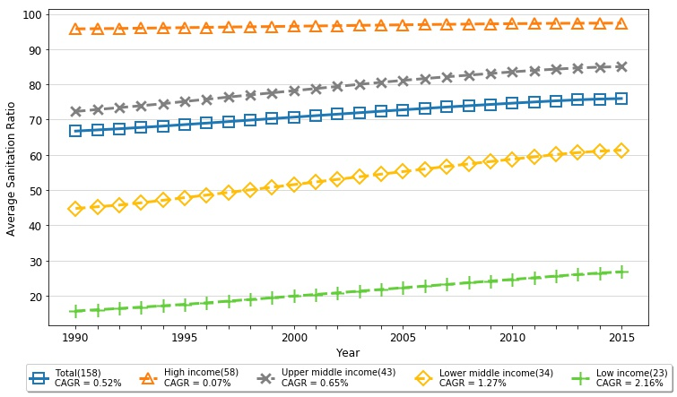
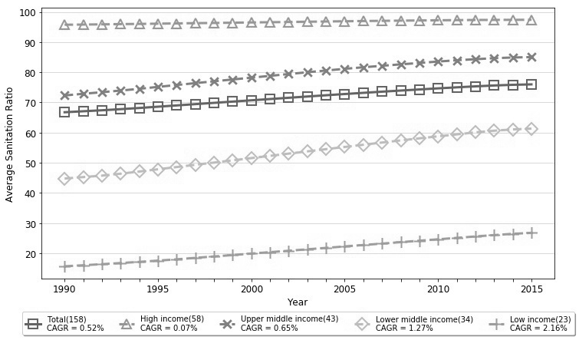
Figure 1. Averaged Sanitation Indexes for Total and Four Subgroups of Countries (1990~2015) | REVISED FIGURE BY PYTHON - COLOR&GRAY SCALE

Average Sanitation Ratio
 | Total | High income | Upper middle income | Lower middle income | Low income
1990 | 66.747468354 | 95.744827586 | 72.31627907 | 44.779411765 | 15.686956522
1991 | 67.076582278 | 95.806896552 | 72.865116279 | 45.267647059 | 16.043478261
1992 | 67.403164557 | 95.879310345 | 73.397674419 | 45.747058824 | 16.4
1993 | 67.770253165 | 95.95862069 | 73.93255814 | 46.385294118 | 16.77826087
1994 | 68.162658228 | 96.022413793 | 74.513953488 | 47.105882353 | 17.160869565
1995 | 68.588607595 | 96.106896552 | 75.151162791 | 47.852941176 | 17.57826087
1996 | 69.005696203 | 96.186206897 | 75.772093023 | 48.585294118 | 18
1997 | 69.439240506 | 96.267241379 | 76.397674419 | 49.335294118 | 18.495652174
1998 | 69.856962025 | 96.344827586 | 77 | 50.070588235 | 18.956521739
1999 | 70.278481013 | 96.418965517 | 77.611627907 | 50.814705882 | 19.42173913
2000 | 70.702531646 | 96.505172414 | 78.206976744 | 51.555882353 | 19.908695652
2001 | 71.124050633 | 96.582758621 | 78.809302326 | 52.3 | 20.382608696
2002 | 71.544303797 | 96.663793103 | 79.409302326 | 53.041176471 | 20.847826087
2003 | 71.963291139 | 96.743103448 | 80.006976744 | 53.773529412 | 21.326086957
2004 | 72.377848101 | 96.822413793 | 80.579069767 | 54.520588235 | 21.8
2005 | 72.786075949 | 96.901724138 | 81.141860465 | 55.247058824 | 22.27826087
2006 | 73.179113924 | 96.975862069 | 81.653488372 | 55.982352941 | 22.747826087
2007 | 73.564556962 | 97.043103448 | 82.151162791 | 56.711764706 | 23.217391304
2008 | 73.936708861 | 97.105172414 | 82.618604651 | 57.417647059 | 23.7
2009 | 74.302531646 | 97.168965517 | 83.086046512 | 58.1 | 24.169565217
2010 | 74.662025316 | 97.222413793 | 83.548837209 | 58.773529412 | 24.643478261
2011 | 75.002531646 | 97.274137931 | 83.976744186 | 59.405882353 | 25.117391304
2012 | 75.330379747 | 97.322413793 | 84.327906977 | 60.088235294 | 25.582608696
2013 | 75.616455696 | 97.351724138 | 84.66744186 | 60.632352941 | 26.034782609
2014 | 75.838607595 | 97.374137931 | 84.890697674 | 61.055882353 | 26.460869565
2015 | 75.985443038 | 97.386206897 | 85.025581395 | 61.332352941 | 26.77826087

Figure 2
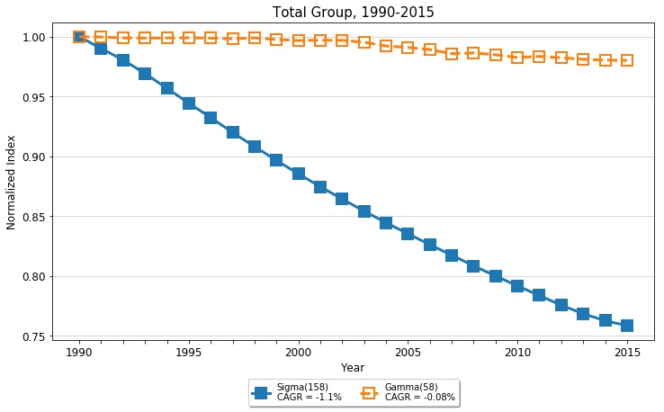
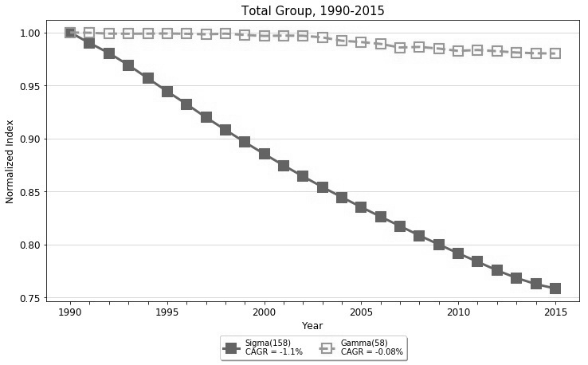
Figure 2. Normalized Sigma and Gamma Sanitation Indexes for Total Group of 158 Countries (1990-2015) | REVISED FIGURE BY PYTHON - COLOR&GRAY SCALE

Total Group, 1990-2015
1990 | 1 | 1
1991 | 0.99006222043 | 0.99973878341
1992 | 0.98055388336 | 0.9989600848
1993 | 0.9692857563 | 0.99882102832
1994 | 0.95684838774 | 0.99894160629
1995 | 0.9444402507 | 0.99909095601
1996 | 0.93243047398 | 0.99878084187
1997 | 0.91991711532 | 0.99829852999
1998 | 0.90820574305 | 0.99893965188
1999 | 0.89661304688 | 0.99769443026
2000 | 0.88545353842 | 0.99676362714
2001 | 0.87469601143 | 0.99708861344
2002 | 0.86433681472 | 0.99695311213
2003 | 0.85430724563 | 0.99536594269
2004 | 0.84464123808 | 0.99224014307
2005 | 0.83537399637 | 0.99100115696
2006 | 0.82628885817 | 0.98923325086
2007 | 0.81748561534 | 0.9858625633
2008 | 0.80857780319 | 0.98641271658
2009 | 0.80014328173 | 0.9848449796
2010 | 0.79180217843 | 0.98266960633
2011 | 0.78380169077 | 0.98352435486
2012 | 0.775718402 | 0.98240083267
2013 | 0.76857149498 | 0.98115102748
2014 | 0.76275001215 | 0.98042541911
2015 | 0.75860081026 | 0.98020069885
Gamma
CAGR= -0.186%
Sigma
CAGR= -1.099%

Figure 3
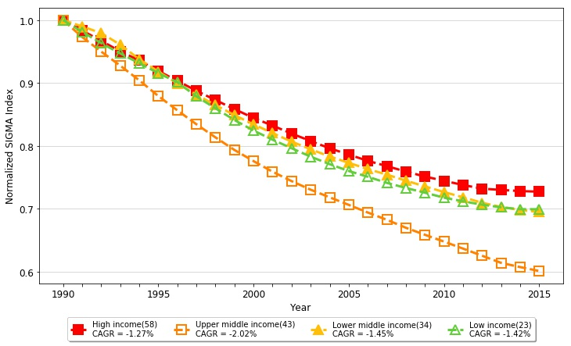
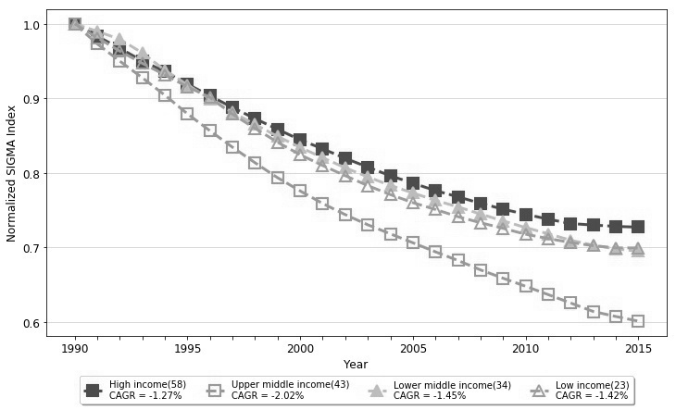
Figure 3. Normalized Sigma Sanitation Indexes for Total Group and Four Income Subgroups (1990-2015) | REVISED FIGURE BY PYTHON - COLOR&GRAY SCALE

Sigma
 | High | Upper Middle | Lower Middle | Low
1990 | 1 | 1 | 1 | 1
1991 | 0.98338117062 | 0.97320387305 | 0.99003263451 | 0.98145647546
1992 | 0.96719873085 | 0.95002124009 | 0.97939605311 | 0.96345503012
1993 | 0.95029210123 | 0.92762193461 | 0.96104657015 | 0.94702322872
1994 | 0.93592429694 | 0.90424692769 | 0.93778475158 | 0.93149389666
1995 | 0.91908180448 | 0.87921403931 | 0.91830863413 | 0.91554747045
1996 | 0.90344222144 | 0.85642721931 | 0.89913533996 | 0.90128842804
1997 | 0.88765941522 | 0.83431712922 | 0.88136007292 | 0.87869734938
1998 | 0.87278907671 | 0.81346410126 | 0.86489144354 | 0.8597012893
1999 | 0.858357904 | 0.79333783224 | 0.84885266145 | 0.8410137973
2000 | 0.84433084701 | 0.775678855 | 0.83410568112 | 0.82427514641
2001 | 0.83217262545 | 0.75873430825 | 0.8202757403 | 0.80971767734
2002 | 0.81942897118 | 0.7438162567 | 0.80670519978 | 0.79613387343
2003 | 0.80762355537 | 0.73016044116 | 0.79443878754 | 0.78275065433
2004 | 0.79600526468 | 0.71802212013 | 0.78303721732 | 0.77073505545
2005 | 0.78609186644 | 0.70602515441 | 0.77290977155 | 0.75990130262
2006 | 0.77606568664 | 0.69385880253 | 0.76305401308 | 0.75073914352
2007 | 0.76769831333 | 0.68222697498 | 0.75417076071 | 0.74103544189
2008 | 0.75901571798 | 0.66958328633 | 0.74456859842 | 0.7329276019
2009 | 0.75113538142 | 0.65841104322 | 0.73537889343 | 0.72540137064
2010 | 0.74430689662 | 0.6475852345 | 0.72641990214 | 0.7174969313
2011 | 0.73769082748 | 0.63640533295 | 0.71805473835 | 0.71165979533
2012 | 0.73177682147 | 0.62508566002 | 0.70943683296 | 0.70637402111
2013 | 0.72983565129 | 0.61373521405 | 0.70269120206 | 0.70206023133
2014 | 0.72800442174 | 0.60700703224 | 0.69787927009 | 0.69916359803
2015 | 0.7269844991 | 0.60074567305 | 0.69473564568 | 0.6990962026
CAGR = -1.27%
CAGR = -2.02%
CAGR = -1.42%
CAGR = -1.45%

Figure 4
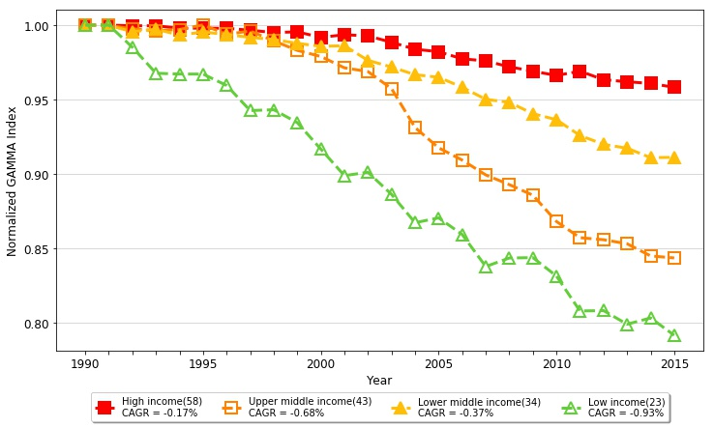
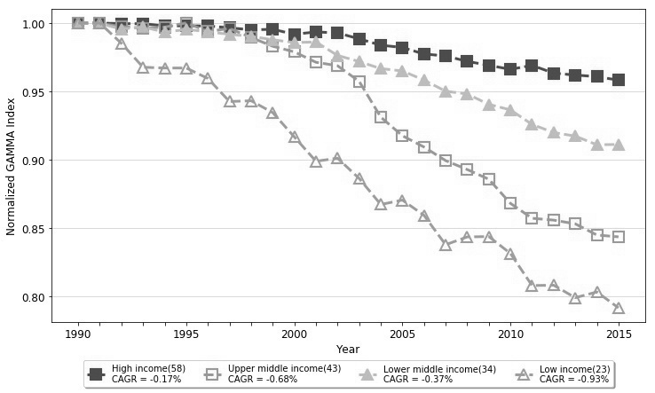
Figure 4. Normalized Gamma Sanitation Indexes for Total Group and Four Income Subgroups (1990-2015) | REVISED FIGURE BY PYTHON - COLOR&GRAY SCALE

Gamma
 | High | Upper Middle | Lower Middle | Low
1990 | 1 | 1 | 1 | 1
1991 | 1 | 0.99977348233 | 0.99969442322 | 1
1992 | 0.99957055317 | 0.99754518062 | 0.99564328405 | 0.9851349029
1993 | 0.99957055317 | 0.99622119363 | 0.99724980901 | 0.96771352466
1994 | 0.99793975355 | 0.99708512148 | 0.99335145823 | 0.9671335281
1995 | 0.99798280807 | 1.0001474999 | 0.99533770728 | 0.9671335281
1996 | 0.99790175135 | 0.99388051105 | 0.99373567609 | 0.95948616601
1997 | 0.99655124542 | 0.99603506283 | 0.99174942704 | 0.94264478433
1998 | 0.9950427997 | 0.98945902664 | 0.99037433155 | 0.94318181818
1999 | 0.99548103317 | 0.98304102604 | 0.98777692895 | 0.93452483245
2000 | 0.99178625278 | 0.9789496604 | 0.98579067991 | 0.91673827118
2001 | 0.99354028497 | 0.97133761317 | 0.98617040399 | 0.89895170992
2002 | 0.99277584765 | 0.96880202005 | 0.97631779985 | 0.90118577075
2003 | 0.98847632705 | 0.95738307123 | 0.97187794904 | 0.88636363636
2004 | 0.98381325939 | 0.9312106228 | 0.9666921314 | 0.86733115656
2005 | 0.98215631952 | 0.9176195627 | 0.96500247158 | 0.87055335968
2006 | 0.97739572021 | 0.90935430173 | 0.95828877005 | 0.85942601822
2007 | 0.97596855087 | 0.89942615524 | 0.95019098549 | 0.83790170132
2008 | 0.97199369647 | 0.89288699402 | 0.94812609536 | 0.84361574154
2009 | 0.9691220042 | 0.88578944041 | 0.94055632948 | 0.84387351779
2010 | 0.96615827191 | 0.8681632051 | 0.93651417786 | 0.83152173913
2011 | 0.96910552925 | 0.8572482142 | 0.92589763178 | 0.80804261901
2012 | 0.96334479111 | 0.85589613199 | 0.91993888464 | 0.80830039526
2013 | 0.96201119945 | 0.85317089617 | 0.91734148205 | 0.79914933837
2014 | 0.96081358098 | 0.8450057244 | 0.91099851705 | 0.80335968379
2015 | 0.95827402354 | 0.8436571541 | 0.91122994652 | 0.79173827118

Figure 5
Figure 5. Normalized Sigma Sanitation Indexes for Six Regional Subgroups (1990-2015) | REVISED FIGURE BY PYTHON - COLOR&GRAY SCALE

Sigma
 | EAP | ECA+NA | LAC | MENA | SA | SSA
1990 | 1 | 1 | 1 | 1 | 1 | 1
1991 | 0.98346256773 | 0.98872353221 | 0.97646850365 | 0.97334345032 | 0.97779088594 | 0.98840128553
1992 | 0.96790600188 | 0.97911761997 | 0.95467009624 | 0.94963276712 | 0.95002371713 | 0.97717895281
1993 | 0.94482003621 | 0.97194518142 | 0.93223141383 | 0.92655099639 | 0.91476121752 | 0.96595088758
1994 | 0.92013536913 | 0.96283558098 | 0.91037313806 | 0.89920108603 | 0.87093968943 | 0.9536159298
1995 | 0.89735223294 | 0.94261147703 | 0.89031097714 | 0.88224543976 | 0.83811251494 | 0.93954229857
1996 | 0.87564760952 | 0.9239734245 | 0.87049021321 | 0.86828926731 | 0.80873975176 | 0.92595598495
1997 | 0.85433227932 | 0.90675673021 | 0.85103234976 | 0.8534693042 | 0.78013291377 | 0.90937627283
1998 | 0.83459065931 | 0.88858748855 | 0.83338713844 | 0.84255245113 | 0.75393095962 | 0.89455930787
1999 | 0.815307026 | 0.87262529125 | 0.81531426782 | 0.83306187878 | 0.72998506896 | 0.87991284526
2000 | 0.79765676786 | 0.85736737988 | 0.79910404929 | 0.82444376489 | 0.70642823009 | 0.86604356277
2001 | 0.78040397406 | 0.84410561227 | 0.78196101541 | 0.81817800791 | 0.68577135057 | 0.85311957655
2002 | 0.76481011935 | 0.83068095726 | 0.76603520873 | 0.81458760247 | 0.66670851011 | 0.84023394062
2003 | 0.74990339227 | 0.81771451229 | 0.75077693356 | 0.81355800719 | 0.64827661186 | 0.82773494031
2004 | 0.73652873387 | 0.80642226227 | 0.73563079838 | 0.81261626167 | 0.6302191059 | 0.81591347552
2005 | 0.72331487207 | 0.79606627081 | 0.72116739656 | 0.8137057153 | 0.61364174307 | 0.80434105434
2006 | 0.70973257891 | 0.79056520953 | 0.70738920824 | 0.8153500276 | 0.59888022174 | 0.79377494416
2007 | 0.69645967854 | 0.78364003397 | 0.69482302236 | 0.81839221499 | 0.583744545 | 0.78301049833
2008 | 0.68285323983 | 0.77673799144 | 0.68153552767 | 0.82245496239 | 0.56974403121 | 0.77271321673
2009 | 0.6695819089 | 0.77034767782 | 0.669762713 | 0.82824781568 | 0.55581478759 | 0.76325957517
2010 | 0.65706039447 | 0.76437849444 | 0.65846418224 | 0.83471422309 | 0.5430363864 | 0.75349334125
2011 | 0.64529829544 | 0.75977586556 | 0.64812388403 | 0.84232786842 | 0.5273197553 | 0.74487978539
2012 | 0.63304059215 | 0.75598691518 | 0.63764227178 | 0.8358859101 | 0.51102726817 | 0.73657273014
2013 | 0.62532623332 | 0.75247390906 | 0.62723589844 | 0.82961377166 | 0.4979316713 | 0.72882036015
2014 | 0.61788059477 | 0.74885408363 | 0.61970555484 | 0.82666916227 | 0.48238355972 | 0.72182163481
2015 | 0.61233288246 | 0.74956085066 | 0.61593892857 | 0.82572023541 | 0.47051814172 | 0.71737275283
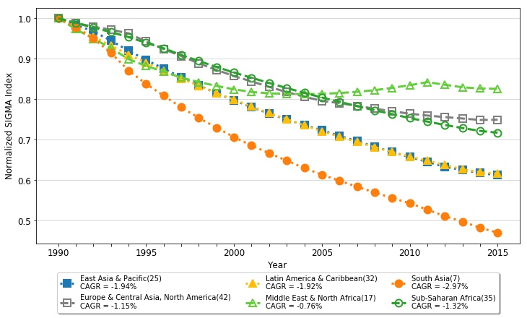
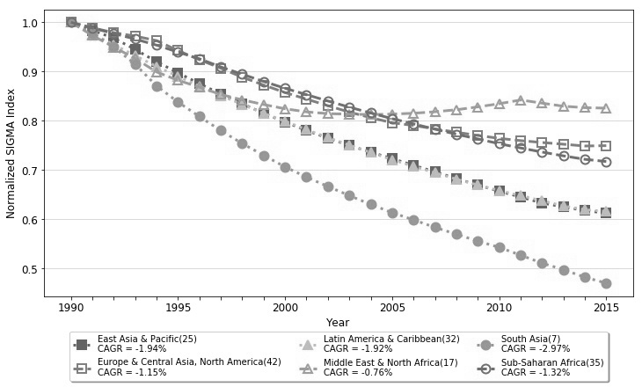

CAGR = -0.04%

CAGR = -1.15%
CAGR = -0.76%

CAGR = -1.92%

CAGR = -2.97%
CAGR = -1.94%

Figure 6
Figure 6. Normalized Gamma Sanitation Indexes for Six Regional Subgroups (1990-2015) | REVISED FIGURE BY PYTHON - COLOR&GRAY SCALE

Gamma
 | EAP | ECA+NA | LAC | MENA | SA | SSA
1990 | 1 | 1 | 1 | 1 | 1 | 1
1991 | 0.9992999944 | 0.99734649562 | 0.99981671554 | 1.0045703839 | 1 | 0.99220266701
1992 | 0.9985999888 | 0.99836961966 | 0.99981671554 | 1.0045703839 | 1 | 0.99192419083
1993 | 0.9978999832 | 0.99707014481 | 0.99981671554 | 0.99889004962 | 1 | 0.98794595971
1994 | 0.9968499748 | 0.99669452235 | 0.99742256232 | 0.99889004962 | 1 | 0.98997485758
1995 | 0.9936999496 | 0.99426639145 | 0.99945014663 | 0.99889004962 | 1 | 0.99184462621
1996 | 0.9898499188 | 0.99116035144 | 0.997522796 | 0.99889004962 | 1 | 0.98697129308
1997 | 0.9870498964 | 0.99543976447 | 0.99890029326 | 0.99889004962 | 1 | 0.98062203622
1998 | 0.9845998768 | 0.99101010246 | 0.99605652034 | 0.99778009924 | 1 | 0.98559482512
1999 | 0.9845998768 | 0.99348652767 | 0.99760584677 | 0.99667014886 | 1 | 0.9806459056
2000 | 0.9828498628 | 0.99395784443 | 0.99613957111 | 0.99445024811 | 1 | 0.97346519843
2001 | 0.9821498572 | 0.99461339505 | 0.997522796 | 0.99445024811 | 1 | 0.97485757933
2002 | 0.98770790166 | 0.99256267529 | 0.99486803519 | 1.0001305824 | 0.98214285714 | 0.972924159
2003 | 0.97996583973 | 0.98605188598 | 0.99998854472 | 0.98779054583 | 0.98214285714 | 0.96832930206
2004 | 0.9572996584 | 0.98820545475 | 0.99843921829 | 0.97127187255 | 0.98214285714 | 0.96045638267
2005 | 0.98171585373 | 0.98299771765 | 0.99715622709 | 0.97558109167 | 0.98214285714 | 0.96108892142
2006 | 0.97366578933 | 0.97921555721 | 0.99120234604 | 0.99575607208 | 0.98214285714 | 0.95558304955
2007 | 0.97849582797 | 0.95414186366 | 0.98808651026 | 0.99575607208 | 0.96428571429 | 0.94673148531
2008 | 0.97836982696 | 0.94607939586 | 0.98497067449 | 0.99242622095 | 0.96428571429 | 0.9481238662
2009 | 0.97836982696 | 0.9399576441 | 0.98295454545 | 0.99014102899 | 0.96428571429 | 0.94396263645
2010 | 0.97499579997 | 0.93860182588 | 0.9790110658 | 0.98243666754 | 0.96428571429 | 0.94103863658
2011 | 0.97079576637 | 0.9407518173 | 0.96489816257 | 0.98576651867 | 0.96428571429 | 0.93344419337
2012 | 0.96681973456 | 0.93656273253 | 0.96719208211 | 0.98576651867 | 0.94642857143 | 0.93351977977
2013 | 0.96891975136 | 0.93352645098 | 0.96187683284 | 0.98576651867 | 0.94642857143 | 0.92857086025
2014 | 0.96554572437 | 0.92886873247 | 0.95636684384 | 0.98576651867 | 0.94642857143 | 0.93101349416
2015 | 0.96344570757 | 0.93138987465 | 0.9635464397 | 0.98576651867 | 0.94642857143 | 0.92829238407
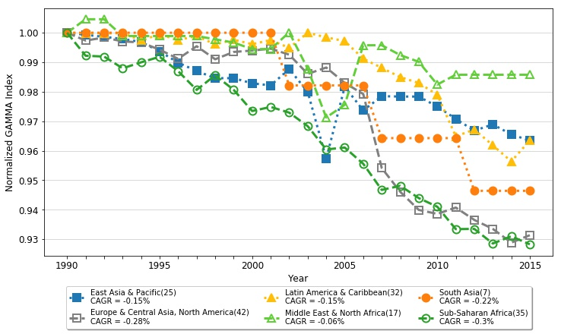
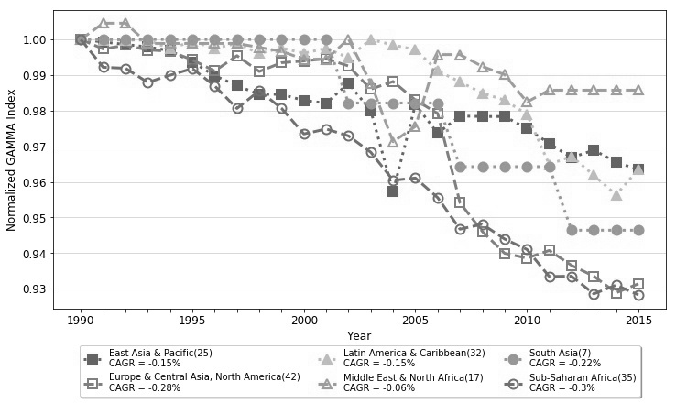

CAGR = -0.20%

CAGR = -0.22%
CAGR = -0.26%
CAGR = -0.28%

CAGR = -0.38%
CAGR = -0.59%

