Sheet1
Search terms | Date | Database | Applicable Results | Why chosen | Other notes
"Remote sensing" AND "machine learning" AND "sustainable development goals" | 2018-2023 | Web of science | 49 | Chosen databases: Web of science: 4 other meta anaylsis on remote sensing used it alone. | 55 results, 49 are Articles Exported to .RIS file with additional information Query link: https://www.webofscience.com/wos/woscc/summary/c943c0d9-9b30-44fc-8787-0e6e5cd00147-c58feaa6/relevance/1 | 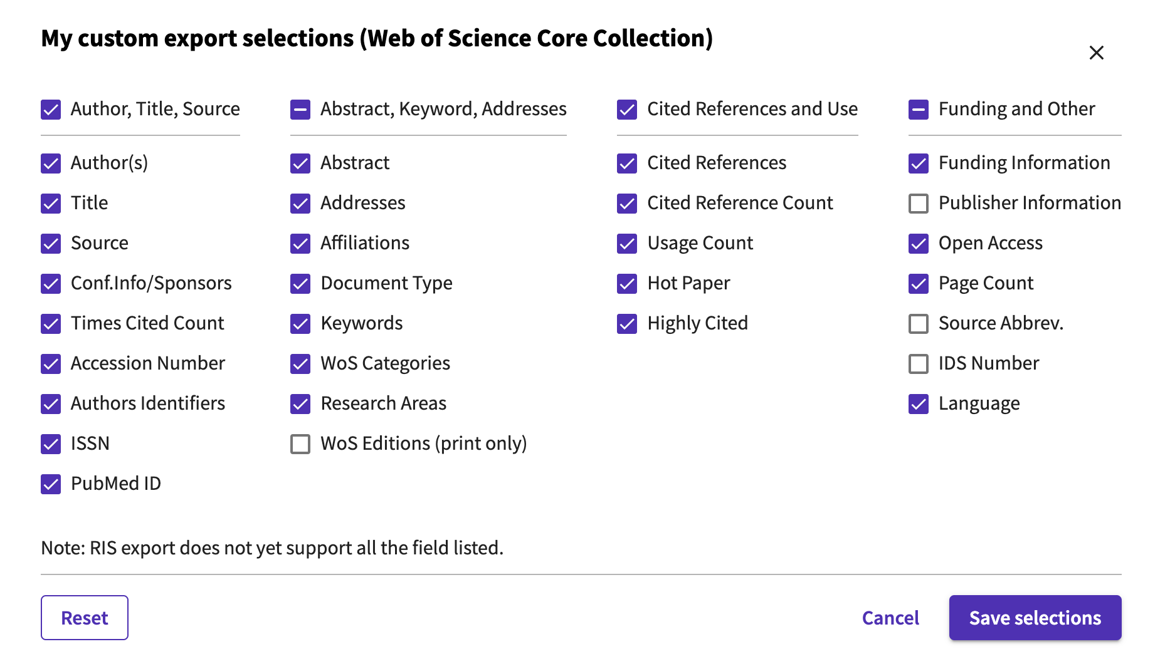
"Remote sensing" AND "machine learning" AND "sustainable development goals" | 2018-2024 | ScienceDirect | 606 | ref: Tamang et al 2022 | 903 results article type selected: "Reseach articles": 606 7 files exported in RIS format (100 citations per page + one page of 6 couldn't see a way to download all at once ) product of Elsevier
"Remote sensing" AND "machine learning" AND "sustainable development goals" | 2018-2026 | Pubmed | 11 |  | all rearch articals
"Remote sensing" AND "machine learning" AND "sustainable development goals" | 2018-2027 | JSTOR | 23 |  | 27 total 4 were "research reports" Acaemic content: "Journals" selected
"Remote sensing" AND "machine learning" AND "sustainable development goals" | 2018-2028 | Agupubs | 12
"Remote sensing" AND "machine learning" AND "sustainable development goals" | 2018-2029 | EBSCOhost | 50 |  | I think WOS and Academic Search Premier are related (all datasciences) there following had results: - Academic Search Premier - GreenFILE - MEDLINE
"Remote sensing" AND "machine learning" AND "sustainable development goals" | 2018-2030 | IEEE Xplore | 8 |  | mostly conferences 43 results, "journals" selected
"Remote sensing" AND "machine learning" AND "sustainable development goals" | 2018-2031 | MDPI | 15 |  | article type: article selected
summary("machine learning" AND "remote sensing") AND "sustainable development goals" | 2018-2032 | ProQuest | 84 | ref: Tamang et al 2022
[All: "remote sensing"] AND [All: "machine learning"] AND [All: "sustainable development goals"] AND [Article Type: Article] AND [Publication Date: (01/01/2018 TO 31/12/2023)] | 2018-2033 | Tandfonline | 140 | ref: Tamang et al 2022

