Start
Hello Natalie
I want to play a game with you....

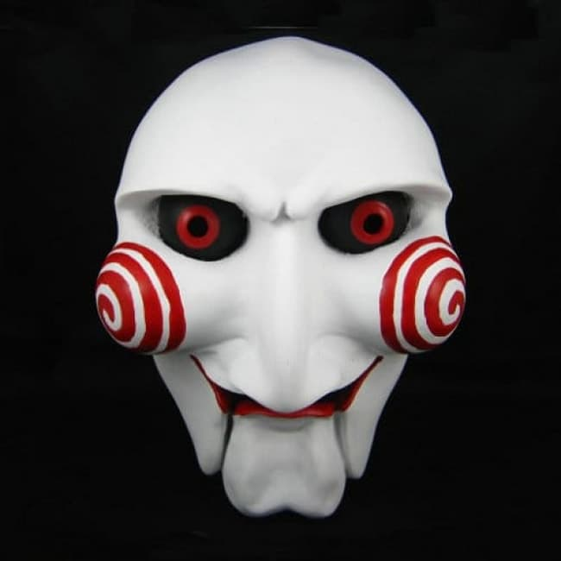

z

Enter

Wipeout
What Lies Beneath
Jaws 2
The Blair Witch Project
It
Ghostbus-ters 2

Get Out
Aliens
Interview with the Vampire
The Deep
Scream 2

Submit

Test Text
Scream
Jaws
Selected
The Omen
The Ring
Correct
4 | 0

Gremlins
Bram Stoker's Dracula
Poltergeist
Halloween
Scary Movie

The Exorcist
Alien
The Amytiville Horror
Ghostbusters
The Sixth Sense

Hangman
HANGMAN

-------
New Game

Lives: 5

Letters Remaining: 7

Boardgame
5

Monopoly
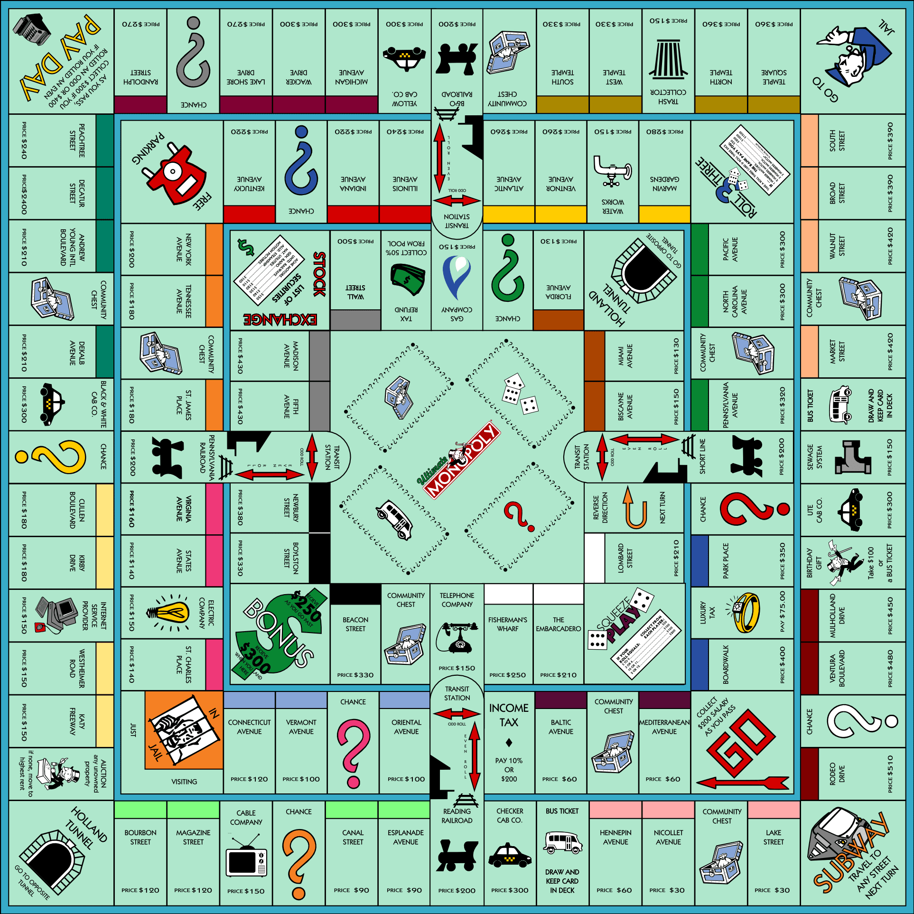

£1442
Player 1
Player 2
£1550
player 3
£1475
Player 4
£1445

A
NE
C

5

Game Options
Players
2
3
4
Selling Houses
Full
50%

