Sheet1
initial_temp=1000, cooling_rate=0.99
 | 1 | 2 | 3 | 4 | 5 | 6 | 7 | 8 | 9 | 10
100 | 36.641898638 | 1.1768223463 | 141.8990251 | 82.156691498 | 18.357553746 | 552.67229898 | 101.81349727 | 331.15831677 | 205.21859538 | 183.36372847
200 | 160.95040426 | 156.82211185 | 6.8120132691 | 51.010621249 | 1.0658778152 | 400.30283014 | 27.851253371 | 1.4051802128 | 165.58971328 | 80.026102623
300 | 38.736541256 | 1.4505128293 | 1.2526109234 | 1.0869347129 | 6.6684351244 | 1.4720856118 | 33.991892873 | 1.0382071212 | 1.4543178056 | 14.336506988
500 | 1.0958269777 | 1.109399779 | 1.0629344744 | 1.4134434528 | 1.2300350748 | 1.1171188854 | 1.0608825016 | 1.1215141515 | 1.1436885936 | 1.0934536336

 | 1 | 2 | 3 | 4 | 5 | 6 | 7 | 8 | 9 | 10
100 | 58.890589908 | 6.1281180699 | 1.3851557128 | 409.26068192 | 1.9415952873 | 79.046265615 | 203.98971477 | 1.7694788877 | 107.20665571 | 114.38896331
200 | 188.83687889 | 1.0634424472 | 23.620463092 | 6.2415218698 | 17.750214728 | 4.9149612846 | 2.0805432762 | 1.1343183499 | 2.2895427368 | 4.3403271722
300 | 1.2946268302 | 19.379685836 | 1.1614200647 | 4.7612968854 | 1.1431103598 | 1.135255389 | 1.3842824146 | 1.5511519987 | 1.6938549572 | 1.2312738383
500 | 1.0328885983 | 1.1130979852 | 1.1381018576 | 1.0932303247 | 1.0624616416 | 1.0321304043 | 1.0548077652 | 1.0667204235 | 1.1285416601 | 1.0469707362

 | 1 | 2 | 3 | 4 | 5 | 6 | 7 | 8 | 9 | 10
100 | 1.0394951894 | 1.2361576714 | 1.4982036306 | 1.2366036124 | 1.19667531 | 1.0322802994 | 1.3260408496 | 1.1071417873 | 1.1107694931 | 1.0621872376
200 | 1.0426588466 | 1.0464060399 | 1.1251712025 | 1.0489919702 | 1.0409344375 | 1.0914802153 | 1.05847659 | 1.0413588799 | 1.0647253869 | 1.0408142929
300 | 1.0348424275 | 1.0360541452 | 1.0337290298 | 1.0825204482 | 1.0324826975 | 1.1020947195 | 1.0544321905 | 1.0926423968 | 1.0473187083 | 1.0421757741
initial_temp=500, cooling_rate=0.99
500 | 1.0328885983 | 1.1130979852 | 1.1381018576 | 1.0932303247 | 1.0624616416 | 1.0321304043 | 1.0548077652 | 1.0667204235 | 1.1285416601 | 1.0469707362

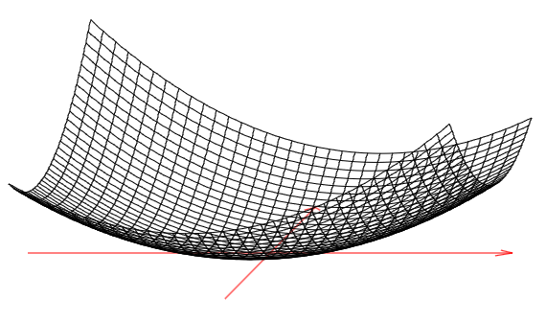

initial_temp=1000, cooling_rate=0.90

