Main
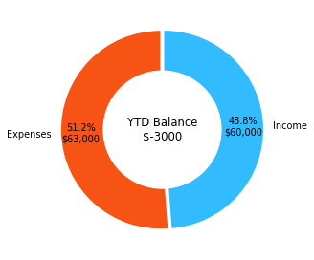
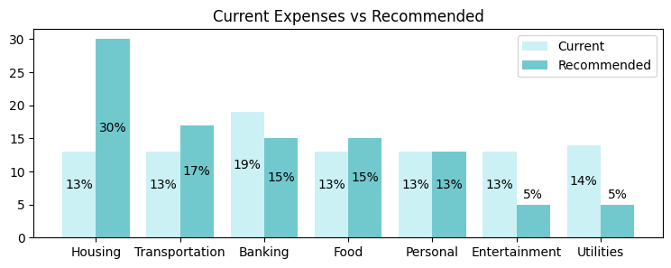
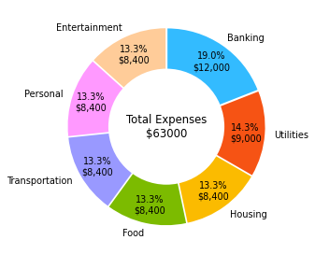

YTD Account Balance: |  | YTD Expenses Overview: |  |  |  | Month Avg. | YTD Total | YTD % | Recommended
Income: | 60000$ | Investments: | 17% | 10800$ | Housing | 700$ | 8400$ | 13% | 30%
Expenses: | -63000$ | Expenses: | 82% | -52200$ | Transportation | 700$ | 8400$ | 13% | 17%
-------------------------------------- |  |  |  |  | Banking | 1000$ | 12000$ | 19% | 15%
Balance: | -3000$ |  |  |  | Food | 700$ | 8400$ | 13% | 15%
 |  |  |  |  | Personal | 700$ | 8400$ | 13% | 13%
 |  |  |  |  | Entertainment | 700$ | 8400$ | 13% | 5%
 |  |  |  |  | Utilities | 750$ | 9000$ | 14% | 5%

Housing expenses are considerably bellow recommended levels. While not necesarly a bad thing, a review of this category is recommended.
Transportation expenses are on the Lower End of recommended levels. Good work.
Banking expenses are at a Very High level, please consider reviewing this category further.
Food expenses are on the Lower End of recommended levels. Good work.
Personal expenses are at recommended levels. Keep them here or lower if possible.
Entertainment expenses are at a Very High level, please consider reviewing this category further.
Utilities expenses are at a Very High level, please consider reviewing this category further.

Graphs
