SystemDiagram
Power1: 5v
Power2: 7v-12v

UI
Arduino Uno
Driver
Pump

連續出水
MOFET VGS
冷水
Motor power,

vessel

Pump

Arduino Uno
Driver

UI

工作表4
檢查是否按下"連續出水"

設定出水時間長度

按下"連續出水"

按下"連續出水"

Driver
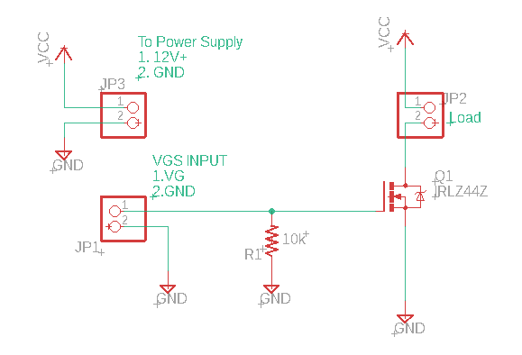
 | Driver
Arduino-9 | JP1-1
Arduino-GND | JP1-2
Pump + | JP2-1
Pump - | JP2-2
Power IN+ | JP3-1
Power IN- | JP3-2

