HWSystemDiagram
User Interface

ScoreBoardModule

CountDown
Module
Beeper
Module
Start Button
Module

Servo_0
Servo_1

Arduino UNO R3
FlexSensors
Adapter
FlexSensor

ServoAdapter

FlexSensor

Servo_2

FlexSensor

DC 7.2V
USB Power

ServoDirection
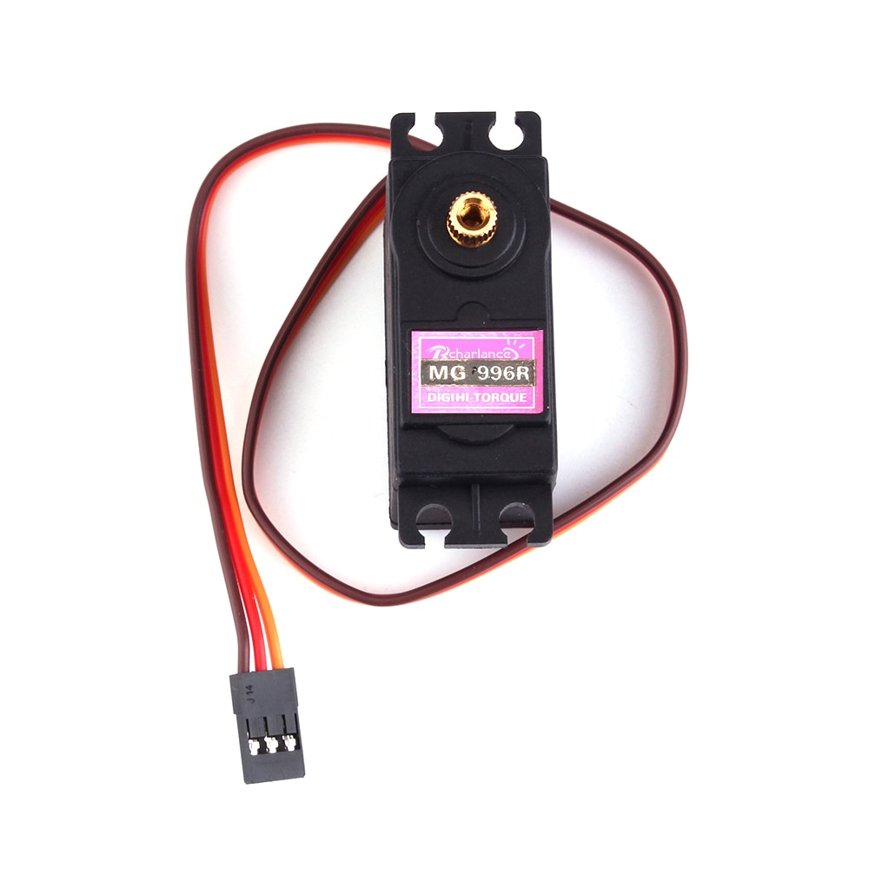
0
90
180
Servo0 | anticlockwise | 0=>180
Servo1 | clockwise | 180=>0
Servo3 | anticlockwise | 0=>180

ServoAdapter
ServoAdapter

Interactive sequnce
User
RSPRobot

Pushs "start" button

count dowm(Display on 7-Seg)
with preparing gesture
3 secs

Robot hand motion
(For a gesture)
0.5 secs
Competition Period
Gesture

Keep
Gesture
Glove data reading
Recognize user gesture

Compute the result

Update the ScoreBoard

MachineLearningANN_1
bias
Layer0- Node0
Layer0- Node1
Layer0- Node2
Layer0- Node3
-1.126933

ANNInputs
Layer0
Layer1
ANNOutputs

Layer0
Layer1
ANNInputs
ANNOutputs
Layer1-Node0
-3.35796
Layer0-Node0
-3.0573914
index finger
-1.126993
ANNOutputs[0]
Layer0-Node0
Layer1-Node0
0.00737043
-0.33590198
rock

-2.9392657
3.5195374
index finger
ANNOutputs[0]
rock
Layer0-Node1
Layer1-Node1
ring finger
ANNOutputs[1]
scissors
Layer0-Node1
Layer1-Node1
ring finger
ANNOutputs[1]
scissors

thumb
Layer0-Node2
Layer1-Node2
ANNOutputs[2]
paper
--3.6488092
-3.56605
thumb
Layer0-Node2
Layer1-Node2
ANNOutputs[2]
-1.812533
paper

Layer0-Node3
1.8006505
Layer1-Node3

Layer0-Node3
Layer1-Node3
Layer1- Node0
Layer1- Node1
Layer1- Node2
Layer1- Node3


gestureML.py
Weight Value
for
each node input

gestureML.csv

MachineLearningANN_2
Input |  |  | Output
Index | Ring | Thumb | Rock | Scissors | Paper
0 | 0 | 0 | 0 | 0 | 1
0 | 1 | 1 | 0 | 1 | 0
1 | 1 | 1 | 1 | 0 | 0

"model.get_weights()" sample

Node0
Node1
Node2
Node3
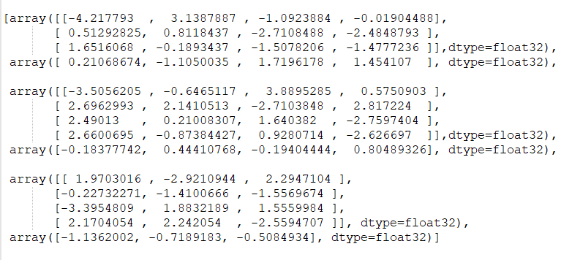
input0
input1
input2
Layer0
Node1
Node2
Node3
bias
Node0
input0
input1
input2
input3
Layer1
Node0
Node1
Node2
bias
input0
input1
input2
input3
OutputLayer
bias

工作表1
食指是否彎曲

否
是
拇指,食指,無名指
是否都攤平
石頭

是
否

剪刀
布

scoreBoard
7447
7447

BCD
BCD

7490
74390

reset
count
reset
count

Overview
