Sheet1
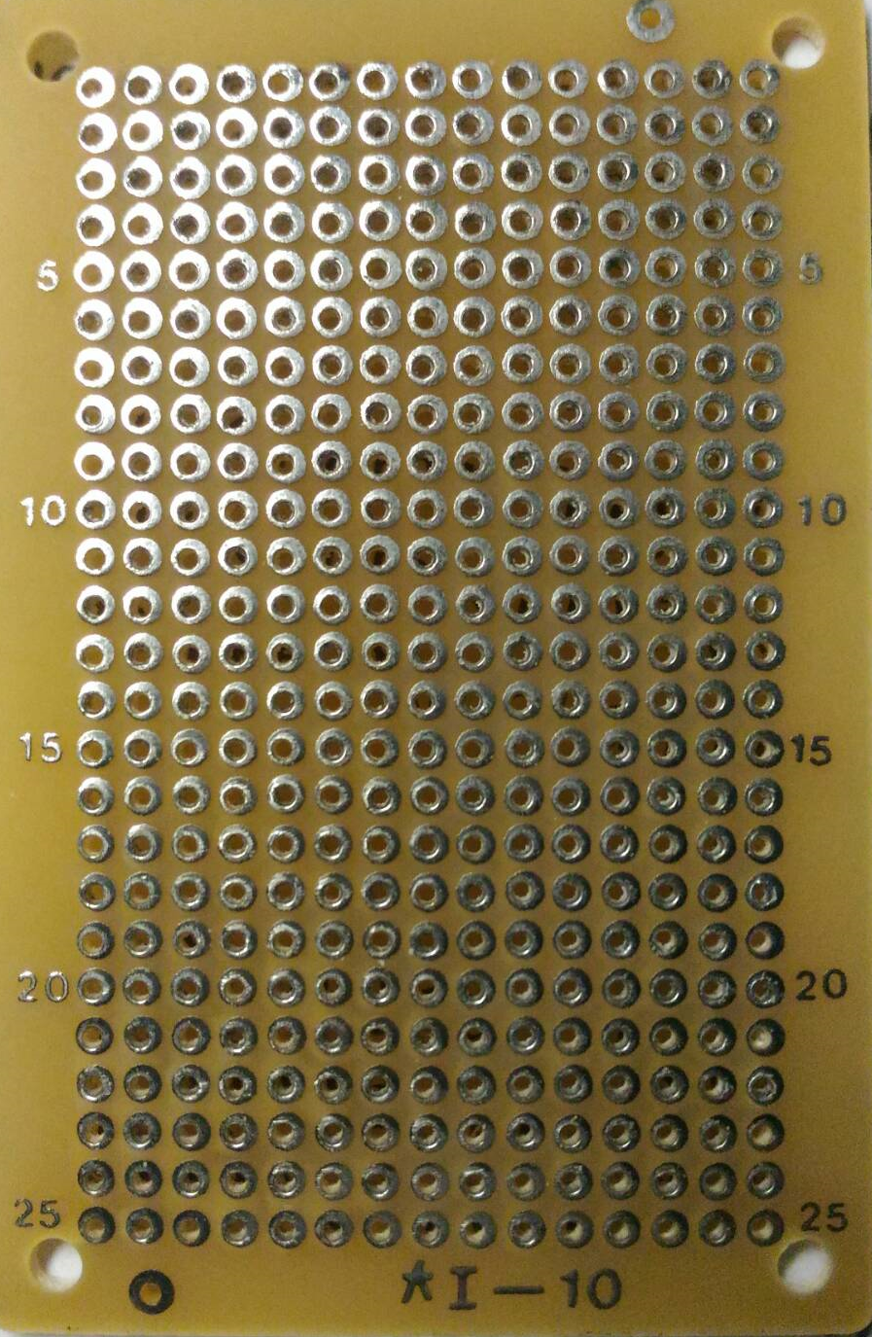

Sensor
A0
VCC

Flex Sensors

A4

GND

