HWSystemDiagram
User Interface

Win
/Lose LED

7 SIG LED
Module
Beeper
Module
Start Button
Module

Servo_0
Servo_1

Arduino UNO R3
FlexSensors
Adapter
FlexSensor

ServoAdapter

FlexSensor

Servo_2

FlexSensor
PowerSupply

ServoDirection
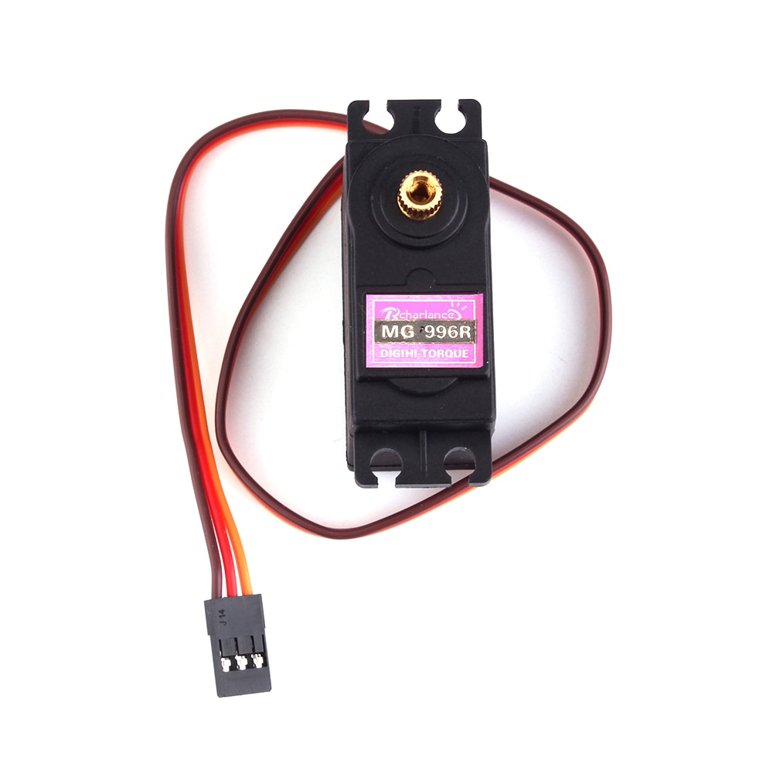
0
90
180
Servo0 | anticlockwise | 0=>180
Servo1 | clockwise | 180=>0
Servo3 | anticlockwise | 0=>180

ServoAdapter
ServoAdapter

