HWSystemDiagram
Servo_1 is unused!!!
USB Power

Servo_0

Arduino UNO R3
FlexSensors
Adapter
Module_20200402_1_FlexSensorAdapter.sch
FlexSensor0

ServoAdapter
Module_20200402_0_ServoAdapter.sch

FlexSensor1 is unused!!!
Servo_2

GND only

FlexSensor2
PowerSupply

ServoDirection
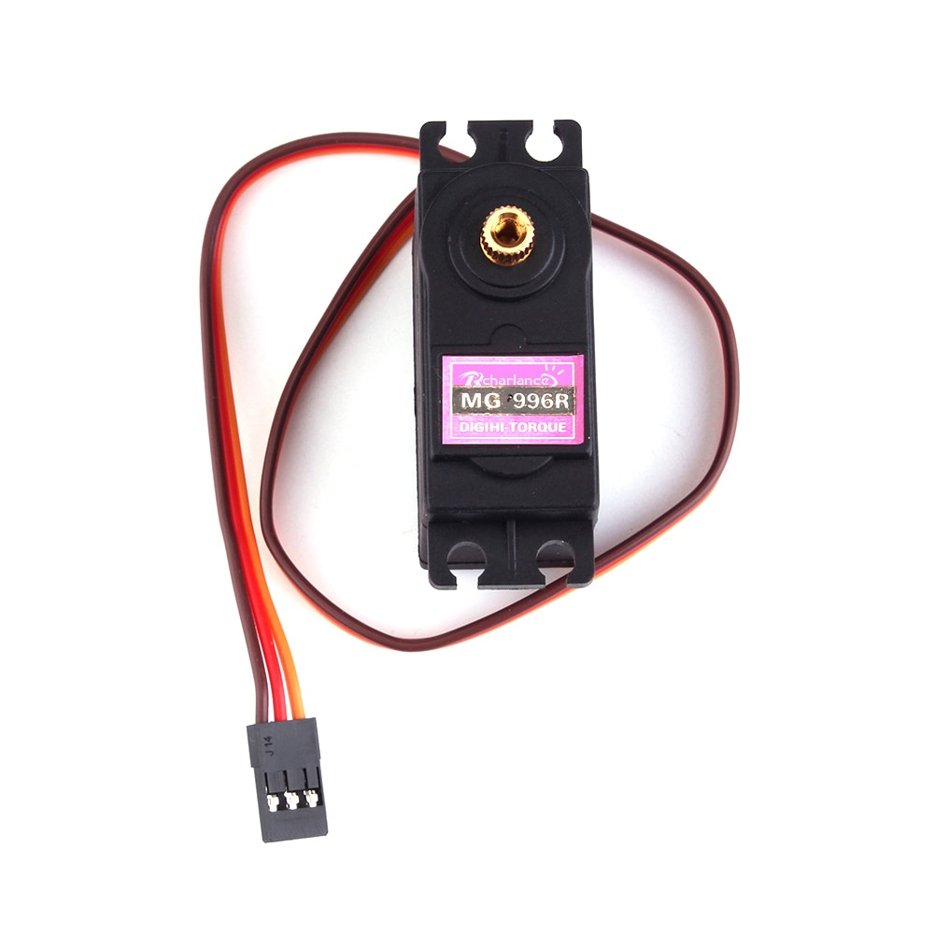
0
90
180
Servo0 | anticlockwise | 0=>180
Servo1 | clockwise | 180=>0
Servo3 | anticlockwise | 0=>180

ServoAdapter
ServoAdapter

