HWSystemDiagram
User Interface

Win
/Lose LED

7 SIG LED
Module
Beeper
Module
Start Button
Module

Servo_0
Servo_1

Arduino UNO R3
FlexSensors
Adapter
FlexSensor

ServoAdapter

FlexSensor

Servo_2

FlexSensor
PowerSupply

ServoDirection
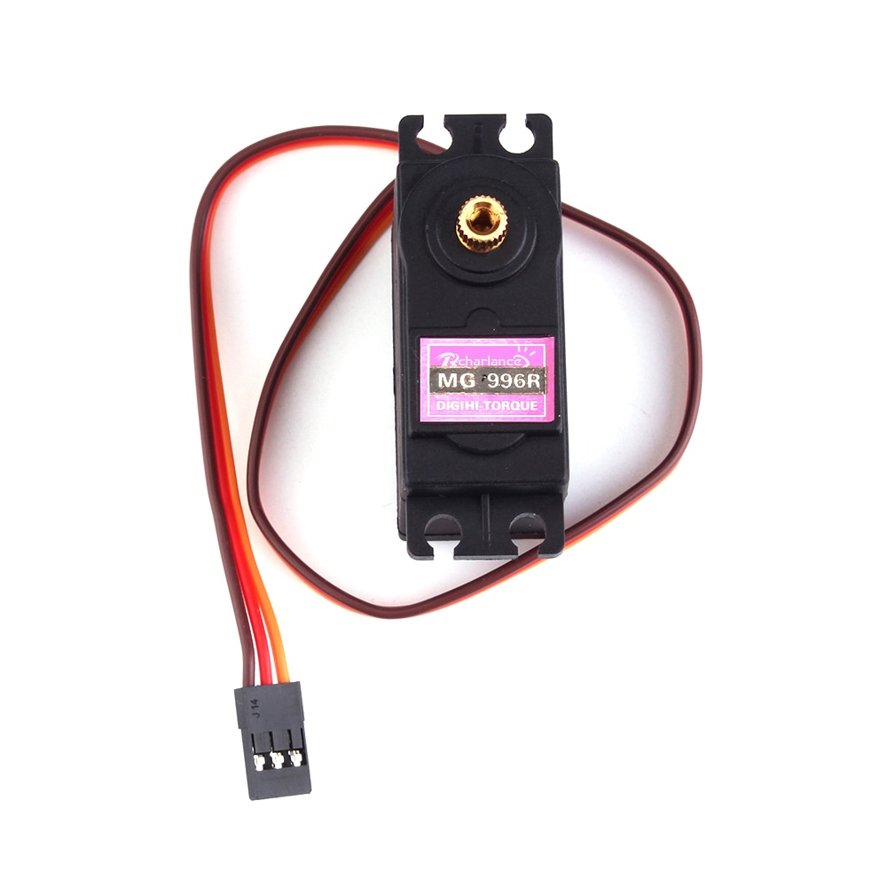
0
90
180
Servo0 | anticlockwise | 0=>180
Servo1 | clockwise | 180=>0
Servo3 | anticlockwise | 0=>180

ServoAdapter
ServoAdapter

工作表1
User
RSPRobot

Pushs "start" button

Display countdowm

Servos Move

0.5 sec
Gesture
Competition Period

Keep
Gesture
Check User Respose
(Glove data reading)

Compute the result

Display the result

