SystemDiagram
Power1: 5v
Power2: 7v-12v

UI
Arduino Uno
Driver
Pump

連續出水
MOFET VGS
冷水
Motor power,

vessel

Pump

Arduino Uno
Driver

UI

工作表4
檢查是否按下"連續供水"

設定出水時間長度
檢查"連續"鍵是否按下(上緣觸發)

檢查"出水"鍵是否按下(上緣觸發)
按下"連續出水"

按下"連續出水"

一般供水
連續供水

停止供水
供水

紀錄按鍵狀態

Driver
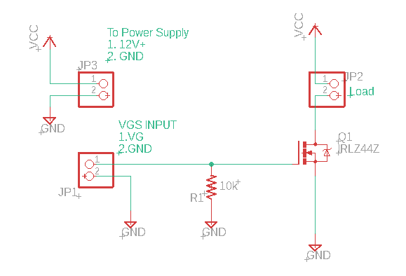
 | Driver
Arduino-9 | JP1-1
Arduino-GND | JP1-2
Pump + | JP2-1
Pump - | JP2-2
Power IN+ | JP3-1
Power IN- | JP3-2

