Sheet1
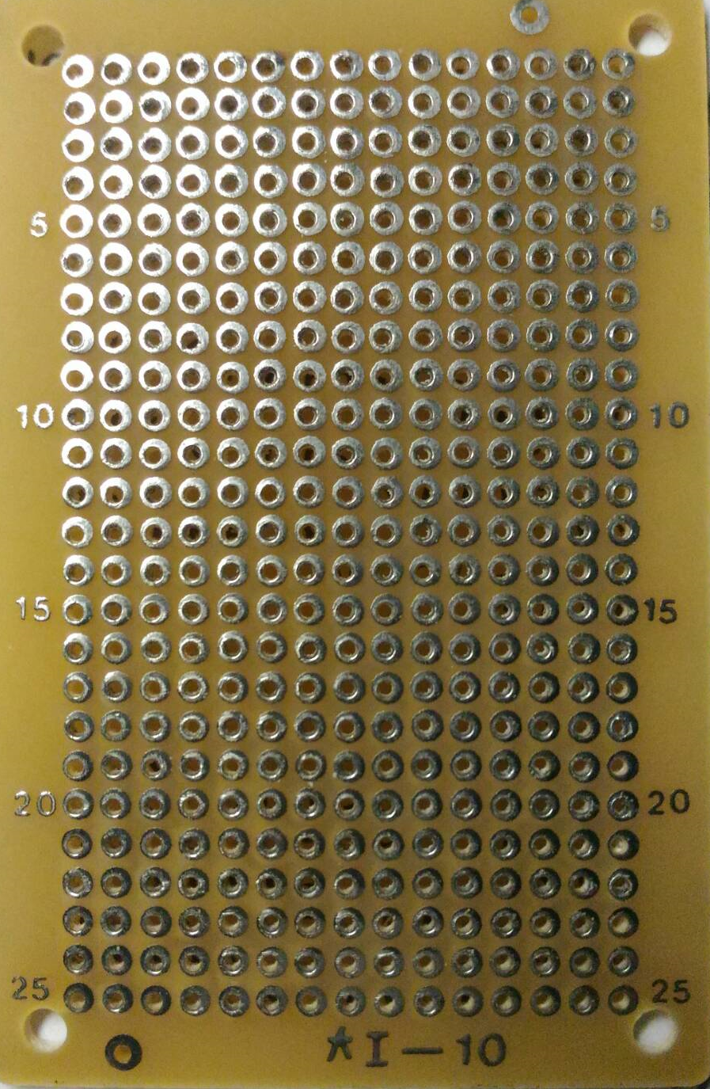

JP3
JP1
VG
2
1
2
1
VCC
GND

S
D
G

JP2
2
1
VCC

