System Diagram
USB Power
6V
Servo 0

Arduino
Servo Adapter
(Module_20200402_0_ServoAdapter)
Servo 1

Servo Pulses
Servo Pulses
GND
Servo 2

Servo 3

Servo 4

SG90

Servos
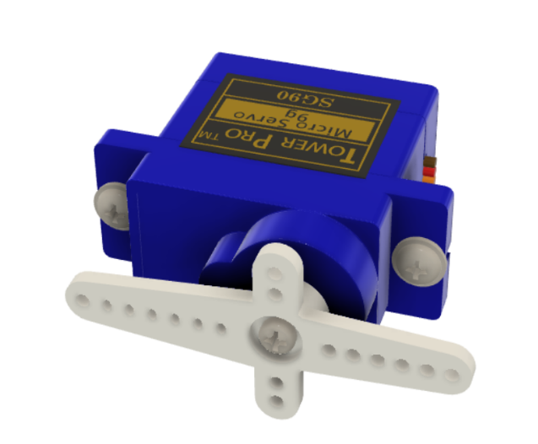
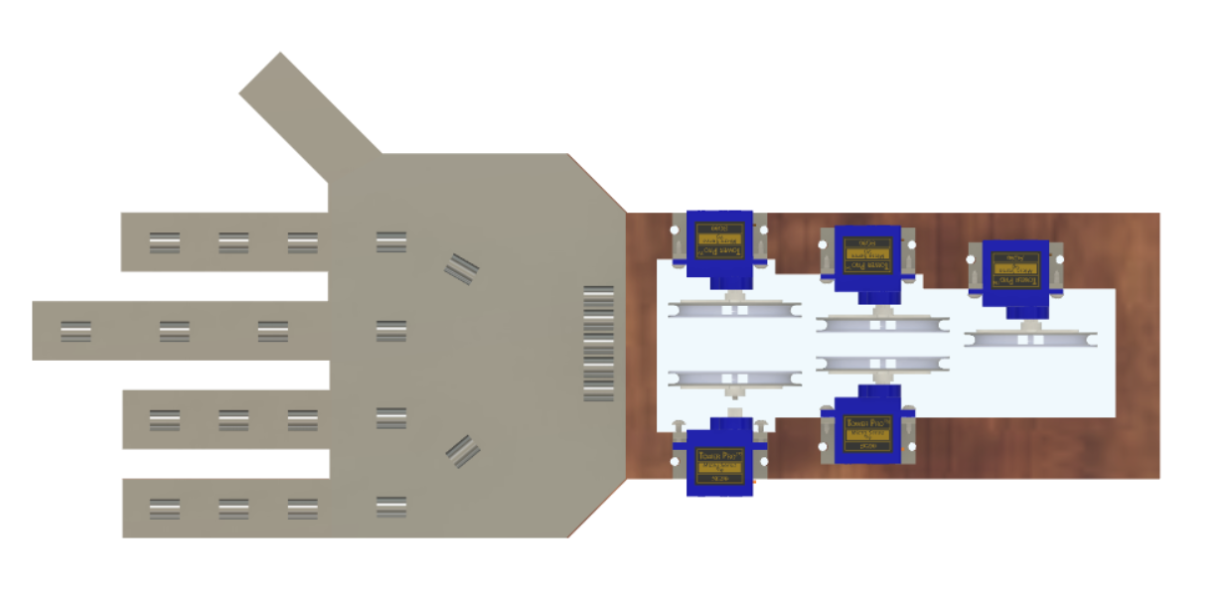

Servo0
Servo4
Servo1

180
0
180
0
180
0
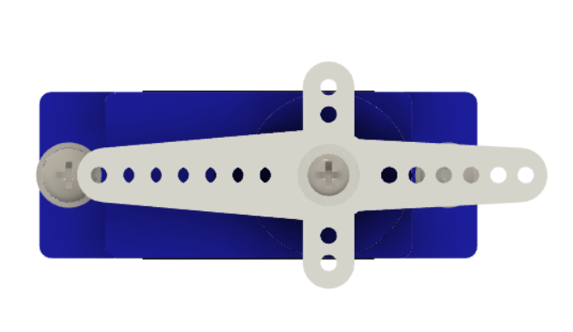

0
180
0
180
180
0

Servo2
Servo3

ServoAdapter
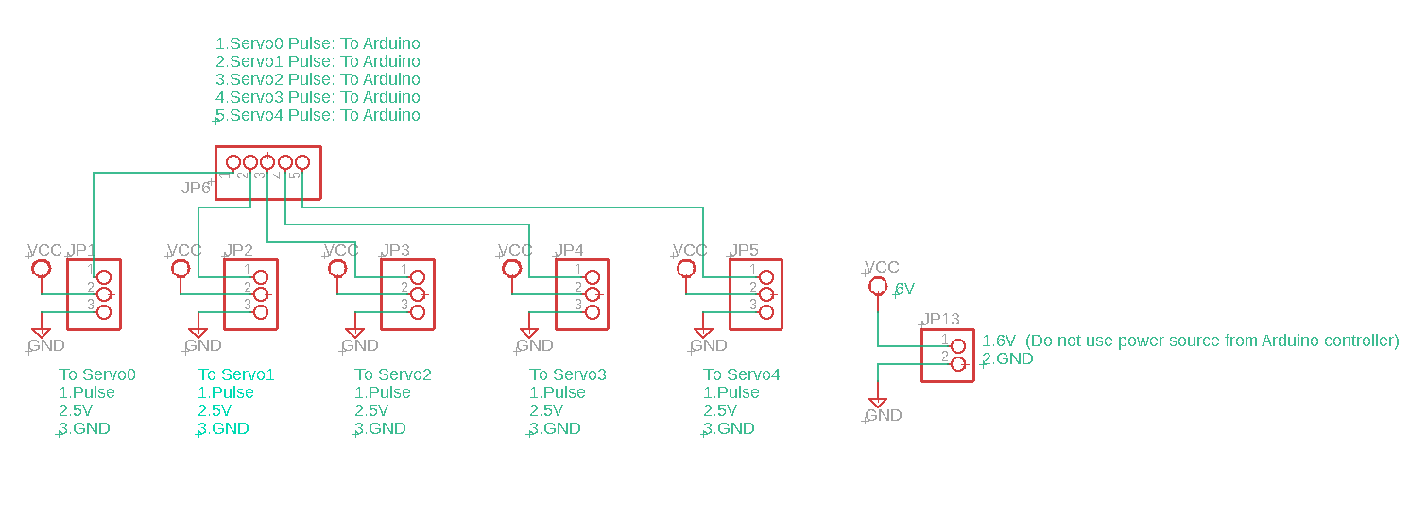

(Module_20200402_0_ServoAdapter)

(Module_20200402_0_ServoAdapter)

