Sheet1
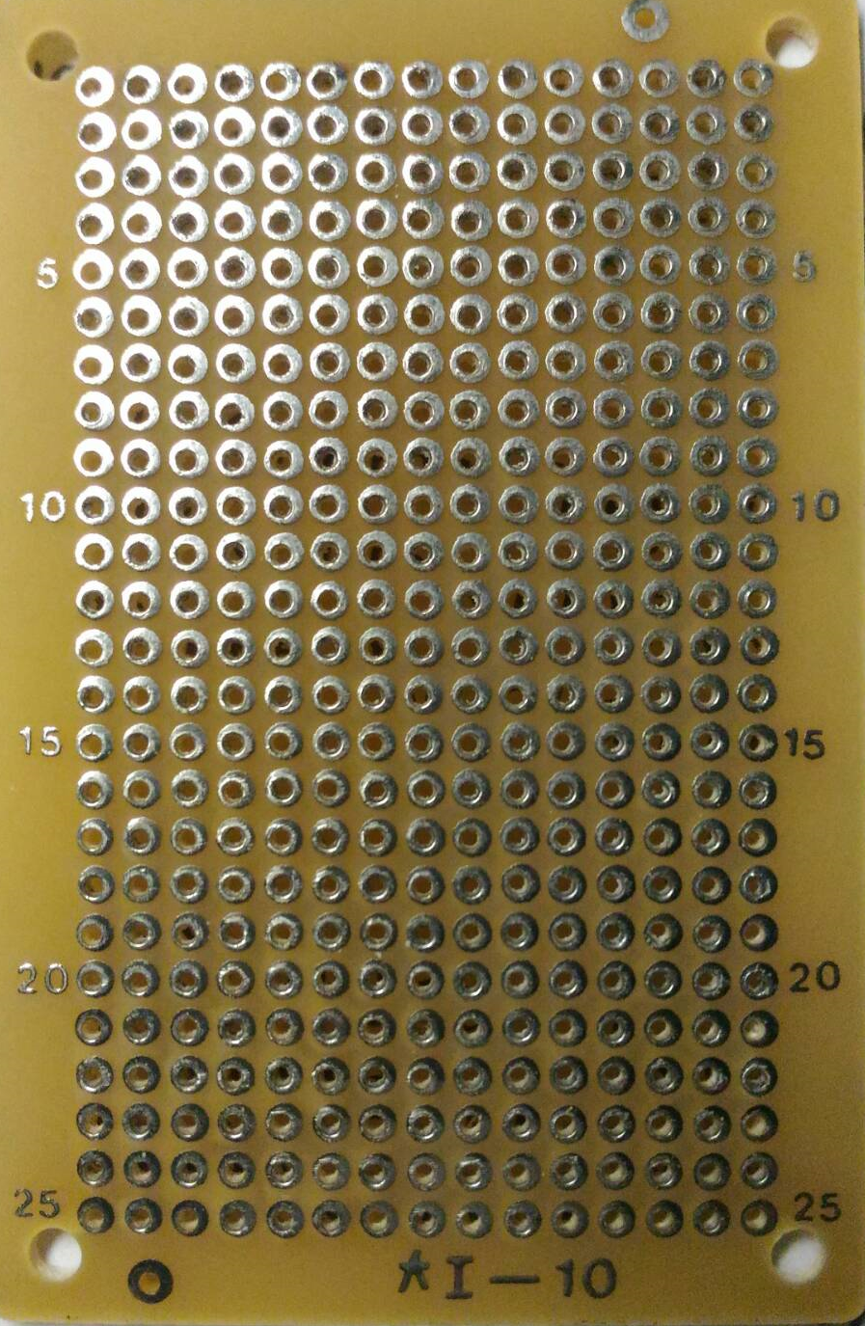
GND
VCC
PULSE
To Servo

Flex Sensor
Sensor

0

R0
10K

PULSE
VCC
GND
To Arduino
Vout

