HWSystemDiagram
User Interface

Win
/Lose LED

7 SIG LED
Module
Beeper
Module
Start Button
Module

Servo_0
Servo_1

Arduino UNO R3
FlexSensors
Adapter
FlexSensor

ServoAdapter

FlexSensor

Servo_2

FlexSensor
PowerSupply

ServoDirection
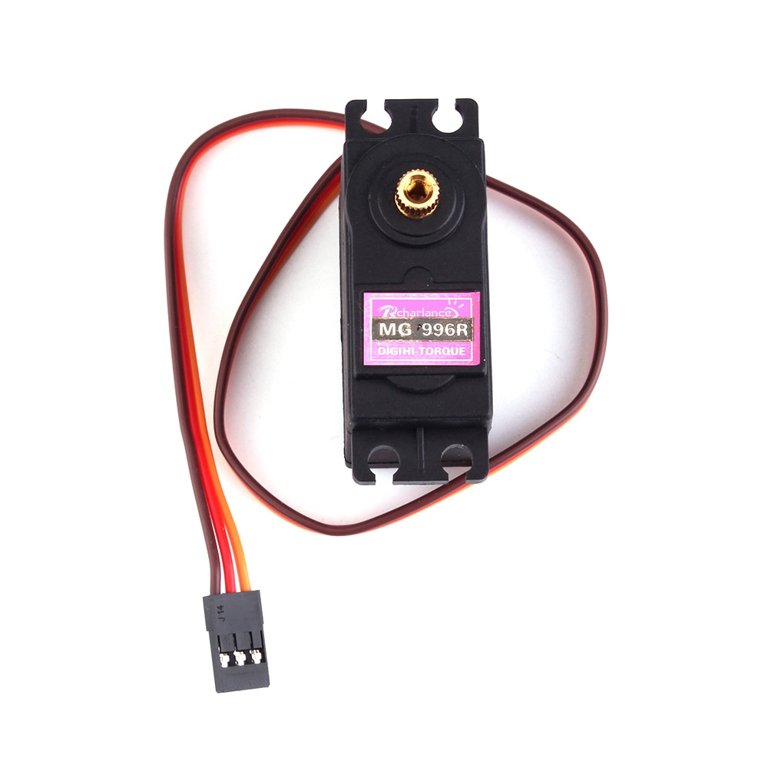
0
90
180
Servo0 | anticlockwise | 0=>180
Servo1 | clockwise | 180=>0
Servo3 | anticlockwise | 0=>180

ServoAdapter
ServoAdapter

Interactive sequnce
User
RSPRobot

Pushs "start" button

Display countdowm

Servos Move

0.5 sec
Gesture
Competition Period
(Buzzer)

Keep
Gesture
Check User Respose
(Glove data reading)

Compute the result

Display the result

MachineLearningANN
bias
Layer0- Node0
Layer0- Node1
Layer0- Node2
Layer0- Node3
-1.126933

ANNInputs
Layer0
Layer1
ANNOutputs

Layer1-Node0
-3.35796
Layer0-Node0
-3.0573914
index finger
-1.126993
ANNOutputs[0]
0.00737043
-0.33590198
rock

-2.9392657
3.5195374
Layer0-Node1
Layer1-Node1
ring finger
ANNOutputs[1]
scissors

thumb
Layer0-Node2
Layer1-Node2
ANNOutputs[2]
paper
--3.6488092
-3.56605
-1.812533

Layer0-Node3
1.8006505
Layer1-Node3

Layer1- Node0
Layer1- Node1
Layer1- Node2
Layer1- Node3

