loss_comparison
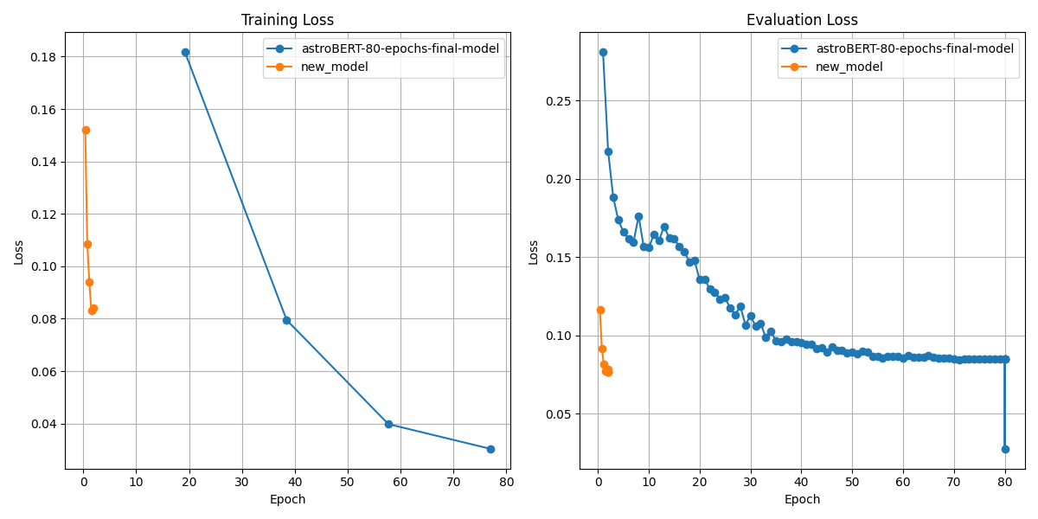
Loss Comparison

metric_comp_plots
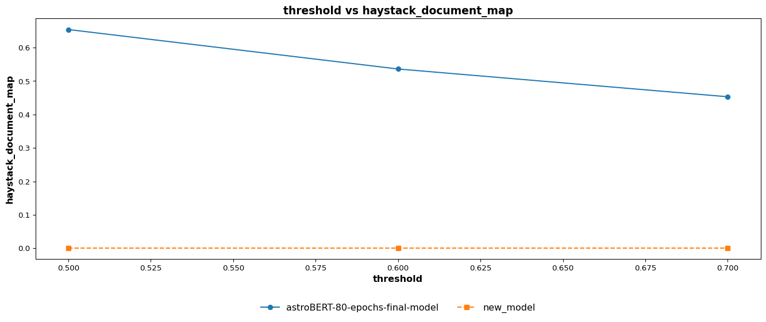
Metrics Comparison Plot
 | train > k > weighted_precision_comparision
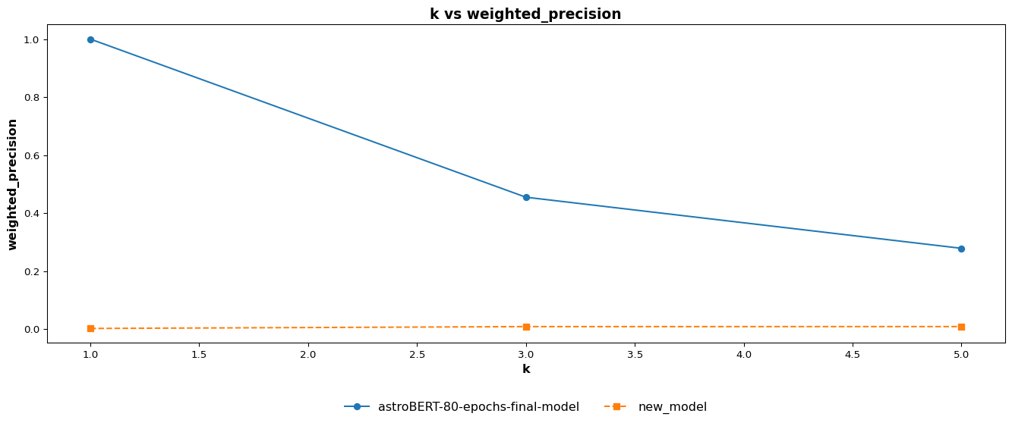

 | train > k > weighted_recall_comparision
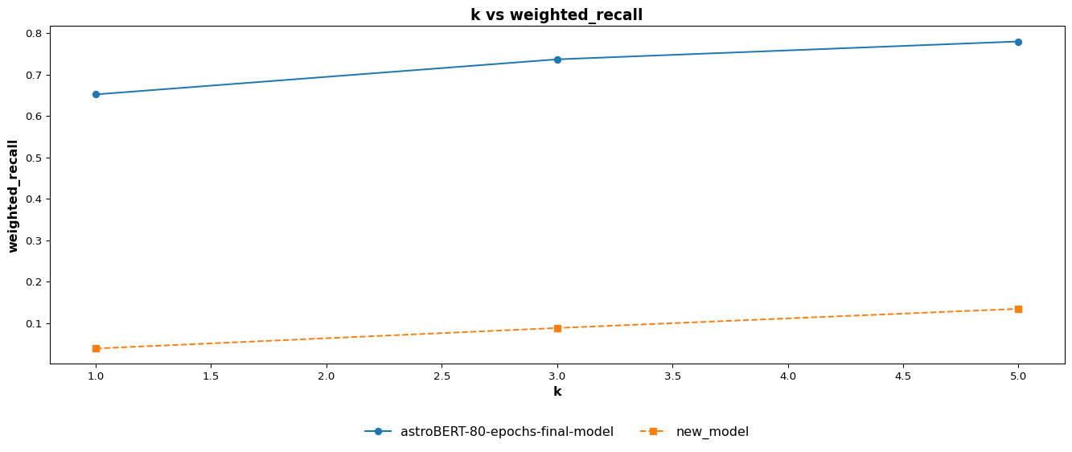

 | train > k > weighted_f1_comparision
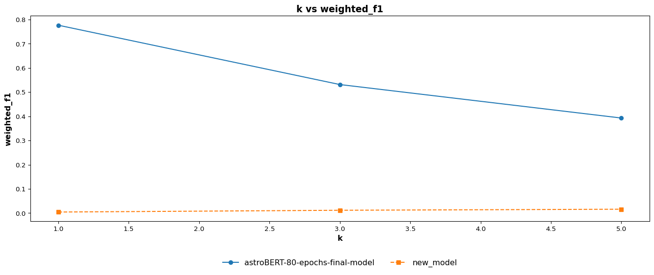

 | train > k > weighted_jaccard_similarity_comparision
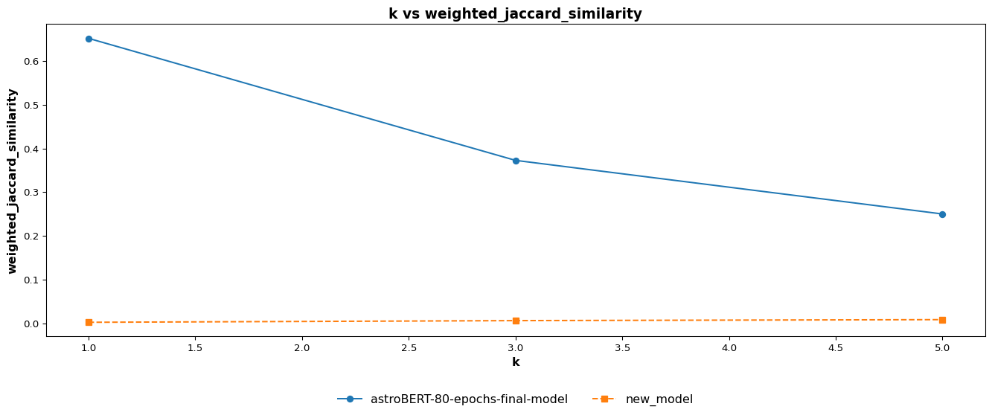

 | train > k > haystack_document_recall_comparision
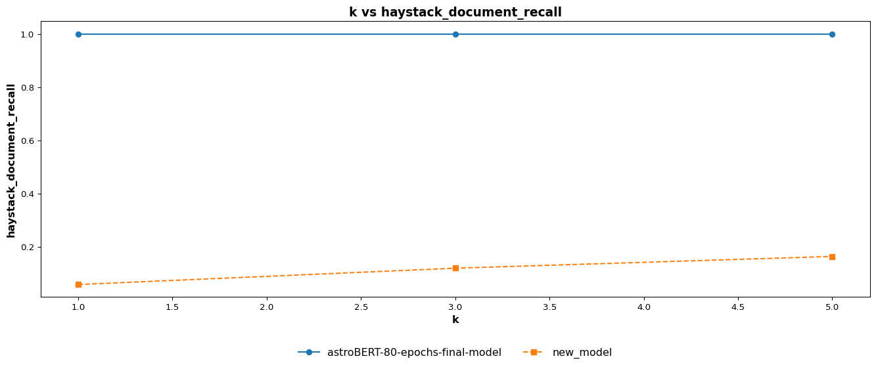

 | train > k > haystack_document_mrr_comparision
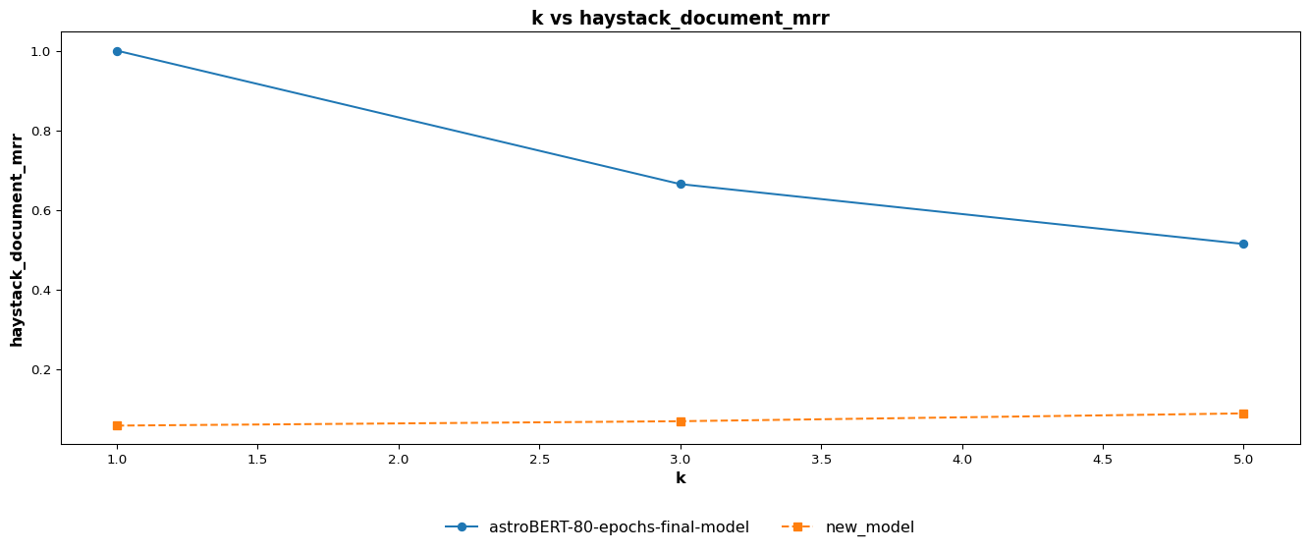

 | train > k > haystack_document_ndcg_comparision
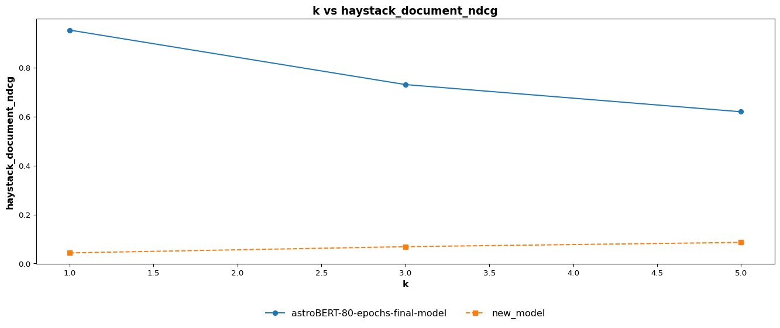

 | train > k > haystack_document_map_comparision


 | train > threshold > weighted_precision_comparision
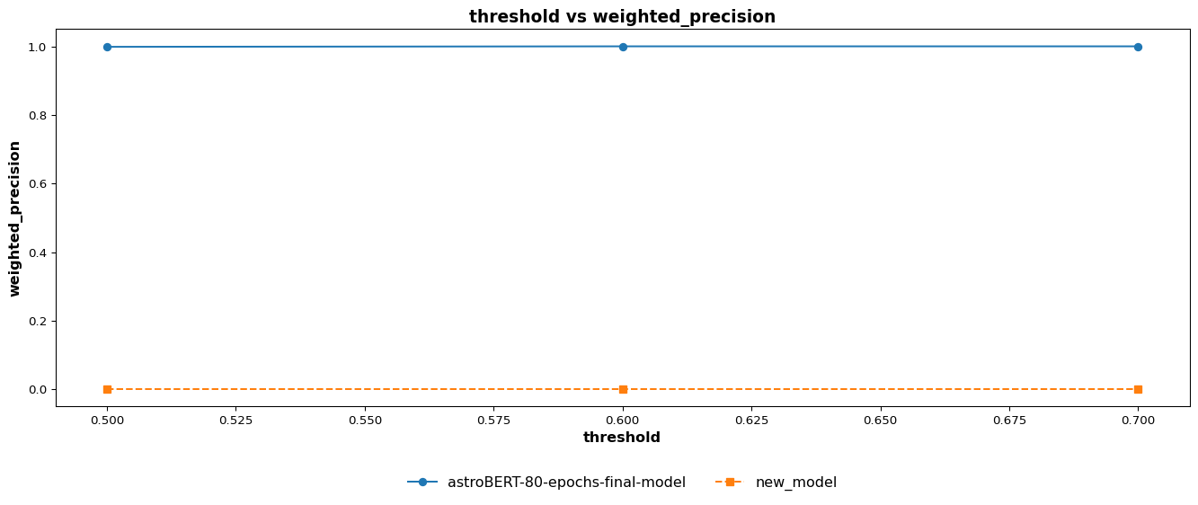

 | train > threshold > weighted_recall_comparision
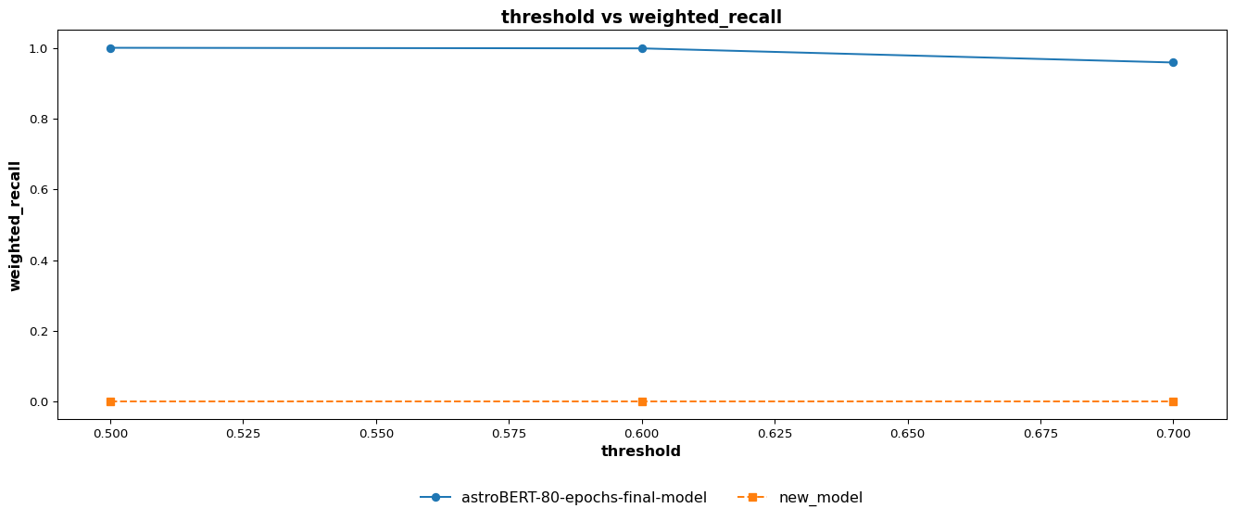

 | train > threshold > weighted_f1_comparision
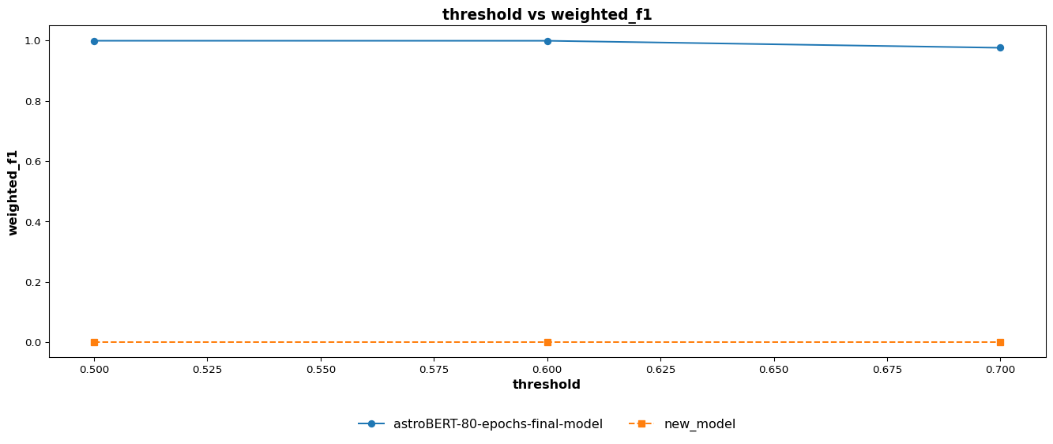

 | train > threshold > weighted_jaccard_similarity_comparision
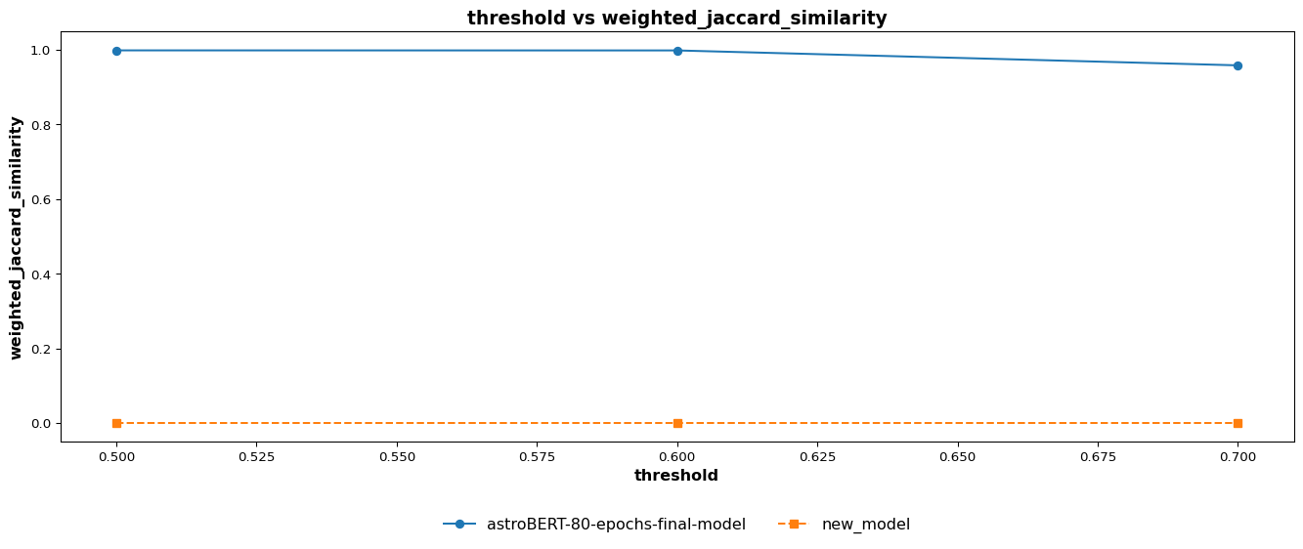

 | train > threshold > haystack_document_recall_comparision


 | train > threshold > haystack_document_mrr_comparision
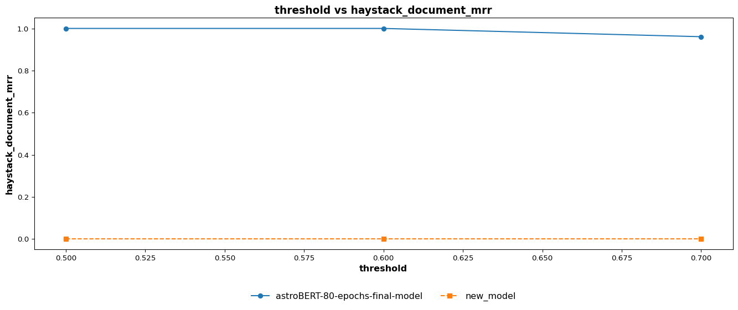

 | train > threshold > haystack_document_ndcg_comparision
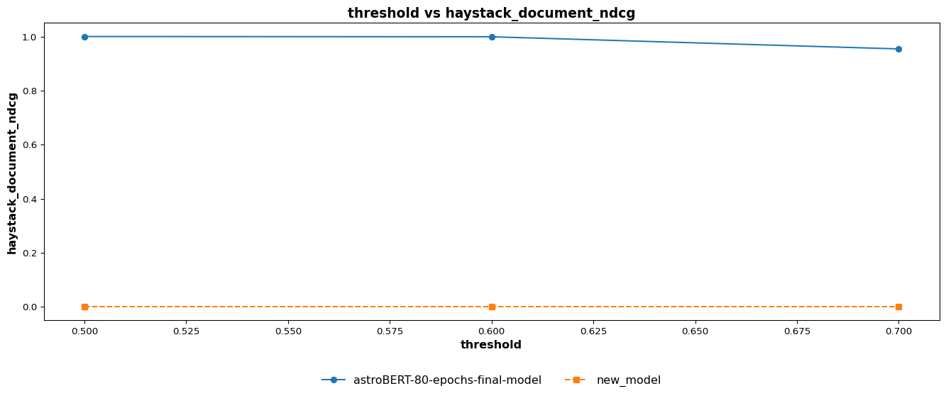

 | train > threshold > haystack_document_map_comparision


 | test > k > weighted_precision_comparision
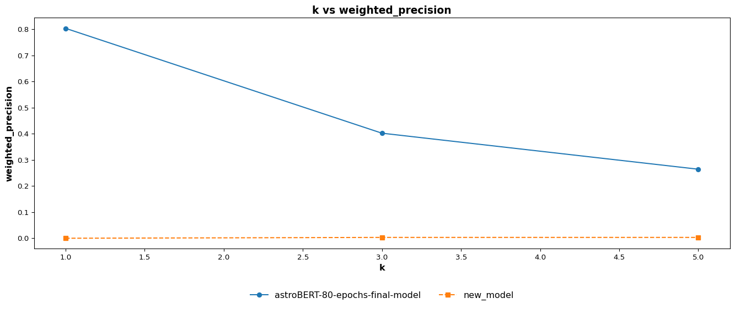

 | test > k > weighted_recall_comparision
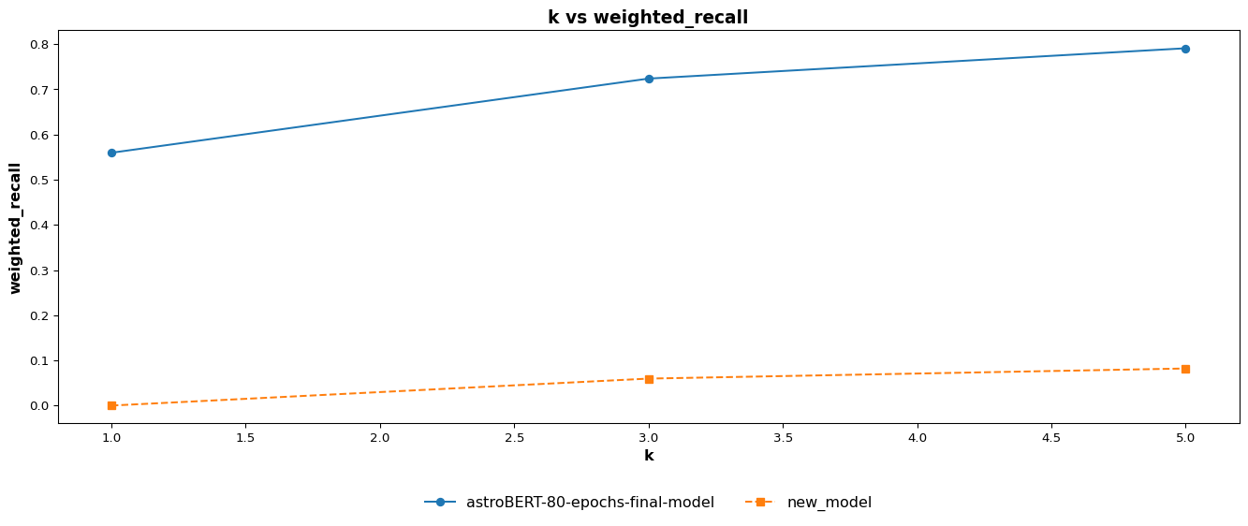

 | test > k > weighted_f1_comparision
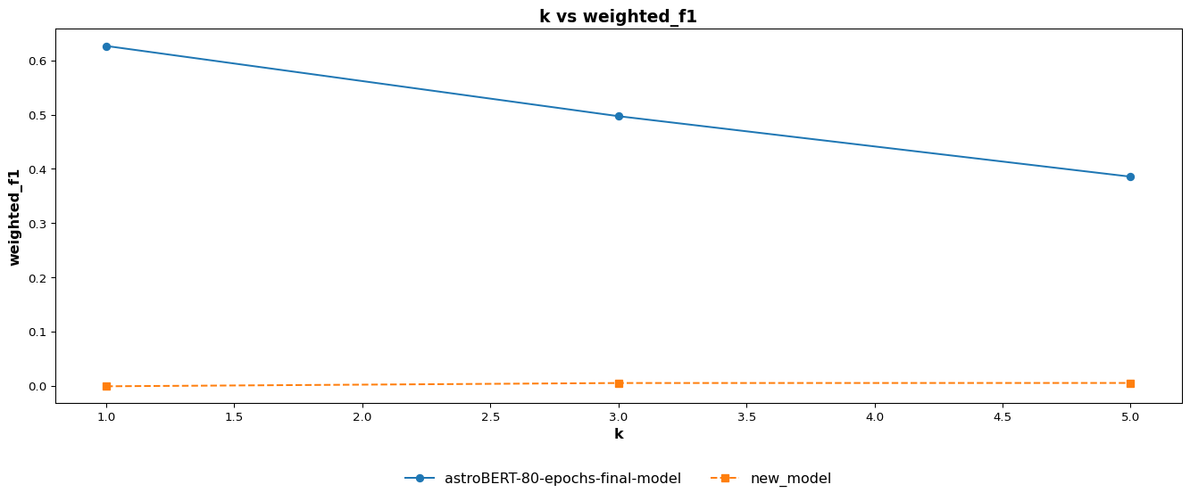

 | test > k > weighted_jaccard_similarity_comparision
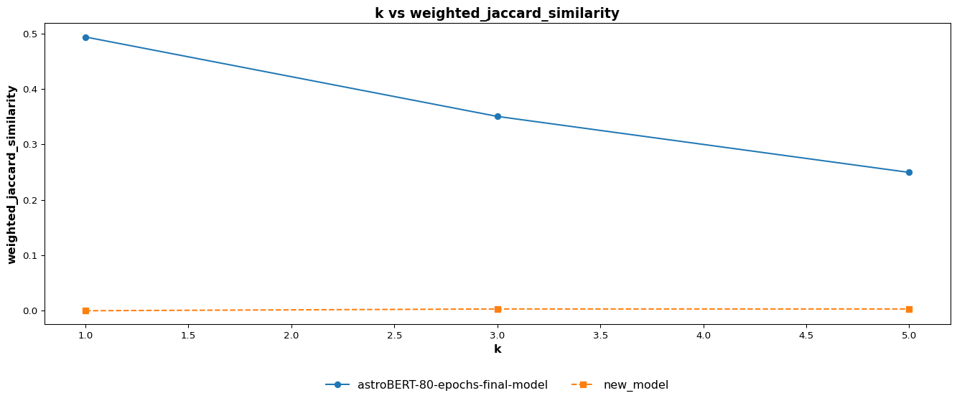

 | test > k > haystack_document_recall_comparision
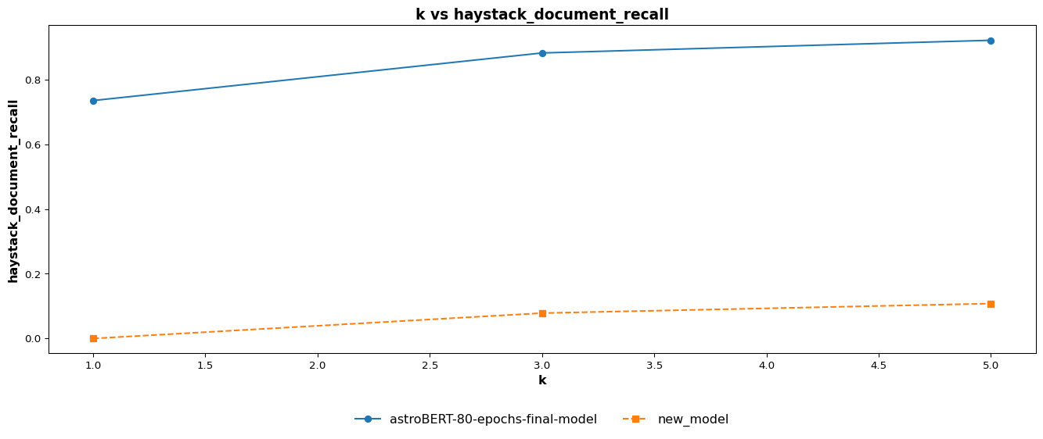

 | test > k > haystack_document_mrr_comparision
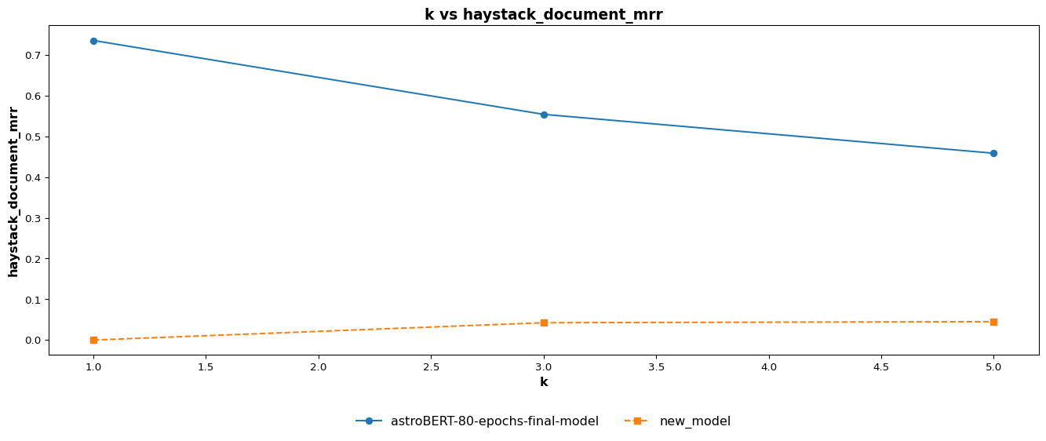

 | test > k > haystack_document_ndcg_comparision
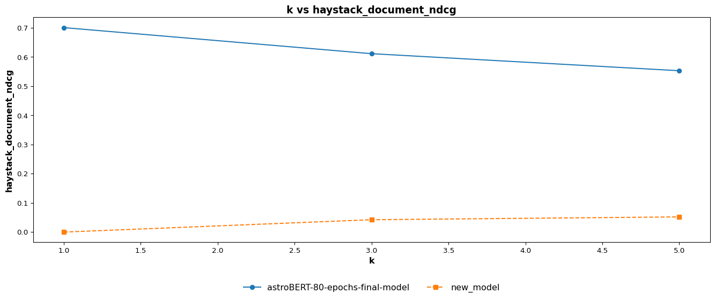

 | test > k > haystack_document_map_comparision
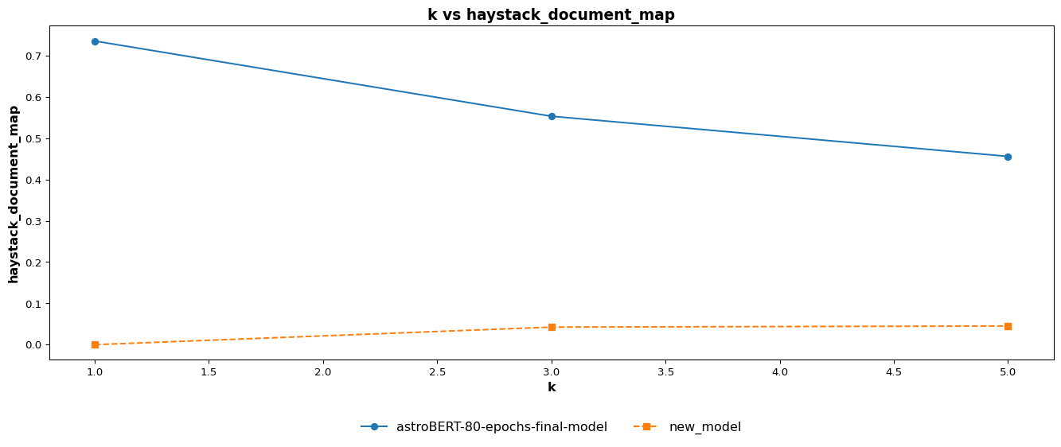

 | test > threshold > weighted_precision_comparision
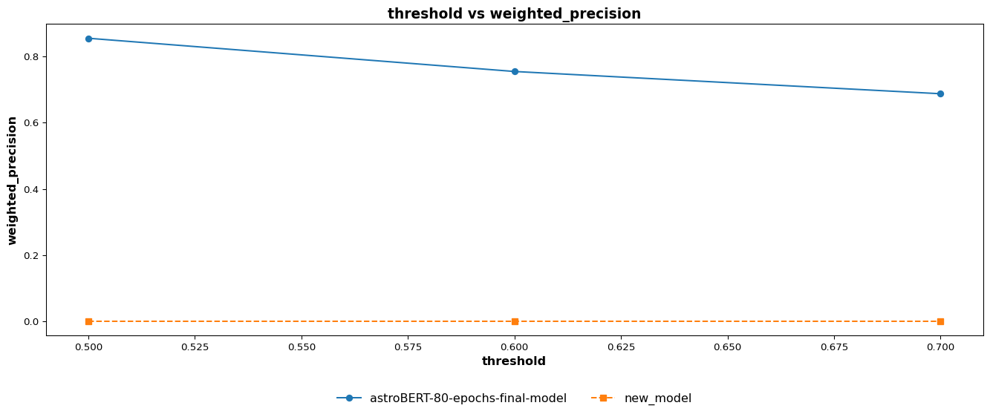

 | test > threshold > weighted_recall_comparision
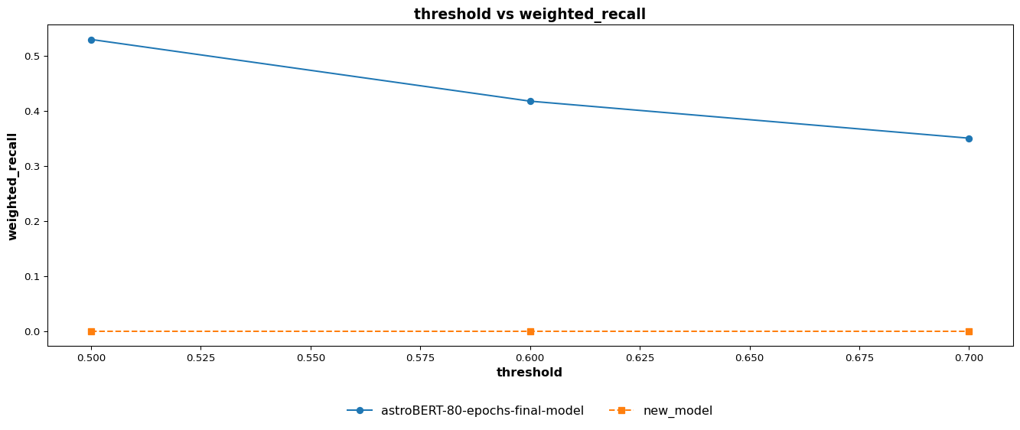

 | test > threshold > weighted_f1_comparision
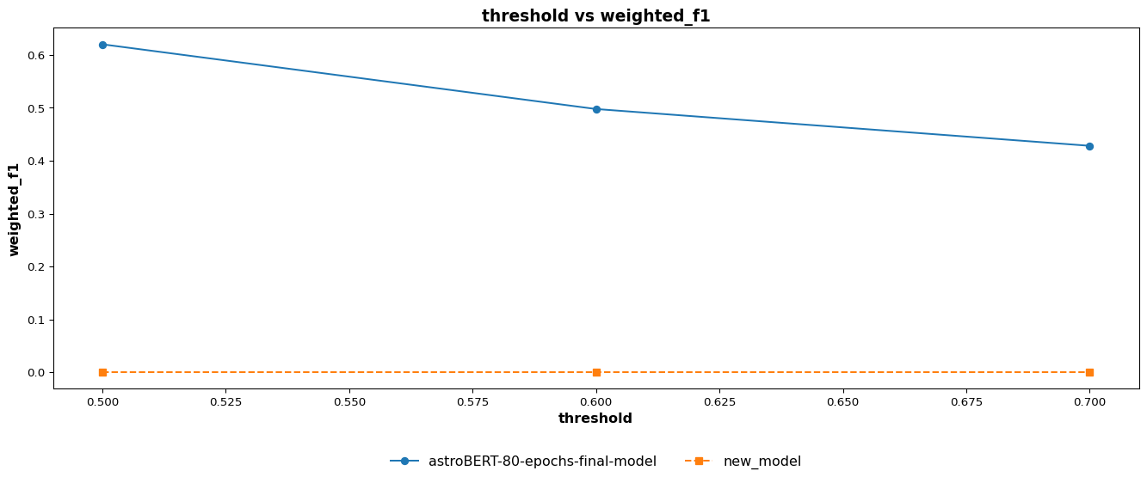

 | test > threshold > weighted_jaccard_similarity_comparision
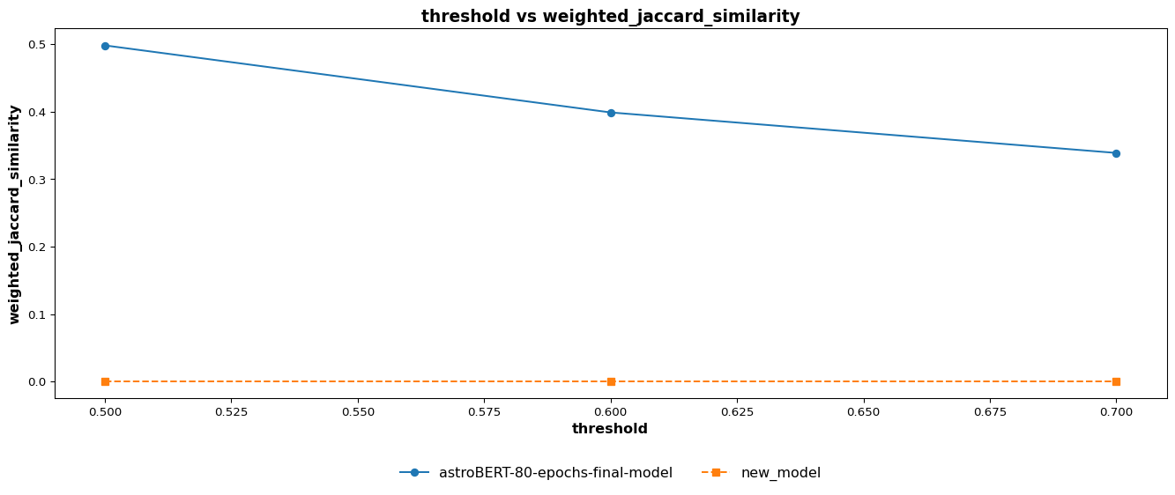

 | test > threshold > haystack_document_recall_comparision
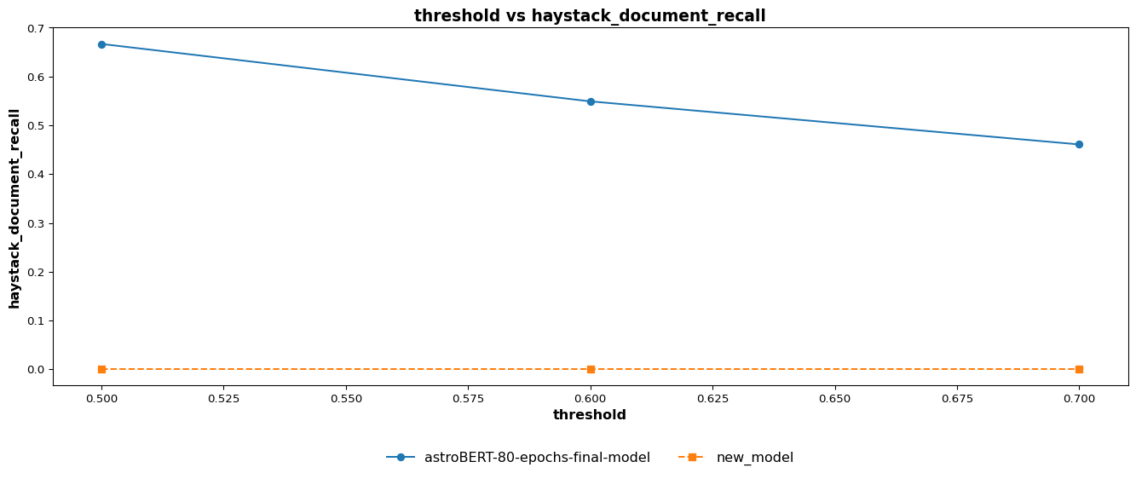

 | test > threshold > haystack_document_mrr_comparision


 | test > threshold > haystack_document_ndcg_comparision
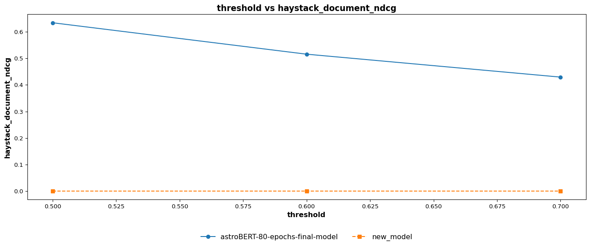

 | test > threshold > haystack_document_map_comparision

split_based_comp_plots
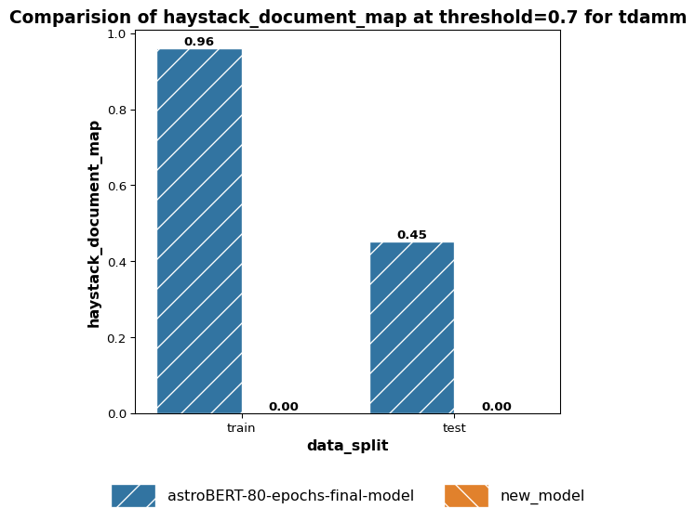
Split Based Metrics Comparison Plot
 | k > weighted_precision > 1
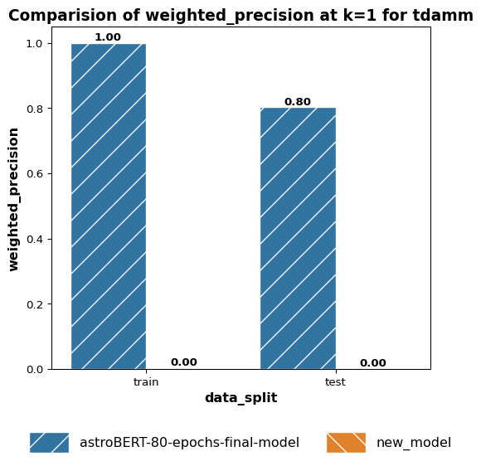

 | k > weighted_precision > 3
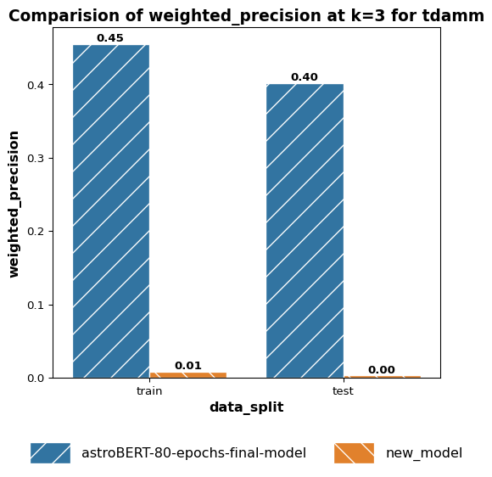

 | k > weighted_precision > 5
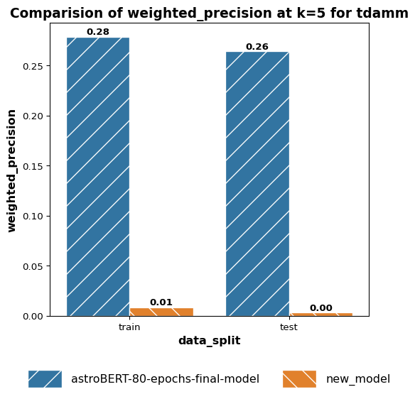

 | k > weighted_recall > 1
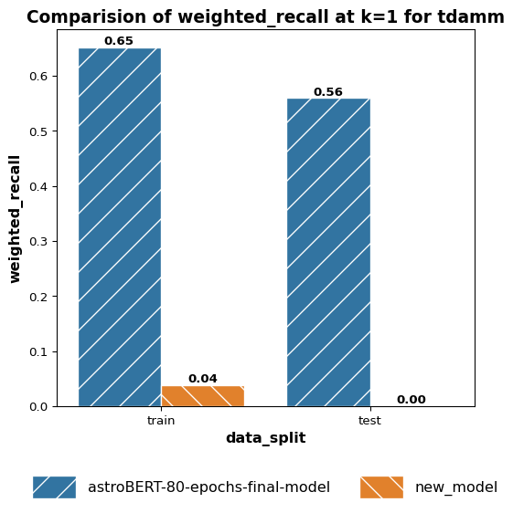

 | k > weighted_recall > 3
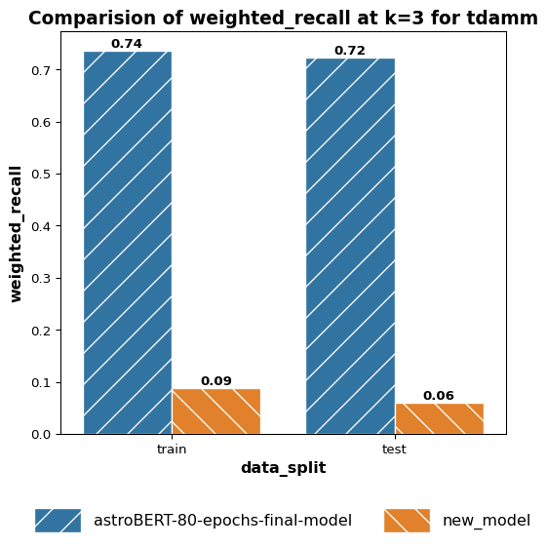

 | k > weighted_recall > 5


 | k > weighted_f1 > 1
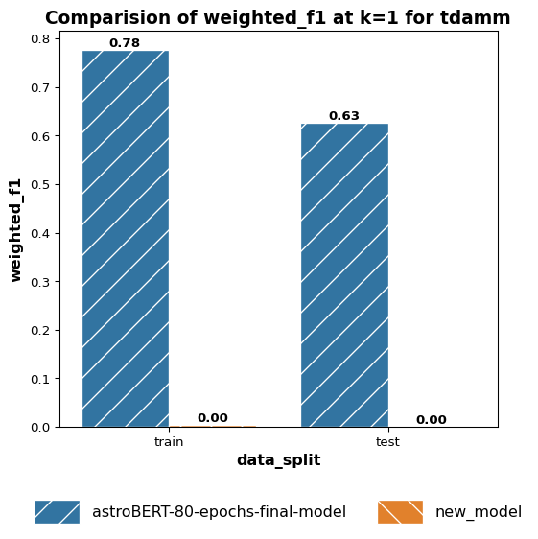

 | k > weighted_f1 > 3
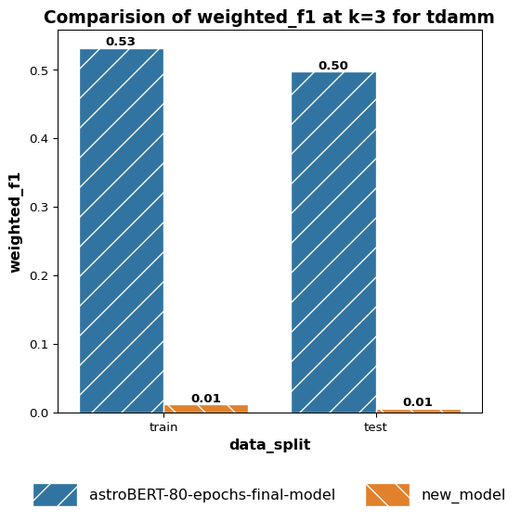

 | k > weighted_f1 > 5
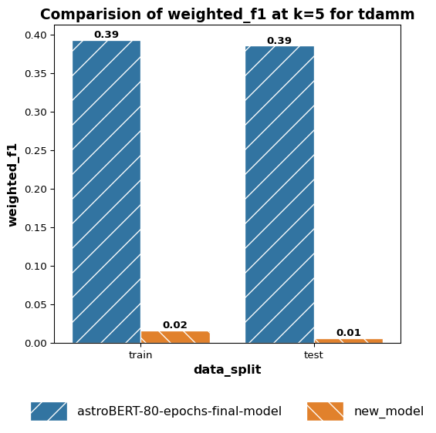

 | k > weighted_jaccard_similarity > 1
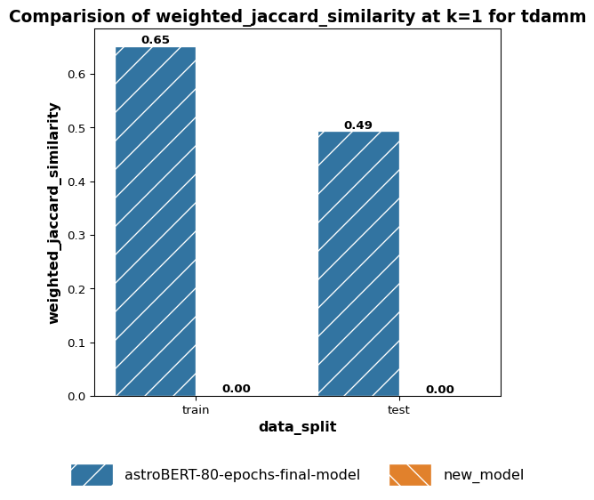

 | k > weighted_jaccard_similarity > 3
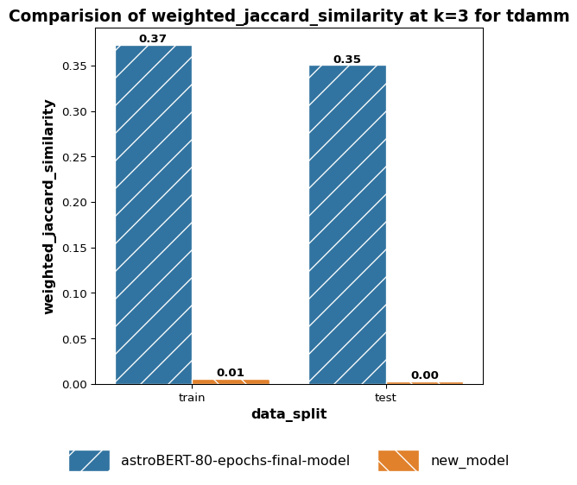

 | k > weighted_jaccard_similarity > 5
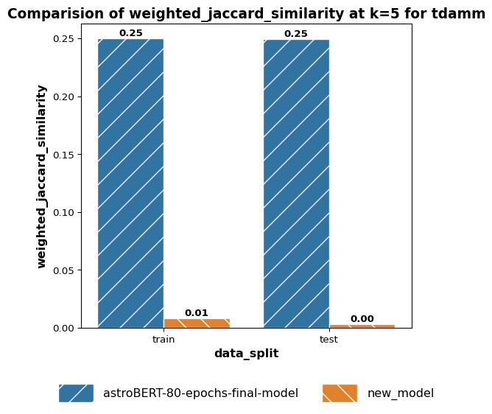

 | k > haystack_document_recall > 1
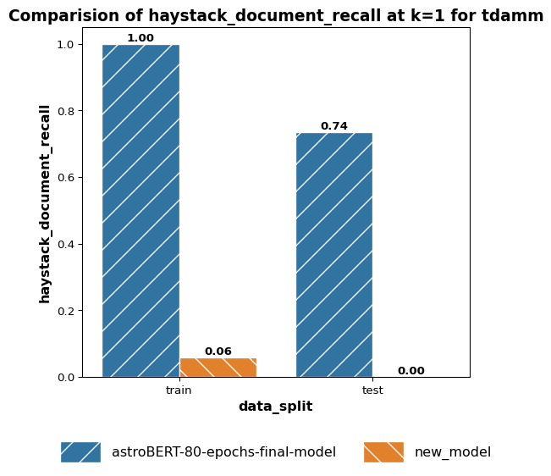

 | k > haystack_document_recall > 3
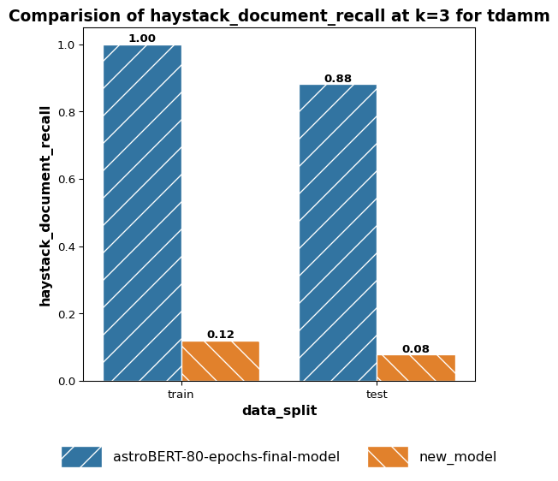

 | k > haystack_document_recall > 5
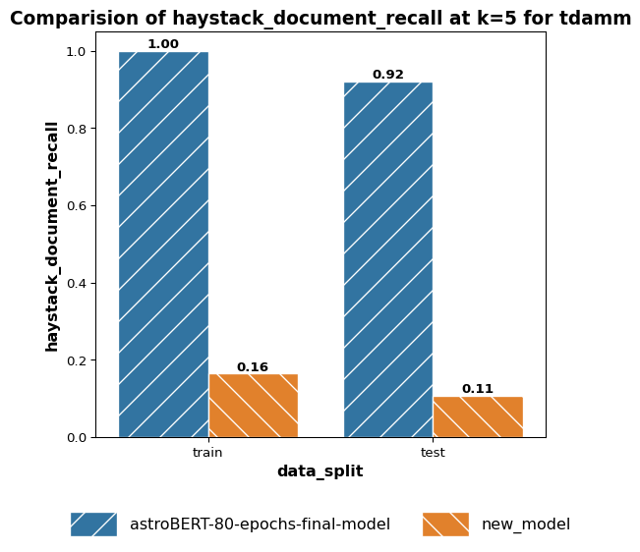

 | k > haystack_document_mrr > 1
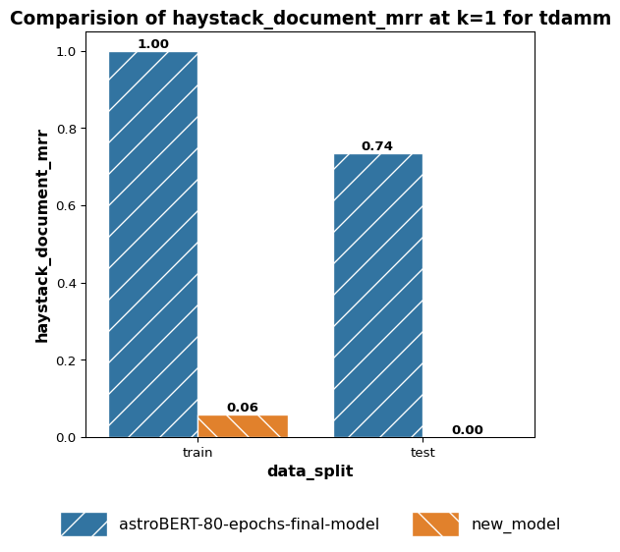

 | k > haystack_document_mrr > 3
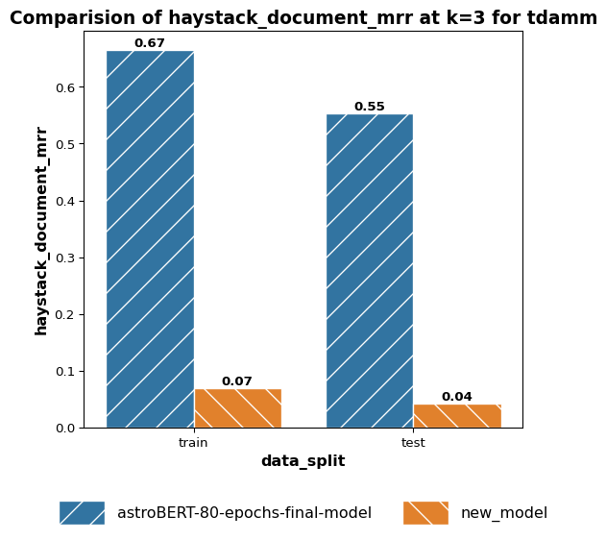

 | k > haystack_document_mrr > 5
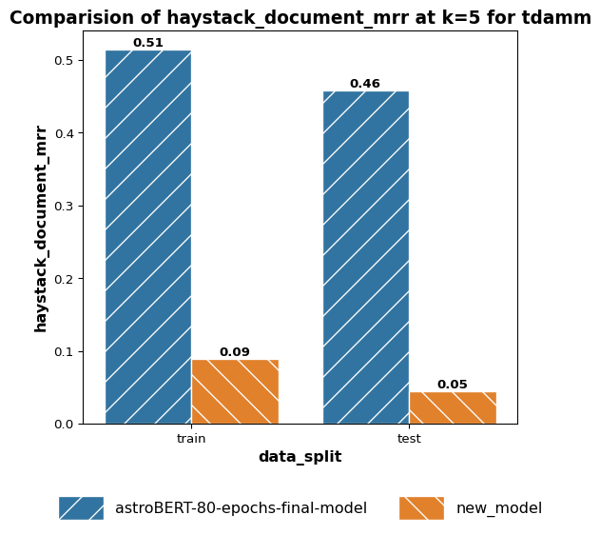

 | k > haystack_document_ndcg > 1
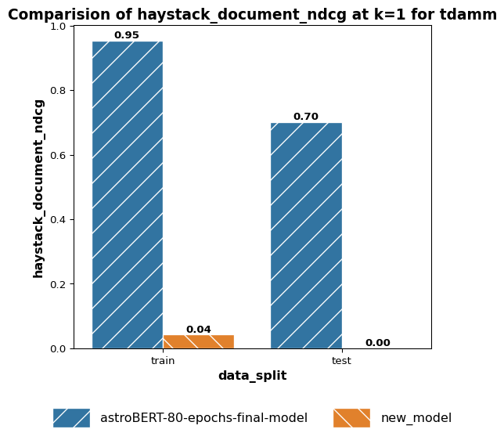

 | k > haystack_document_ndcg > 3
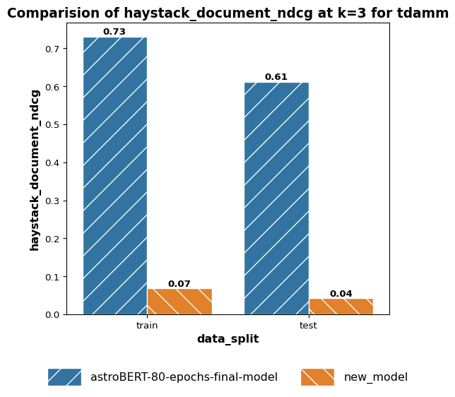

 | k > haystack_document_ndcg > 5


 | k > haystack_document_map > 1


 | k > haystack_document_map > 3
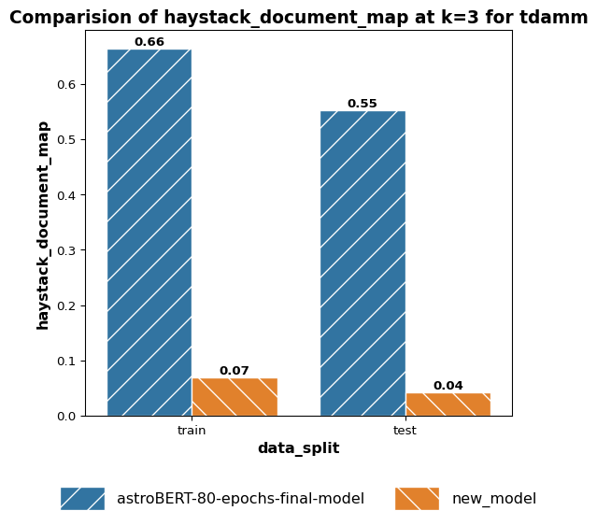

 | k > haystack_document_map > 5


 | threshold > weighted_precision > 0.5


 | threshold > weighted_precision > 0.6


 | threshold > weighted_precision > 0.7


 | threshold > weighted_recall > 0.5


 | threshold > weighted_recall > 0.6


 | threshold > weighted_recall > 0.7


 | threshold > weighted_f1 > 0.5


 | threshold > weighted_f1 > 0.6


 | threshold > weighted_f1 > 0.7


 | threshold > weighted_jaccard_similarity > 0.5


 | threshold > weighted_jaccard_similarity > 0.6


 | threshold > weighted_jaccard_similarity > 0.7


 | threshold > haystack_document_recall > 0.5


 | threshold > haystack_document_recall > 0.6


 | threshold > haystack_document_recall > 0.7


 | threshold > haystack_document_mrr > 0.5


 | threshold > haystack_document_mrr > 0.6


 | threshold > haystack_document_mrr > 0.7


 | threshold > haystack_document_ndcg > 0.5


 | threshold > haystack_document_ndcg > 0.6


 | threshold > haystack_document_ndcg > 0.7


 | threshold > haystack_document_map > 0.5


 | threshold > haystack_document_map > 0.6


 | threshold > haystack_document_map > 0.7

