Sheet1
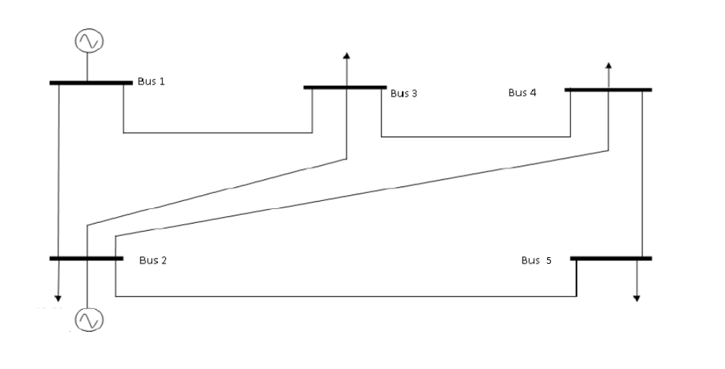
id | bus | Efficiency | duration | VLOOKUP | power capability | energy capacity
stor1 | bus_3 | 76% | 4 | 8 | 8 | 32
stor2 | bus_3 | 87% | 1 | 5 | 5 | 5
stor3 | bus_3 | 85% | 0.5 | 18 | 18 | 9
stor4 | bus_2 | 89% | 4 | 12 | 12 | 48
stor5 | bus_2 | 87% | 3 | 5 | 5 | 15
stor6 | bus_5 | 85% | 2 | 38 | 38 | 76
stor7 | bus_1 | 85% | 1.5 | 34 | 34 | 51
stor8 | bus_1 | 90% | 1 | 3 | 3 | 3
stor9 | bus_1 | 88% | 0.5 | 22 | 22 | 11
stor10 | bus_2 | 65% | 4 | 2 | 2 | 8
stor11 | bus_5 | 85% | 6 | 86 | 86 | 516
stor12 | bus_5 | 92% | 0.5 | 99 | 99 | 49.5
stor13 | bus_5 | 91% | 1.5 | 49 | 49 | 73.5
stor14 | bus_5 | 90% | 1 | 46 | 46 | 46
stor15 | bus_2 | 85% | 4 | 12 | 12 | 48
stor16 | bus_2 | 77% | 4 | 25 | 25 | 100
stor17 | bus_4 | 90% | 3.5 | 33 | 33 | 115.5
stor18 | bus_2 | 85% | 1 | 13 | 13 | 13
stor19 | bus_5 | 65% | 4 | 45 | 45 | 180
stor20 | bus_1 | 81% | 4 | 76 | 76 | 304
stor21 | bus_1 | 82% | 4 | 94 | 94 | 376
stor22 | bus_1 | 65% | 1 | 98 | 98 | 98
stor23 | bus_1 | 85% | 4 | 64 | 64 | 256
stor24 | bus_3 | 75% | 9 | 52 | 52 | 468
stor999 | bus 2 | 80% | 2 | #N/A

