Sheet1
 | unit | Value | Goal | Error

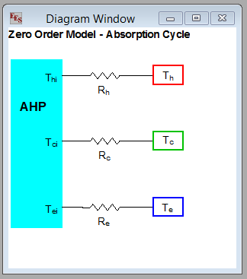
var1 |  | 4.1678516998
var2 |  | 4.498769064
var3 |  | 4.7065025258
T_ei | °C | -37.37
T_ci | °C | 70.24
T_hi | °C | 177.85
T_ei | K | 235.78
T_ci | K | 343.39
T_hi | K | 451.00
COP |  | 0.5228
Ue | W/m2-K | 500
Uc | W/m2-K | 500
Uh | W/m2-K | 500
Ae | m2 | 2.0000005363
Ac | m2 | 5
Ah | m2 | 2.9999975582
Re | K/W | 1.00E-03
Rc | K/W | 4.00E-04
Rh | K/W | 6.67E-04
Qe (>0 means in) | W | 17371.0
Qc | W | -50597.3
Qh | W | 33226.7
Dte | K | 17.37
Dtc | K | -20.24
Dth | K | 22.15
T_e | °C | -20.00
T_c | °C | 50.00
T_h | °C | 200.00
Lift equation | °C | 0.00 | 0.00 | 0.0
Calculated heat, evap | W | 17370.7
Calculated heat, cond | W | -50597.4
Conservation, evap | W | -0.3 | 0.0 | -0.3
Conservation, condense | W | 0.1 | 0.0 | 0.1
Total heat transfer area | m2 | 10.0 | 10.0 | 0.0

Total |  |  |  | 0.10000009353

