dashboard
Distrbution of Ride status in %
 | Total
Cancelled | 0.172981498
No Cars Available | 0.41619584895
Trip Completed | 0.41082265304
 | Cancelled | No Cars Available | Trip Completed
Total | 3 | 10 | 16
Request distribution with pickup location
 | Total
Airport | 1327
City | 1504

Trip request on each day
 | Total
Monday | 1367
Tuesday | 1307
Wednesday | 1337
Thursday | 1353
Friday | 1381
Hourly City Ride Demand vs Completion
 | Trip Completed | City demand
 | 17 | 46
 | 12 | 43
 | 21 | 58
 | 19 | 47
 | 42 | 131
 | 100 | 353
 | 86 | 309
 | 99 | 323
 | 88 | 350
 | 99 | 342
 | 63 | 168
 | 66 | 107
 | 58 | 97
 | 54 | 95
 | 51 | 86
 | 50 | 95
 | 53 | 98
 | 77 | 110
 | 83 | 105
 | 83 | 107
 | 87 | 114
 | 81 | 106
 | 74 | 121
 | 41 | 96

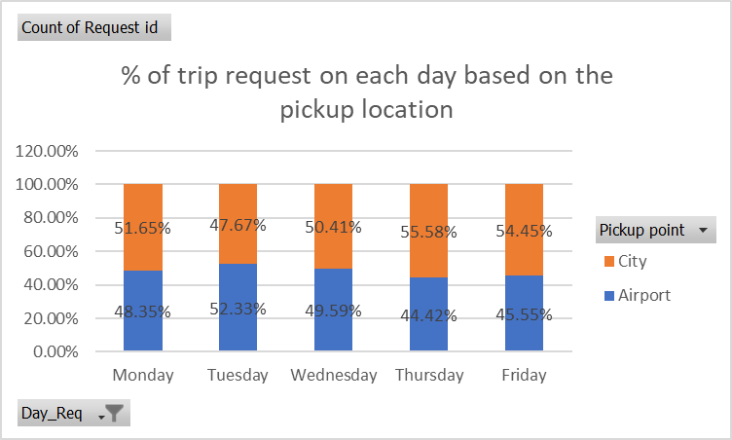
Request v/s Status
 | Cancelled | No Cars Available | Trip Completed
Airport | 2 | 34 | 36
City | 49 | 40 | 42

Hourly Airport Ride Demand vs Completion
 | Trip Completed | Airport
 | 23 | 53
 | 13 | 42
 | 16 | 41
 | 15 | 45
 | 36 | 72
 | 85 | 92
 | 81 | 89
 | 75 | 83
 | 67 | 73
 | 74 | 89
 | 53 | 75
 | 49 | 64
 | 63 | 87
 | 35 | 65
 | 37 | 50
 | 52 | 76
 | 38 | 61
 | 74 | 308
 | 81 | 405
 | 83 | 366
 | 74 | 378
 | 61 | 343
 | 80 | 183
 | 62 | 98

table1
Trip request during differnt hours of a day
 | Total
0 | 99
1 | 85
2 | 99
3 | 92
4 | 203
5 | 445
6 | 398
7 | 406
8 | 423
9 | 431
10 | 243
11 | 171
12 | 184
13 | 160
14 | 136
15 | 171
16 | 159
17 | 418
18 | 510
19 | 473
20 | 492
21 | 449
22 | 304
23 | 194
(blank)

Row Labels | Count of Request id
0 | 99
1 | 85
2 | 99
3 | 92
4 | 203
5 | 445
6 | 398
7 | 406
8 | 423
9 | 431
10 | 243
11 | 171
12 | 184
13 | 160
14 | 136
15 | 171
16 | 159
17 | 418
18 | 510
19 | 473
20 | 492
21 | 449
22 | 304
23 | 194
(blank)
Grand Total | 6745

table2
Request distribution with pickup location
Row Labels | Count of Request id
Airport | 1327
City | 1504
Grand Total | 2831

table 3
Count of Request id | Column Labels
Row Labels | Cancelled | No Cars Available | Trip Completed | Grand Total
Airport | 2 | 34 | 36 | 72
City | 49 | 40 | 42 | 131
Grand Total | 51 | 74 | 78 | 203

table 4
 | Column Labels
 | Cancelled | No Cars Available | Trip Completed | Grand Total
Count of Status | 3 | 10 | 16 | 29

table 5
Pickup point | City

Hourly City Ride Demand vs Completion
Row Labels | Count of Request id
0 | 46 |  |  | Row Labels | Trip Completed | City demand
1 | 43 |  |  | 0 | 17 | 46
2 | 58 |  |  | 1 | 12 | 43
3 | 47 |  |  | 2 | 21 | 58
4 | 131 |  |  | 3 | 19 | 47
5 | 353 |  |  | 4 | 42 | 131
6 | 309 |  |  | 5 | 100 | 353
7 | 323 |  |  | 6 | 86 | 309
8 | 350 |  |  | 7 | 99 | 323
9 | 342 |  |  | 8 | 88 | 350
10 | 168 |  |  | 9 | 99 | 342
11 | 107 |  |  | 10 | 63 | 168
12 | 97 |  |  | 11 | 66 | 107
13 | 95 |  |  | 12 | 58 | 97
14 | 86 |  |  | 13 | 54 | 95
15 | 95 |  |  | 14 | 51 | 86
16 | 98 |  |  | 15 | 50 | 95
17 | 110 |  |  | 16 | 53 | 98
18 | 105 |  |  | 17 | 77 | 110
19 | 107 |  |  | 18 | 83 | 105
20 | 114 |  |  | 19 | 83 | 107
21 | 106 |  |  | 20 | 87 | 114
22 | 121 |  |  | 21 | 81 | 106
23 | 96 |  |  | 22 | 74 | 121
Grand Total | 3507 |  |  | 23 | 41 | 96

 | Row Labels | Trip Completed | Airport
 | 0 | 23 | 53
 | 1 | 13 | 42
 | 2 | 16 | 41
 | 3 | 15 | 45
 | 4 | 36 | 72
 | 5 | 85 | 92
 | 6 | 81 | 89
 | 7 | 75 | 83
 | 8 | 67 | 73
 | 9 | 74 | 89
 | 10 | 53 | 75
 | 11 | 49 | 64
 | 12 | 63 | 87
Hourly Airport Ride Demand vs Completion
 | 13 | 35 | 65
 | 14 | 37 | 50
 | 15 | 52 | 76
 | 16 | 38 | 61
 | 17 | 74 | 308
 | 18 | 81 | 405
 | 19 | 83 | 366
 | 20 | 74 | 378
 | 21 | 61 | 343
 | 22 | 80 | 183
 | 23 | 62 | 98

table 6
Airport
Count of Request id | Column Labels
Row Labels | Airport | Grand Total
0 | 53 | 53
1 | 42 | 42
2 | 41 | 41
3 | 45 | 45
4 | 72 | 72
5 | 92 | 92
6 | 89 | 89
7 | 83 | 83
8 | 73 | 73
9 | 89 | 89
10 | 75 | 75
11 | 64 | 64
12 | 87 | 87
13 | 65 | 65
 | Total
0 | 46
1 | 43
2 | 58
3 | 47
4 | 131
5 | 353
6 | 309
7 | 323
8 | 350
9 | 342
10 | 168
11 | 107
12 | 97
13 | 95
14 | 86
15 | 95
16 | 98
17 | 110
18 | 105
19 | 107
20 | 114
21 | 106
22 | 121
23 | 96
14 | 50 | 50
15 | 76 | 76
16 | 61 | 61
17 | 308 | 308
18 | 405 | 405
19 | 366 | 366
20 | 378 | 378
21 | 343 | 343
22 | 183 | 183
23 | 98 | 98
Grand Total | 3238 | 3238

