CONNECTOR INFO
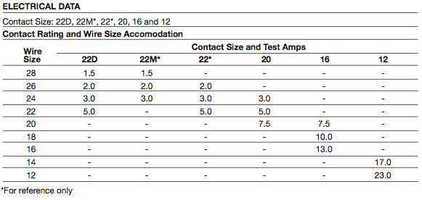
Shell Size | part number | Contact size | #Contacts | Suggested wire gauges
13 | C35 | 22D | 22
13 | C4 | 16 | 4
15 | D35 | 22D | 37
15 | D97 | 20 | 8
 |  | 16 | 4
17 | E35 | 22D | 55
17 | E6 | 12 | 6
17 | E8 | 16 | 8
17 | E26 | 20 | 26
20 | 20-15 | 12 | 7
16 | 16-10 | 12 | 3
22 | 22-9 | 12 | 3

