1110
 | Exploratory Data Analysis探索性數據分析
 | a.檢查[訓練集_輸入資料]文件數量並與對應[答案answer.txt]是否相符合
 | b.檢視一下[訓練集_輸入資料]的Format是否都相同?(有幾種不同格式...) c.統計一下[答案answer.txt]的類別(例如DEPARTMENT、HOSPITAL、MEDICALRECORD、DATE...)有幾種?
 | 先從單一文件來看類別數量分佈,再統計所有[答案answer.txt]的類別數量分佈
 | d.檢視[答案answer.txt]的各類別的值SIZE
 | e.[訓練集_輸入資料]中的時間的樣式是否都相同?
 | f.[訓練集_輸入資料]通常有那些區段不含隱私資料?
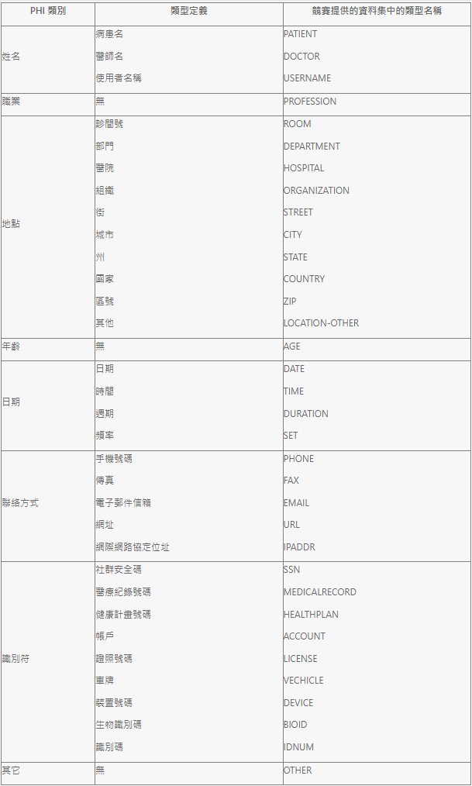
 | g.檢查是否有缺失值?

 | PHI | 第一資料集出現次數 | 第二資料集出現次數 | 全部次數
1 | DOCTOR | 3784 | 2757 | 6541
2 | DATE | 2922 | 1855 | 4777
3 | IDNUM | 2346 | 1331 | 3677
4 | MEDICALRECORD | 1210 | 614 | 1824
5 | PATIENT | 1196 | 623 | 1819
6 | HOSPITAL | 1177 | 623 | 1800
7 | TIME | 664 | 453 | 1117
8 | DEPARTMENT | 537 | 501 | 1038
9 | CITY | 458 | 481 | 939
10 | ZIP | 452 | 461 | 913
11 | STREET | 444 | 455 | 899
12 | STATE | 428 | 447 | 875
13 | ORGANIZATION | 69 | 67 | 136
14 | AGE | 89 | 38 | 127
15 | DURATION | 13 | 15 | 28
16 | SET | 1 | 13 | 14
17 | PHONE | 5 | 4 | 9
18 | LOCATION-OTHER | 2 | 4 | 6
19 | URL | 3 | 0 | 3
20 | COUNTRY | 1 | 2 | 3
21 | ROOM | 0 | 1 | 1

PHI總數

1124
personal_inform |  | MACROSCOPIC |  | MICROSCOPIC |  | DIAGNOSIS
IDNUM | 1631 | DOCTOR | 1826 | DOCTOR | 969 | DOCTOR | 76 | 是否每個病歷都有這四個區塊?
MEDICALRECORD | 1106 | DATE | 1151 | DATE | 476 | DATE | 47
PATIENT | 725 | IDNUM | 558 | TIME | 44 | HOSPITAL | 5
HOSPITAL | 515 | HOSPITAL | 506 | IDNUM | 32 | IDNUM | 2
CITY | 383 | TIME | 492 | PATIENT | 19 | ORGANIZATION | 1
STREET | 378 | DEPARTMENT | 453 | HOSPITAL | 8 | TIME | 1
DATE | 372 | PATIENT | 341 | DEPARTMENT | 4 | PATIENT | 1
ZIP | 349 | MEDICALRECORD | 94 | CITY | 2
STATE | 348 | ZIP | 88 | ORGANIZATION | 2 |  |  | DOCTOR | 2872
AGE | 16 | AGE | 73 | MEDICALRECORD | 1 |  |  | DATE | 2046
DEPARTMENT | 2 | STREET | 66 | PHONE | 1
LOCATION-OTHER | 2 | CITY | 64
TIME | 1 | STATE | 62
DOCTOR | 1 | DURATION | 12
 |  | ORGANIZATION | 12

Total | 5829 | Total | 5798 | Total | 1558 | Total | 133 | Total | 13318

personal_inform
MACROSCOPIC
MICROSCOPIC
DIAGNOSIS

1222
Rule-based
 |  | First Phase data | Second Phase data | Validation
DATE | Error | 531 | 385 | 291
 | Total | 2922 | 1855 | 1617
 | Accuracy | 81.83% | 79.25% | 82.00%
TIME | Error | 34 | 34 | 32
 | Total | 664 | 453 | 420
 | Accuracy | 94.88% | 92.49% | 92.38%
DURATION | Error | 0 | 0 | 0
 | Total | 1 | 13 | 6
 | Accuracy | 100% | 100% | 100%
SET | Error | 0 | 1 | 0
 | Total | 13 | 15 | 0
 | Accuracy | 100% | 93.33% | None
Total | Error | 565 | 420 | 323
 | Total | 3600 | 2336 | 2043
 | Accuracy | 84.31% | 82.02% | 84.19%

$$Accuracy=1−\frac{Error}{Total}$$

