to.be.elaborated
# | Parameters | Odisha | Assam | Telangana
1 | Scheme | "Artisan Welfare Fund" under the Scheme Promotion of Handicrafts Industries | HANDICRAFT POLICY OF ASSAM, 2022 | Nethanna Bima
2 | Objective | i). To support for enrollment of artisans under Health Insurance Scheme & Life Insurance Scheme, 100% artisan contribution of Insurance premium shall be provided on behalf of the artisans as per revision in the premium amount/ registration fee/ renewal charges of the scheme for implementation of both the schemes sponsored by DC (H), new Delhi implementing through Assistant Director o/o DC (H), Bhubaneswar / Sambalpur in the State. ii). To provide emergent assistance of ex-gratia to the family of deceased artisans belonging to BPL category, where an artisan dies due to illness/ accident etc. iii). To encourage the handicraft artisans for their craftsmanship by honoring them with felicitation and Awards. | (1) Improve the socio‐economic condition of artisans and craftpractitioners by ensuring minimum wages; (2) Facilitate growth of crafts-based businesses and to make them economically viable by providing financial support; (3) Develop the capacity of those engaged in the sector, both artisans and entrepreneurs, through training and technology support; (4) Conserve traditional knowledge, skills and heritage through use of GI etc; (5) Empower artisans by providing them with social security like Life Insurance, Health Insurance , ESI, Family pension , support to education, food security , etc. through the existing schemes of the State and Central Government; (6) Provide market linkage/ online marketplace for sale of such products using IT; (7) Provide scope for Research and Development; (8) Develop a mechanism to ensure Quality Control; (9) Assist the sector in making raw material available; (10) Assist entrepreneurs in the export of their products; (11) Harness the benefits provided by the Government of India , Export Promotion Councils , various institutions /organizations etc in various field of activities; (12) Construct Craft villages; (13) Set up Export village centrally at Guwahati to improve product and market development; (14) As part of marketing strategy, sign MoU with the Tourism Department to allow sale of handicrafts at / from all its wayside amenities centres and tourism properties. | 1. Nethanna Bima’, a first-of-its-kind scheme in the country. It would extend life insurance coverage to handloom and powerloom weavers. 2. The scheme provides economic assurance to handloom and power loom weaver families. 3. The insurance coverage scheme would benefit more than 80,000 weavers across the State.
3 | Target Group | Genuine Handicraft Artisans of the State issued with identity card as a handicraft artisan from DC (Handicrafts) / State Government / Authorised State Government Organisations. | Handicraft Artisan/ Artisan/ Craftsman means any person engaged in/ practicing handicraft production as a source of his/ her livelihood | Handloom and powerloom weavers.
 | Benefits | 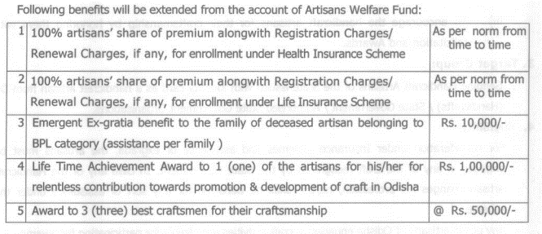 | Empower artisans by providing them with social security like Life Insurance, Health Insurance , ESI, Family pension , support to education, food security , etc. through the existing schemes of the State and Central Government; | Under the scheme, Rs 5 lakh would be deposited in the nominees' account in case of unfortunate death of an eligible beneficiary (weaver).
4 | Eligibility | For consideration under Insurance Schemes and assistance of exgratia, the artisans must be engaged in any of the craft recognized by the State Government. In case any of the Handicraft Artisan changes his profession, he/she shall be debarred for any sort of assistance under the scheme. | Handicraft Artisan/ Artisan/ Craftsman means any person engaged in/ practicing handicraft production as a source of his/ her livelihood | Handloom and powerloom weavers.
 | Scheme Link | https://crafts.odisha.gov.in/wp-content/uploads/2020/02/Guidelines-on-Artisan-Welfare-Fund.pdf | https://industriescom.assam.gov.in/sites/default/files/swf_utility_folder/departments/industries_com_oid_4/portlet/level_2/handicraft_policy-_24032022.pdf

