Map
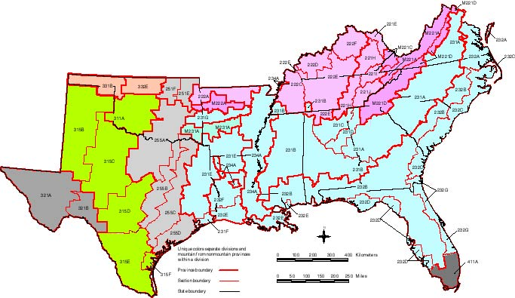

color | division | color | division
medium gray | Tropical/Subtropical Desert | pink | Mountainous Hot Continental
green | Tropical/Subtropical Steppe | light blue | Subtropical
peach | Temperate Steppe | blue | Mountainous Subtropical
light gray | Prairie | dark gray | Savanna
light pink | Hot Continental

SRTS_Reg_Lookup
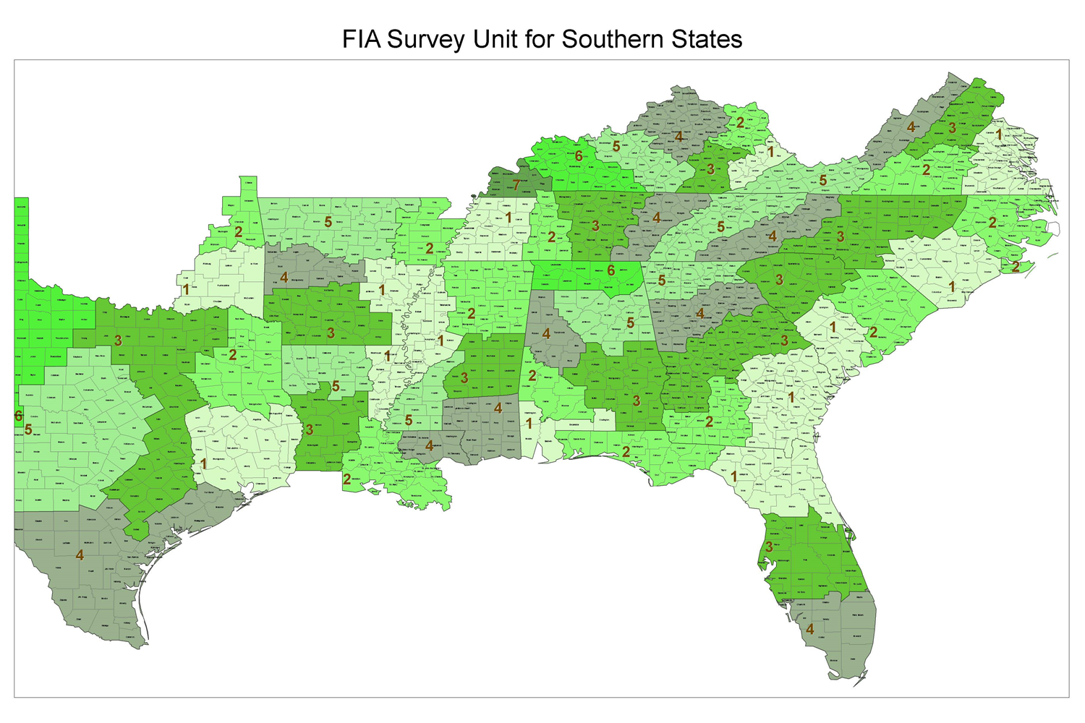
SRTS
Number | Label | State | Unit | Phyreg | Station
1 | AL-SW_S | 1 | 1 | 1 | 2
2 | AL-SW_N | 1 | 2 | 1 | 2
3 | AL-SE | 1 | 3 | 1 | 2
4 | AL-WCtrl | 1 | 4 | 4 | 2
5 | AL-NCtrl | 1 | 5 | 4 | 2
6 | AL-North | 1 | 6 | 3 | 2
7 | AR-SDelt | 5 | 1 | 2 | 2
8 | AR-NDel | 5 | 2 | 2 | 2
9 | AR-SW | 5 | 3 | 4 | 2
10 | AR-Ouach | 5 | 4 | 4 | 2
11 | AR-Ozark | 5 | 5 | 3 | 2
12 | FL-NE | 12 | 1 | 1 | 1
13 | FL-NW | 12 | 2 | 1 | 1
14 | FL-Ctrl | 12 | 3 | 1 | 1
15 | FL-South | 12 | 4 | 1 | 1
16 | GA-SE | 13 | 1 | 1 | 1
17 | GA-SW | 13 | 2 | 1 | 1
18 | GA-Ctrl | 13 | 3 | 4 | 1
19 | GA-NCtrl | 13 | 4 | 4 | 1
20 | GA-North | 13 | 5 | 3 | 1
21 | LA-NDelt | 22 | 1 | 2 | 2
22 | LA-SDelt | 22 | 2 | 2 | 2
23 | LA-SW | 22 | 3 | 1 | 2
24 | LA-SE | 22 | 4 | 1 | 2
25 | LA-NW | 22 | 5 | 4 | 2
26 | MS-Delta | 28 | 1 | 2 | 2
27 | MS-North | 28 | 2 | 4 | 2
28 | MS-Ctrl | 28 | 3 | 4 | 2
29 | MS-South | 28 | 4 | 1 | 2
30 | MS-SW | 28 | 5 | 4 | 2
31 | NC-SCP | 37 | 1 | 1 | 1
32 | NC-NCP | 37 | 2 | 1 | 1
33 | NC-Pdm | 37 | 3 | 4 | 1
34 | NC-Mtn | 37 | 4 | 3 | 1
35 | OK-SE | 40 | 1 | 4 | 2
36 | OK-NE | 40 | 2 | 3 | 2
37 | SC-SCP | 45 | 1 | 1 | 1
38 | SC-NCP | 45 | 2 | 1 | 1
39 | SC-Pdm | 45 | 3 | 4 | 1
40 | TN-West | 47 | 1 | 3 | 2
41 | TN-WCtrl | 47 | 2 | 3 | 2
42 | TN-Ctrl | 47 | 3 | 3 | 2
43 | TN-Plat | 47 | 4 | 3 | 2
44 | TN-East | 47 | 5 | 3 | 2
45 | TX-SE | 48 | 1 | 1 | 2
46 | TX-NE | 48 | 2 | 4 | 2
47 | VA-CP | 51 | 1 | 1 | 1
48 | VA-S_Pdm | 51 | 2 | 4 | 1
49 | VA-NPdm | 51 | 3 | 4 | 1
50 | VA-NMtn | 51 | 4 | 3 | 1
51 | VA-SMtn | 51 | 5 | 3 | 1
52 | KY-East | 21 | 1 | 3 | 2
53 | KY-NCum | 21 | 2 | 3 | 2
54 | KY-SCum | 21 | 3 | 3 | 2
55 | KY-BluG | 21 | 4 | 3 | 2
56 | KY-PNRYL | 21 | 5 | 3 | 2
57 | KY-WCoal | 21 | 6 | 3 | 2
58 | KY-West | 21 | 7 | 3 | 2

