Original data
Date | Quarter | Original | Exponential |  | Moving Average |  | Avec addins | alpha | 0.62500164835
 |  | Data | Forecast | Error | Forecast | Error |  | Sum of square | 224302.86109
Dec-83 | 4 | 147.6 | NA |  |  |  | #N/A | RMSE exp | 75.83769124 | Indicate how to represent the original data to obtain the graph of the figure below
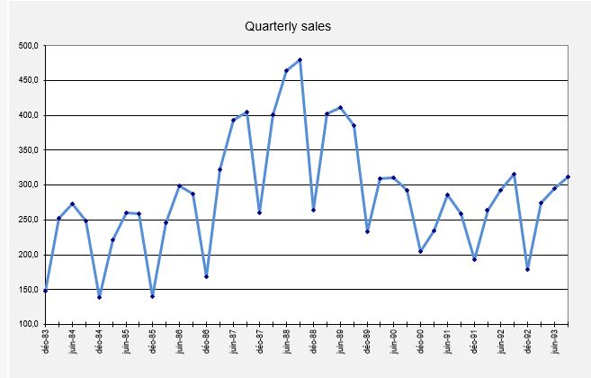
Mar-84 | 1 | 251.8 | 147.6 | 104.2 |  |  | 147.6 | Sum of square | 149130.3264
Jun-84 | 2 | 273.1 | 186.67482824 | 86.4 | 212.2 | 60.9 | 199.7 | RMSE mov ave | 64.362326455
Sep-84 | 3 | 249.1 | 219.08412519 | 30.0 | 226.9 | 22.2 | 236.4
Dec-84 | 4 | 139.3 | 230.34002877 | -91.0 | 228.6 | -89.3 | 242.75
Mar-85 | 1 | 221.2 | 196.20016805 | 25.0 | 225.9 | -4.7 | 191.025
Jun-85 | 2 | 260.2 | 205.57506382 | 54.6 | 204.1 | 56.1 | 206.1125
Sep-85 | 3 | 259.5 | 226.05932485 | 33.4 | 225.4 | 34.1 | 233.15625
Dec-85 | 4 | 140.5 | 238.59952291 | -98.1 | 240.9 | -100.4 | 246.328125
Mar-86 | 1 | 245.5 | 201.81236352 | 43.7 | 246.3 | -0.8 | 193.4140625
Jun-86 | 2 | 298.8 | 218.19515519 | 80.6 | 228.1 | 70.7 | 219.45703125
Sep-86 | 3 | 287.0 | 248.42183913 | 38.6 | 264.5 | 22.5 | 259.12851562
Dec-86 | 4 | 168.8 | 262.88858586 | -94.1 | 294.1 | -125.3 | 273.06425781
Mar-87 | 1 | 322.6 | 227.60552126 | 95.0 | 315.2 | 7.4 | 220.93212891
Jun-87 | 2 | 393.5 | 263.2282942 | 130.3 | 309.8 | 83.7 | 271.76606445
Sep-87 | 3 | 404.3 | 312.07996914 | 92.2 | 356.2 | 48.1 | 332.63303223
Dec-87 | 4 | 259.7 | 346.6623287 | -87.0 | 384.6 | -124.9 | 368.46651611
Mar-88 | 1 | 401.1 | 314.05159878 | 87.0 | 401.9 | -0.8 | 314.08325806
Jun-88 | 2 | 464.6 | 346.69460575 | 117.9 | 373.9 | 90.7 | 357.59162903
Sep-88 | 3 | 479.7 | 390.90893425 | 88.8 | 402.5 | 77.2 | 411.09581451
 | Original | Exponential | Moving Average
 | 147.6 | 0.0
 | 251.8 | 147.6
 | 273.1 | 186.7 | 212.18
 | 249.1 | 219.1 | 226.9
 | 139.3 | 230.3 | 228.58
 | 221.2 | 196.2 | 225.86
 | 260.2 | 205.6 | 204.14
 | 259.5 | 226.1 | 225.38
 | 140.5 | 238.6 | 240.9
 | 245.5 | 201.8 | 246.26
 | 298.8 | 218.2 | 228.12
 | 287.0 | 248.4 | 264.54
 | 168.8 | 262.9 | 294.14
 | 322.6 | 227.6 | 315.24
 | 393.5 | 263.2 | 309.78
 | 404.3 | 312.1 | 356.24
 | 259.7 | 346.7 | 384.64
 | 401.1 | 314.1 | 401.88
 | 464.6 | 346.7 | 373.9
 | 479.7 | 390.9 | 402.48
 | 264.4 | 424.2 | 404.52
 | 402.6 | 364.3 | 388.78
 | 411.3 | 378.6 | 339.38
 | 385.9 | 390.9 | 348.34
 | 232.7 | 389.0 | 329.96
 | 309.2 | 330.4 | 306.3
 | 310.7 | 322.5 | 270.14
 | 293.0 | 318.0 | 270.48
 | 205.1 | 308.7 | 265.72
 | 234.4 | 269.8 | 255.32
 | 285.4 | 256.5 | 235.36
 | 258.7 | 267.4 | 247.08
 | 193.2 | 264.1 | 258.7
 | 263.7 | 237.5 | 264.66
 | 292.5 | 247.3 | 248.58
 | 315.2 | 264.3 | 264.84
 | 178.3 | 283.4 | 271.18
 | 274.5 | 244.0 | 275.04
 | 295.4 | 255.4
 | 311.8 | 270.4
Dec-88 | 4 | 264.4 | 424.20543754 | -159.8 | 404.5 | -140.1 | 445.39790726
Mar-89 | 1 | 402.6 | 364.27866188 | 38.3 | 388.8 | 13.8 | 354.89895363
Jun-89 | 2 | 411.3 | 378.64910051 | 32.7 | 339.4 | 71.9 | 378.74947681
Sep-89 | 3 | 385.9 | 390.893134 | -5.0 | 348.3 | 37.6 | 395.02473841
Dec-89 | 4 | 232.7 | 389.02071698 | -156.3 | 330.0 | -97.3 | 390.4623692
Mar-90 | 1 | 309.2 | 330.40070578 | -21.2 | 306.3 | 2.9 | 311.5811846
Jun-90 | 2 | 310.7 | 322.45047606 | -11.8 | 270.1 | 40.6 | 310.3905923
Sep-90 | 3 | 293.0 | 318.04406691 | -25.0 | 270.5 | 22.5 | 310.54529615
Dec-90 | 4 | 205.1 | 308.6525831 | -103.6 | 265.7 | -60.6 | 301.77264808
Mar-91 | 1 | 234.4 | 269.82053513 | -35.4 | 255.3 | -20.9 | 253.43632404
Jun-91 | 2 | 285.4 | 256.53789284 | 28.9 | 235.4 | 50.0 | 243.91816202
Sep-91 | 3 | 258.7 | 267.36113545 | -8.7 | 247.1 | 11.6 | 264.65908101
Dec-91 | 4 | 193.2 | 264.11322393 | -70.9 | 258.7 | -65.5 | 261.6795405
Mar-92 | 1 | 263.7 | 237.52088185 | 26.2 | 264.7 | -1.0 | 227.43977025
Jun-92 | 2 | 292.5 | 247.338008 | 45.2 | 248.6 | 43.9 | 245.56988513
Sep-92 | 3 | 315.2 | 264.27368056 | 50.9 | 264.8 | 50.4 | 269.03494256
Dec-92 | 4 | 178.3 | 283.3709664 | -105.1 | 271.2 | -92.9 | 292.11747128
Lissage exponentiel
Mar-93 | 1 | 274.5 | 243.9695272 | 30.5 | 275.0 | -0.5 | 235.20873564
Jun-93 | 2 | 295.4 | 255.41840417 | 40.0 |  |  | 254.85436782
Sep-93 | 3 | 311.8 | 270.4114367 | 41.4 |  |  | 275.12718391

Seasonal adjustment
G3: =...average the ratios separately for each quarter of the year to obtain unnormalized seasonal indices
Illustration of seasonal adjustment |  |  |  |  |  | Unnormalized | Normalized
on Outboard Marine data |  |  |  |  | Quarter | Seas. Index | Seas. Index
 |  |  |  |  | 1
D15: = ....centered moving average (ctr-mov-avg) is the average of two 12-month averages that are offset by 1 month relative to each other (necessary for even # of seasons)
 |  |  |  |  | 2
H3: = ....rescale the indices to add up to 400% exactly
 |  |  |  |  | 3
 |  |  |  |  | 4

E15: =....ratio of data to moving average
G13: ....seasonally adjusted value is the actual value divided by the seasonal index for its quarter

Date | Quarter | Original | Trend-Cycle | Ratio | Seasonal | Seasonally
 |  | Data | (Ctr-Mov-Avg) | (Seasonality) | Index | Adjusted Data
Dec-83 | 4 | 147.6
Mar-84 | 1 | 251.8
Jun-84 | 2 | 273.1
Sep-84 | 3 | 249.1 |  |  |  |  | Fill in the marked columns with an arrow and insert the formula instead of ….
Dec-84 | 4 | 139.3
Mar-85 | 1 | 221.2 |  |  |  |  | You will need to use some special functions of Excel, like AVERAGEIF, VLOOKUP, etc.
Jun-85 | 2 | 260.2
F13: =....look up the appropriate seasonal index for the quarter number in column B
Sep-85 | 3 | 259.5
Dec-85 | 4 | 140.5
Mar-86 | 1 | 245.5
Jun-86 | 2 | 298.8
Sep-86 | 3 | 287.0
Dec-86 | 4 | 168.8
Mar-87 | 1 | 322.6
Jun-87 | 2 | 393.5
Sep-87 | 3 | 404.3
Dec-87 | 4 | 259.7
Mar-88 | 1 | 401.1
Jun-88 | 2 | 464.6
Sep-88 | 3 | 479.7
Dec-88 | 4 | 264.4
Mar-89 | 1 | 402.6
Jun-89 | 2 | 411.3
Sep-89 | 3 | 385.9
Dec-89 | 4 | 232.7
Mar-90 | 1 | 309.2
Jun-90 | 2 | 310.7
Sep-90 | 3 | 293.0
Dec-90 | 4 | 205.1
Mar-91 | 1 | 234.4
Jun-91 | 2 | 285.4
Sep-91 | 3 | 258.7
Dec-91 | 4 | 193.2
Mar-92 | 1 | 263.7
Jun-92 | 2 | 292.5
Sep-92 | 3 | 315.2
Dec-92 | 4 | 178.3
Mar-93 | 1 | 274.5
Jun-93 | 2 | 295.4
Sep-93 | 3 | 311.8

LES model
Illustration of seasonal adjustment |  |  |  |  |  | Unnormalized | Normalized |  |  | Auto(1)= | #DIV/0! | =CORREL($J$15:$J$51,$J$16:$J$52) | #DIV/0!
and linear exponential smoothing (LES) |  |  |  |  | Quarter | Seas. Index | Seas. Index |  |  | Auto(2)= | #DIV/0! | =CORREL($J$15:$J$50,$J$17:$J$52)
on Outboard Marine data |  |  |  |  | 1 | 102.2% | 102.4% |  |  | Auto(3)= | #DIV/0! | =CORREL($J$15:$J$49,$J$18:$J$52)
...use Solver to optimize alpha |  |  |  |  | 2 | 115.9% | 116.1% |  |  | Auto(4)= | #DIV/0! | =CORREL($J$15:$J$48,$J$19:$J$52)
 |  |  |  |  | 3 | 112.8% | 112.9% |  |  | Auto(5)= | #DIV/0! | =CORREL($J$15:$J$47,$J$20:$J$52)
 |  |  |  |  | 4 | 68.5% | 68.6%
J9: =….RMSE = SQRT(error variance + square of mean error)
Error autocorrelations
 |  |  |  |  |  | 399.4% | 400.0%
Note that you can't simply replicate the first formula here--the endpoint of the first series inside the CORREL( ) formula DECREASES as the row number increases
 |  |  |  |  |  |  | Alpha | RMSE
 |  |  |  |  |  |  | 0.471

Date | Quarter | Original | Trend-Cycle | Ratio | Seasonal | Seasonally | LES | LES | Reseasonalized
 |  | Data | (Ctr-Mov-Avg) | (Seasonality) | Index | Adjusted Data | Forecast | Error | Forecast
Dec-83 | 4 | 147.6 |  |  | 68.6% | 215.1
Mar-84 | 1 | 251.8 |  |  | 102.4% | 245.9
K13: = . .. seasonally adjusted forecast times seasonal index
Jun-84 | 2 | 273.1 | 229.4 | 119.1% | 116.1% | 235.3
Sep-84 | 3 | 249.1 | 224.5 | 111.0% | 112.9% | 220.5
Dec-84 | 4 | 139.3 | 219.1 | 63.6% | 68.6% | 203.0
J13: = .... error is actual minus forecast
Mar-85 | 1 | 221.2 | 218.8 | 101.1% | 102.4% | 216.0
Jun-85 | 2 | 260.2 | 220.2 | 118.2% | 116.1% | 224.2
Sep-85 | 3 | 259.5 | 223.4 | 116.2% | 112.9% | 229.7
H15: =....LES formula (first 2 forecasts = 1st actual value)
Dec-85 | 4 | 140.5 | 231.3 | 60.8% | 68.6% | 204.8
Mar-86 | 1 | 245.5 | 239.5 | 102.5% | 102.4% | 239.8
Jun-86 | 2 | 298.8 | 246.5 | 121.2% | 116.1% | 257.5
Sep-86 | 3 | 287.0 | 259.7 | 110.5% | 112.9% | 254.1
Dec-86 | 4 | 168.8 | 281.1 | 60.0% | 68.6% | 246.0
Mar-87 | 1 | 322.6 | 307.6 | 104.9% | 102.4% | 315.1
Jun-87 | 2 | 393.5 | 333.7 | 117.9% | 116.1% | 339.1
Sep-87 | 3 | 404.3 | 354.8 | 113.9% | 112.9% | 357.9 |  |  | Fill in the marked columns with an arrow
Dec-87 | 4 | 259.7 | 373.5 | 69.5% | 68.6% | 378.5
Mar-88 | 1 | 401.1 | 391.9 | 102.4% | 102.4% | 391.8
Jun-88 | 2 | 464.6 | 401.9 | 115.6% | 116.1% | 400.3
Sep-88 | 3 | 479.7 | 402.6 | 119.1% | 112.9% | 424.7
Dec-88 | 4 | 264.4 | 396.2 | 66.7% | 68.6% | 385.3
Mar-89 | 1 | 402.6 | 377.8 | 106.6% | 102.4% | 393.2
Jun-89 | 2 | 411.3 | 362.1 | 113.6% | 116.1% | 354.4
Sep-89 | 3 | 385.9 | 346.5 | 111.4% | 112.9% | 341.7
Dec-89 | 4 | 232.7 | 322.2 | 72.2% | 68.6% | 339.1
Mar-90 | 1 | 309.2 | 298.0 | 103.8% | 102.4% | 302.0
Jun-90 | 2 | 310.7 | 283.0 | 109.8% | 116.1% | 267.7
Sep-90 | 3 | 293.0 | 270.2 | 108.5% | 112.9% | 259.4
Dec-90 | 4 | 205.1 | 257.6 | 79.6% | 68.6% | 298.9
Mar-91 | 1 | 234.4 | 250.2 | 93.7% | 102.4% | 228.9
Jun-91 | 2 | 285.4 | 244.4 | 116.8% | 116.1% | 245.9
Sep-91 | 3 | 258.7 | 246.6 | 104.9% | 112.9% | 229.0
Dec-91 | 4 | 193.2 | 251.1 | 76.9% | 68.6% | 281.6
Mar-92 | 1 | 263.7 | 259.1 | 101.8% | 102.4% | 257.6
Jun-92 | 2 | 292.5 | 264.3 | 110.7% | 116.1% | 252.0
Sep-92 | 3 | 315.2 | 263.8 | 119.5% | 112.9% | 279.1
Dec-92 | 4 | 178.3 | 265.5 | 67.2% | 68.6% | 259.9
Mar-93 | 1 | 274.5 | 265.4 | 103.4% | 102.4% | 268.1
Jun-93 | 2 | 295.4 |  |  | 116.1% | 254.5
Sep-93 | 3 | 311.8 |  |  | 112.9% | 276.1
Dec-93 |  |  |  |  | 68.6% | 0.0
G53: =H53
Bootstrapping begins here:
forecasts substituted for data
Mar-94 |  |  |  |  | 102.4% | 0.0
Jun-94 |  |  |  |  | 116.1% | 0.0
Sep-94 |  |  |  |  | 112.9% | 0.0
Dec-94 |  |  |  |  | 68.6% | 0.0
Mar-95 |  |  |  |  | 102.4% | 0.0
Jun-95 |  |  |  |  | 116.1% | 0.0
Sep-95 |  |  |  |  | 112.9% | 0.0

Adjusted - SA
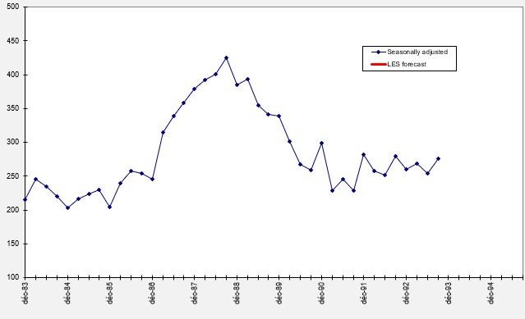
Indicate how to represent seasonnally adjusted data to obtain the graph of the figure below

Adjusted data
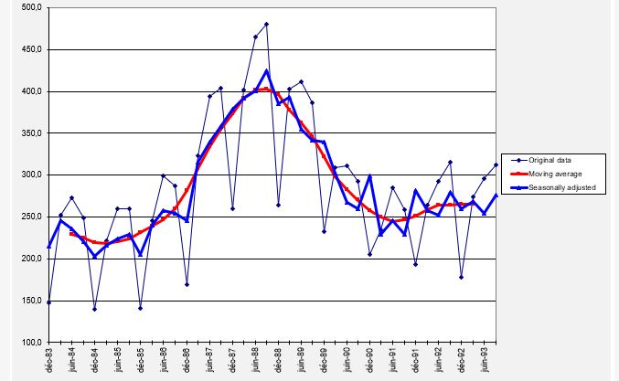
Indicate how to represent the original data and moving average to obtain the graph of the figure below

Errors
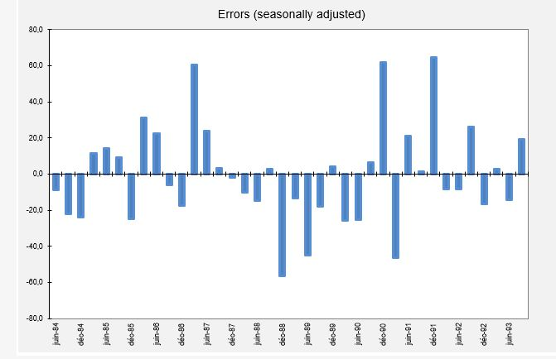
Indicate how to represent seasonnally adjusted errors to obtain the graph of the figure below

